결과 처리본
[확인용] - 최종 결과보고서 작성시 데이터 검토과정에서 일부 데이터 변경 될 수 있습니다. |  |  |  |  |  |  |  |  |  | [확인용] - 최종 결과보고서 작성시 데이터 검토과정에서 일부 데이터 변경 될 수 있습니다.
Dose | G1, DKF-MB101-66, SC, 7.5 mg/kg;G2, DKF-MB101-56, SC, 7.5 mg/kg;G3, DKF-MB101-76, SC, 7.5 mg/kg;G4, DKF-MB101-79, SC, 7.5 mg/kg; G5, DKF-MB101-77, SC, 7.5 mg/kg;G6, DKF-MB101-78_7.5, SC, 7.5 mg/kg;G7, DKF-MB101-78_15, SC, 15 mg/kg;G8, DKF-MB101-78_30, SC, 30 mg/kg |  |  |  |  |  |  |  |  | Dose | G1, DKF-MB101-66, SC, 7.5 mg/kg;G2, DKF-MB101-56, SC, 7.5 mg/kg;G3, DKF-MB101-76, SC, 7.5 mg/kg;G4, DKF-MB101-79, SC, 7.5 mg/kg; G5, DKF-MB101-77, SC, 7.5 mg/kg;G6, DKF-MB101-78_7.5, SC, 7.5 mg/kg;G7, DKF-MB101-78_15, SC, 15 mg/kg;G8, DKF-MB101-78_30, SC, 30 mg/kg
Analytes | Tacrolimus |  |  |  |  |  |  |  |  | Analytes | Tacrolimus

Abbriviation | BQL | below quantification level |  |  |  |  |  |  |  | Abbriviation | BQL | below quantification level
Blood_1차 |  |  |  |  |  |  |  |  |  | Blood_2차
Standard samples |  |  |  |  |  |  |  |  |  | Standard samples
 | Tacrolimus |  |  |  |  |  |  |  |  |  | Tacrolimus
Conc. (ng/mL) | Area ratio | Area ratio | Area ratio | Area ratio | Area ratio | Area ratio | Area ratio | Area ratio | Area ratio | Conc. (ng/mL) | Area ratio | Area ratio | Area ratio | Area ratio | Area ratio | Area ratio | Area ratio | Area ratio | Area ratio
 | 1 | 2 | 3 | 4 | 5 | 6 | 7 | 8 | 9 |  | 1 | 2 | 3 | 4 | 5 | 6 | 7 | 8 | 9
DBLK | 0.00E+00 |  |  |  |  |  |  |  |  | DBLK | 0.00E+00
BLK (P) | 0.00E+00 |  |  |  |  |  |  |  |  | BLK (P) | 0.00E+00
0.1 | 3.88E-02 |  |  |  |  |  |  |  |  | 0.1 | 4.27E-02
0.2 | 7.11E-02 |  |  |  |  |  |  |  |  | 0.2 | 8.41E-02
0.5 | 1.75E-01 |  |  |  |  |  |  |  |  | 0.5 | 1.96E-01
1 | 3.24E-01 |  |  |  |  |  |  |  |  | 1 | 3.56E-01
3 | 8.94E-01 |  |  |  |  |  |  |  |  | 3 | 1.14E+00
10 | 2.99E+00 |  |  |  |  |  |  |  |  | 10 | 3.70E+00
30 | 9.18E+00 |  |  |  |  |  |  |  |  | 30 | 1.04E+01
100 | 3.20E+01 |  |  |  |  |  |  |  |  | 100 | 3.63E+01
300 | 9.53E+01 |  |  |  |  |  |  |  |  | 300 | 1.07E+02
1000 | 3.05E+02 |  |  |  |  |  |  |  |  | 1000 | 3.40E+02

LLOQ_0.1 | 3.88E-02 | 4.04E-02 | 3.91E-02 | 3.75E-02 | 4.41E-02 | 3.91E-02 | 4.07E-02 | 3.71E-02 | 4.21E-02 | LLOQ_0.1 | 4.27E-02 | 4.54E-02 | 4.14E-02 | 3.87E-02 | 4.84E-02 | 3.99E-02 | 4.21E-02 | 4.32E-02 | 4.57E-02
LQC_0.3 | 9.58E-02 | 9.46E-02 | 9.15E-02 | 8.85E-02 | 9.80E-02 | 9.45E-02 | 9.94E-02 | 9.11E-02 | 9.40E-02 | LQC_0.3 | 1.02E-01 | 1.10E-01 | 1.10E-01 | 1.15E-01 | 1.23E-01 | 1.05E-01 | 1.08E-01 | 1.06E-01 | 1.20E-01
MQC_80 | 2.57E+01 | 2.38E+01 | 2.34E+01 | 2.25E+01 | 2.63E+01 | 2.43E+01 | 2.48E+01 | 2.35E+01 | 2.35E+01 | MQC_80 | 2.88E+01 | 2.81E+01 | 2.86E+01 | 2.74E+01 | 2.99E+01 | 3.02E+01 | 3.09E+01 | 2.94E+01 | 2.93E+01
HQC_800 | 2.45E+02 | 2.20E+02 | 2.24E+02 | 2.18E+02 | 2.48E+02 | 2.22E+02 | 2.24E+02 | 2.16E+02 | 2.25E+02 | HQC_800 | 2.91E+02 | 2.93E+02 | 2.83E+02 | 2.89E+02 | 3.07E+02 | 3.02E+02 | 2.87E+02 | 2.91E+02 | 2.95E+02

Calibration |  |  |  |  |  |  |  |  |  | Calibration
Article | Range (ng/mL) | Regression | Weighting | a | b | r |  |  |  | Article | Range (ng/mL) | Regression | Weighting | a | b | r
Tacrolimus | 0.1-1000 | Linear | 1/x2 | 0.3110 | 0.0083 | 0.9992 |  |  |  | Tacrolimus | 0.1-1000 | Linear | 1/x2 | 0.3610 | 0.0079 | 0.9990

Samples (final concentration)_1차
G1 | DKF-MB101-66, SC, 7.5 mg/kg
 | Time (hr) | Blood concentration (ng/mL)
 |  | #1 | #2 | #3 | #4 | #5 | #6 | Mean | SD
 | 0.25 | 0.79 | 0.36 | 0.56 | 0.48 | 0.48 | 0.55 | 0.54 | 0.14
 | 0.5 | 1.03 | 0.61 | 0.86 | 0.79 | 0.80 | 0.70 | 0.80 | 0.14
 | 1 | 2.01 | 0.85 | 1.35 | 0.87 | 1.29 | 0.90 | 1.21 | 0.45
 | 3 | 2.03 | 1.22 | 1.73 | 1.60 | 1.20 | 1.12 | 1.48 | 0.36
 | 6 | 1.44 | 1.39 | 1.79 | 1.24 | 1.09 | 1.06 | 1.34 | 0.27
 | 24 | 1.32 | 1.06 | 1.60 | 1.24 | 0.94 | 1.28 | 1.24 | 0.23
 | 72 | 2.99 | 1.92 | 2.98 | 1.97 | 1.54 | 3.24 | 2.44 | 0.71
 | 168 | 3.44 | 1.74 | 2.46 | 2.10 | 2.78 | 2.65 | 2.53 | 0.59
 | 336 | 2.94 | 1.23 | 3.27 | 2.24 | 2.03 | 2.27 | 2.33 | 0.72
 | 504 | 2.29 | 0.84 | 2.83 | 2.05 | 1.47 | 2.39 | 1.98 | 0.72
 | 672 | 0.75 | 0.35 | 1.09 | 0.75 | 0.54 | 0.72 | 0.70 | 0.25
 | 840 | 0.48 | 0.29 | 0.68 | 0.46 | 0.28 | 0.49 | 0.45 | 0.15
 | 1008 | 0.39 | 0.27 | 0.43 | 0.37 | 0.15 | 0.44 | 0.34 | 0.11
 | 1176 | 0.39 | 0.29 | 0.41 | 0.31 | 0.12 | 0.11 | 0.27 | 0.13
 |  |  |  |  |  |  |  |  | BQL, <0.1 ng/mL
G2 | DKF-MB101-56, SC, 7.5 mg/kg
 | Time (hr) | Blood concentration (ng/mL)
 |  | #7 | #8 | #9 | #10 | #11 | #12 | Mean | SD
 | 0.25 | 0.54 | 0.35 | 0.45 | 0.55 | 0.34 | 0.52 | 0.46 | 0.10
 | 0.5 | 0.78 | 0.51 | 0.65 | 0.69 | 0.52 | 0.65 | 0.63 | 0.10
 | 1 | 1.02 | 0.58 | 0.84 | 0.86 | 0.62 | 0.81 | 0.79 | 0.16
 | 3 | 1.42 | 0.93 | 1.58 | 1.62 | 1.02 | 1.23 | 1.30 | 0.29
 | 6 | 1.05 | 0.82 | 1.11 | 1.23 | 0.83 | 1.05 | 1.02 | 0.16
 | 24 | 0.89 | 0.65 | 0.88 | 1.00 | 0.66 | 1.00 | 0.85 | 0.16
 | 72 | 1.56 | 0.78 | 1.28 | 1.57 | 0.85 | 1.52 | 1.26 | 0.36
 | 168 | 2.08 | 1.32 | 2.12 | 2.42 | 1.26 | 1.89 | 1.85 | 0.47
 | 336 | 4.07 | 2.03 | 3.07 | 3.59 | 1.94 | 3.19 | 2.98 | 0.85
 | 504 | 3.72 | 1.81 | 2.59 | 3.13 | 1.78 | 2.89 | 2.65 | 0.76
 | 672 | 2.47 | 1.05 | 1.82 | 2.64 | 1.16 | 2.11 | 1.88 | 0.66
 | 840 | 0.42 | 0.23 | 0.36 | 0.50 | 0.15 | 0.70 | 0.39 | 0.20
 | 1008 | 0.23 | 0.18 | 0.27 | 0.28 | 0.09 (BQL) | 0.48 | 0.29 | 0.11
 | 1176 | 0.19 | 0.18 | 0.26 | 0.22 | 0.09 (BQL) | 0.43 | 0.26 | 0.10
 |  |  |  |  |  |  |  |  | BQL, <0.1 ng/mL
G3 | DKF-MB101-76, SC, 7.5 mg/kg
 | Time (hr) | Blood concentration (ng/mL)
 |  | #13 | #14 | #15 | #16 | #17 | #18 | Mean | SD
 | 0.25 | 0.44 | 0.41 | 0.46 | 0.82 | 0.46 | 0.38 | 0.50 | 0.16
 | 0.5 | 1.03 | 0.74 | 0.70 | 1.06 | 0.95 | 0.96 | 0.91 | 0.15
 | 1 | 0.97 | 1.68 | 1.13 | 1.62 | 1.86 | 1.83 | 1.52 | 0.37
 | 3 | 2.09 | 2.97 | 2.16 | 3.23 | 3.44 | 2.27 | 2.69 | 0.59
 | 6 | 1.75 | 2.57 | 1.32 | 2.39 | 2.25 | 1.77 | 2.01 | 0.47
 | 24 | 1.32 | 1.60 | 0.76 | 1.81 | 1.60 | 1.15 | 1.37 | 0.38
 | 72 | 1.74 | 2.30 | 1.09 | 1.75 | 2.24 | 1.28 | 1.73 | 0.49
 | 168 | 2.95 | 3.63 | 2.45 | 3.16 | 2.74 | 1.64 | 2.76 | 0.68
 | 336 | 2.28 | 3.31 | 1.63 | 3.70 | 3.73 | 2.38 | 2.84 | 0.87
 | 504 | 1.37 | 1.58 | 0.90 | 1.80 | 2.19 | 1.20 | 1.51 | 0.46
 | 672 | 0.60 | 0.89 | 0.34 | 0.82 | 0.76 | 0.58 | 0.67 | 0.20
 | 840 | 0.44 | 0.64 | 0.19 | 0.35 | 0.58 | 0.27 | 0.41 | 0.18
 | 1008 | 0.42 | 0.64 | 0.14 | 0.34 | 0.50 | 0.23 | 0.38 | 0.18
 | 1176 | 0.35 | 0.63 | 0.12 | 0.30 | 0.41 | 0.21 | 0.34 | 0.18
 |  |  |  |  |  |  |  |  | BQL, <0.1 ng/mL
G4 | DKF-MB101-79, SC, 7.5 mg/kg
 | Time (hr) | Blood concentration (ng/mL)
 |  | #19 | #20 | #21 | #22 | #23 | #24 | Mean | SD
 | 0.25 | 0.35 | 0.57 | 0.63 | 1.10 | 0.67 | 0.63 | 0.66 | 0.24
 | 0.5 | 0.63 | 0.69 | 1.01 | 0.98 | 0.82 | 0.88 | 0.83 | 0.15
 | 1 | 0.90 | 1.26 | 1.15 | 1.37 | 1.19 | 1.16 | 1.17 | 0.16
 | 3 | 2.35 | 2.70 | 2.41 | 4.55 | 3.91 | 3.07 | 3.17 | 0.89
 | 6 | 2.19 | 2.50 | 2.30 | 3.89 | 2.96 | 3.00 | 2.81 | 0.63
 | 24 | 1.22 | 1.46 | 2.06 | 2.57 | 1.79 | 1.51 | 1.77 | 0.49
 | 72 | 1.95 | 2.17 | 2.34 | 3.79 | 2.44 | 2.37 | 2.51 | 0.65
 | 168 | 4.02 | 5.23 | 7.91 | 7.12 | 6.81 | 5.85 | 6.16 | 1.41
 | 336 | 1.03 | 1.34 | 2.06 | 1.64 | 1.97 | 1.45 | 1.58 | 0.39
 | 504 | 0.46 | 0.44 | 1.14 | 0.85 | 0.67 | 0.60 | 0.69 | 0.26
 | 672 | 0.41 | 0.36 | 1.14 | 0.81 | 0.60 | 0.56 | 0.64 | 0.29
 | 840 | 0.35 | 0.29 | 0.91 | 0.62 | 0.55 | 0.53 | 0.54 | 0.22
 | 1008 | 0.33 | 0.21 | 0.69 | 0.40 | 0.47 | 0.47 | 0.43 | 0.16
 | 1176 | 0.26 | 0.21 | 0.59 | 0.36 | 0.43 | 0.42 | 0.38 | 0.14
 |  |  |  |  |  |  |  |  | BQL, <0.1 ng/mL
G5 | DKF-MB101-77, SC, 7.5 mg/kg
 | Time (hr) | Blood concentration (ng/mL)
 |  | #25 | #26 | #27 | #28 | #29 | #30 | Mean | SD
 | 0.25 | 0.97 | 0.95 | 1.52 | 0.71 | 0.74 | 1.20 | 1.02 | 0.30
 | 0.5 | 1.36 | 1.20 | 1.22 | 0.93 | 1.15 | 1.19 | 1.18 | 0.14
 | 1 | 1.87 | 1.72 | 1.24 | 1.22 | 1.45 | 1.71 | 1.54 | 0.27
 | 3 | 2.80 | 2.47 | 2.38 | 1.87 | 2.43 | 2.57 | 2.42 | 0.31
 | 6 | 2.31 | 2.60 | 2.02 | 1.62 | 1.62 | 1.80 | 2.00 | 0.40
 | 24 | 1.46 | 1.38 | 1.57 | 1.17 | 1.70 | 1.70 | 1.50 | 0.20
 | 72 | 2.68 | 2.48 | 3.21 | 1.87 | 2.49 | 2.44 | 2.53 | 0.43
 | 168 | 4.28 | 4.03 | 2.74 | 2.86 | 3.12 | 3.78 | 3.47 | 0.65
 | 336 | 3.87 | 4.17 | 2.92 | 3.28 | 4.22 | 6.21 | 4.11 | 1.15
 | 504 | 2.06 | 2.24 | 1.64 | 1.90 | 2.09 | 2.99 | 2.15 | 0.46
 | 672 | 0.92 | 0.98 | 0.67 | 0.72 | 0.90 | 1.23 | 0.90 | 0.20
 | 840 | 0.37 | 0.37 | 0.32 | 0.32 | 0.31 | 0.41 | 0.35 | 0.04
 | 1008 | 0.29 | 0.31 | 0.26 | 0.23 | 0.27 | 0.30 | 0.28 | 0.03
 | 1176 | 0.19 | 0.24 | 0.20 | 0.22 | 0.20 | 0.24 | 0.22 | 0.02
 |  |  |  |  |  |  |  |  | BQL, <0.1 ng/mL
G6 | DKF-MB101-78_7.5, SC, 7.5 mg/kg
 | Time (hr) | Blood concentration (ng/mL)
 |  | #31 | #32 | #33 | #34 | #35 | #36 | Mean | SD
 | 0.25 | 1.01 | 0.66 | 1.32 | 0.69 | 0.91 | 0.98 | 0.93 | 0.24
 | 0.5 | 1.64 | 1.18 | 1.53 | 0.99 | 0.90 | 1.67 | 1.32 | 0.34
 | 1 | 1.68 | 1.61 | 1.72 | 1.25 | 1.58 | 2.29 | 1.69 | 0.34
 | 3 | 2.36 | 2.12 | 2.08 | 1.85 | 2.22 | 2.36 | 2.17 | 0.19
 | 6 | 1.89 | 1.97 | 1.75 | 1.64 | 1.80 | 1.98 | 1.84 | 0.13
 | 24 | 1.61 | 1.28 | 1.47 | 1.77 | 1.36 | 1.63 | 1.52 | 0.18
 | 72 | 2.13 | 1.73 | 1.84 | 2.07 | 1.80 | 2.07 | 1.94 | 0.17
 | 168 | 3.66 | 2.20 | 2.72 | 2.71 | 2.96 | 2.90 | 2.86 | 0.48
 | 336 | 5.44 | 3.36 | 4.43 | 4.28 | 3.74 | 4.12 | 4.23 | 0.71
 | 504 | 2.77 | 1.81 | 2.29 | 2.11 | 2.10 | 2.03 | 2.19 | 0.33
 | 672 | 1.07 | 0.67 | 1.27 | 0.90 | 1.27 | 1.15 | 1.06 | 0.23
 | 840 | 0.43 | 0.32 | 0.30 | 0.35 | 0.47 | 0.55 | 0.40 | 0.10
 | 1008 | 0.32 | 0.22 | 0.29 | 0.30 | 0.44 | 0.44 | 0.34 | 0.09
 | 1176 | 0.20 | 0.22 | 0.25 | 0.28 | 0.37 | 0.38 | 0.28 | 0.08
 |  |  |  |  |  |  |  |  | BQL, <0.1 ng/mL
G7 | DKF-MB101-78_15, SC, 15 mg/kg
 | Time (hr) | Blood concentration (ng/mL)
 |  | #37 | #38 | #39 | #40 | #41 | #42 | Mean | SD
 | 0.25 | 1.04 | 1.02 | 1.08 | 1.24 | 1.21 | 0.91 | 1.08 | 0.12
 | 0.5 | 1.68 | 1.72 | 1.52 | 1.83 | 1.85 | 1.37 | 1.66 | 0.19
 | 1 | 1.89 | 2.42 | 5.35 | 2.44 | 2.48 | 1.65 | 2.71 | 1.34
 | 3 | 2.43 | 3.71 | 3.18 | 3.31 | 3.59 | 3.01 | 3.20 | 0.46
 | 6 | 2.26 | 4.28 | 3.71 | 2.51 | 3.28 | 2.88 | 3.15 | 0.76
 | 24 | 1.83 | 2.83 | 2.82 | 2.03 | 2.47 | 1.79 | 2.30 | 0.48
 | 72 | 2.38 | 3.23 | 3.36 | 3.26 | 3.55 | 2.85 | 3.11 | 0.42
 | 168 | 3.10 | 4.35 | 4.95 | 4.17 | 4.98 | 3.25 | 4.13 | 0.81
 | 336 | 3.94 | 6.32 | 6.27 | 5.63 | 6.50 | 4.18 | 5.47 | 1.14
 | 504 | 2.47 | 3.42 | 3.84 | 2.65 | 3.99 | 2.05 | 3.07 | 0.79
 | 672 | 1.19 | 1.93 | 2.27 | 1.23 | 3.00 | 1.32 | 1.82 | 0.72
 | 840 | 0.79 | 0.96 | 1.22 | 0.17 | 1.36 | 0.90 | 0.90 | 0.42
 | 1008 | 0.63 | 0.86 | 1.03 | 0.12 | 1.20 | 0.81 | 0.77 | 0.38
 | 1176 | 0.61 | 0.85 | 0.90 | 0.08 (BQL) | 1.05 | 0.81 | 0.84 | 0.16
 |  |  |  |  |  |  |  |  | BQL, <0.1 ng/mL
G8 | DKF-MB101-78_30, SC, 30 mg/kg
 | Time (hr) | Blood concentration (ng/mL)
 |  | #43 | #44 | #45 | #46 | #47 | #48 | Mean | SD
 | 0.25 | 1.53 | 1.69 | 1.42 | 1.21 | 1.92 | 1.91 | 1.61 | 0.28
 | 0.5 | 2.39 | 3.41 | 2.28 | 2.14 | 1.92 | 2.60 | 2.46 | 0.52
 | 1 | 3.37 | 3.89 | 2.56 | 3.66 | 3.22 | 4.25 | 3.49 | 0.59
 | 3 | 4.52 | 5.55 | 4.88 | 5.42 | 6.42 | 4.65 | 5.24 | 0.71
 | 6 | 4.05 | 4.05 | 2.91 | 5.04 | 6.87 | 4.55 | 4.58 | 1.33
 | 24 | 3.59 | 2.91 | 2.56 | 4.23 | 5.40 | 3.62 | 3.72 | 1.01
3 | 72 | 6.13 | 3.51 | 3.78 | 4.76 | 3.80 | 3.58 | 4.26 | 1.02
7 | 168 | 7.90 | 4.92 | 4.07 | 6.08 | 6.96 | 5.31 | 5.87 | 1.40
14 | 336 | 8.45 | 6.63 | 5.31 | 9.70 | 8.47 | 7.18 | 7.62 | 1.57
21 | 504 | 5.61 | 3.94 | 2.95 | 5.25 | 5.70 | 4.29 | 4.62 | 1.09
28 | 672 | 4.34 | 2.15 | 2.01 | 4.56 | 4.78 | 2.44 | 3.38 | 1.31
35 | 840 | 3.25 | 0.65 | 0.82 | 2.61 | 3.27 | 1.46 |  | 1.19
42 | 1008 | 2.92 | 0.60 | 0.79 | 2.45 | 2.48 | 1.43 |  | 0.97
49 | 1176 | 2.66 | 0.49 | 0.71 | 2.44 | 2.36 | 1.40 | 1.68 | 0.94
 |  |  |  |  |  |  |  |  | BQL, <0.1 ng/mL

Tacrolimus in Blood
 | G8 DKF-MB101-78_30, SC, 30 mg/kg
0.25 | 2.46
0.5 | 3.49
1 | 5.24
3 | 4.58
6 | 3.72
24 | 4.26
72 | 5.87
168 | 7.62
336 | 4.62
504 | 3.38
672
840
1008 | 1.68
1176

1. Data
 | 시험 목적: 1차 비임상시험 검체 (#56 batch)의 재현성 확인 (G2) 및 scale-up (#78 batch)에 따른 PK 평가 및 투여 용량 (G6: 7.5 / G7: 15.0 / G8: 30.0 mpk)에 따른 변화 관찰

Report (result)
Pharmacokinetic parameters
 |  | G1 |  | G2 |  | G3 |  | G4 |  | G5 |  | G6 |  | G7 |  | G8
 |  | DKF-MB101-66, 7.5 mg/kg |  | DKF-MB101-56, 7.5 mg/kg |  | DKF-MB101-76, 7.5 mg/kg |  | DKF-MB101-79, 7.5 mg/kg |  | DKF-MB101-77, 7.5 mg/kg |  | DKF-MB101-78_7.5, 7.5 mg/kg |  | DKF-MB101-78_15, 15 mg/kg |  | DKF-MB101-78_30, 30 mg/kg
 |  | SC | n=6 | SC | n=6 | SC | n=6 | SC | n=6 | SC | n=6 | SC | n=6 | SC | n=6 | SC | n=6
Parameters | Unit | Mean | SD | Mean | SD | Mean | SD | Mean | SD | Mean | SD | Mean | SD | Mean | SD | Mean | SD
tmax | hr | 192.00 | 119.52 | 336.00 | 0.00 | 252.00 | 92.02 | 168.00 | 0.00 | 264.00 | 115.60 | 336.00 | 0.00 | 336.00 | 0.00 | 336.00 | 0.00
Cmax | ng/mL | 2.82 | 0.62 | 2.98 | 0.85 | 3.14 | 0.63 | 6.16 | 1.41 | 4.23 | 1.08 | 4.23 | 0.71 | 5.47 | 1.14 | 7.62 | 1.57
AUClast | ng*hr/mL | 1566.15 | 411.32 | 1761.35 | 515.51 | 1567.39 | 418.60 | 1776.15 | 440.11 | 2046.27 | 366.08 | 1996.96 | 268.64 | 2970.65 | 679.80 | 4674.29 | 1324.98
AUCinf | ng*hr/mL | 1690.92 | 423.14 | 1820.69 | 532.09 | 1923.79 | 578.12 | 2171.80 | 529.39 | 2183.20 | 388.81 | 2186.22 | 312.12 | 3575.73 | 1107.92 | 8253.42 | 4152.30
t1/2 | ng*hr/mL | 300.25 | 145.33 | 161.11 | 43.01 | 791.00 | 440.32 | 726.58 | 265.39 | 437.74 | 136.67 | 443.90 | 338.14 | 486.24 | 296.89 | 1697.45 | 1935.66
Cmax/Dose | (ng/mL)/(mg/kg) | 0.38 | 0.08 | 0.40 | 0.11 | 0.42 | 0.08 | 0.82 | 0.19 | 0.56 | 0.14 | 0.56 | 0.09 | 0.36 | 0.08 | 0.25 | 0.05
AUClast/Dose | (ng*hr/mL)/(mg/kg) | 208.82 | 54.84 | 234.85 | 68.73 | 208.98 | 55.81 | 236.82 | 58.68 | 272.84 | 48.81 | 266.26 | 35.82 | 198.04 | 45.32 | 155.81 | 44.17
AUClast/Dose | (ng*hr/mL)/(mg/kg) | 225.46 | 56.42 | 242.76 | 70.94 | 256.51 | 77.08 | 289.57 | 70.59 | 291.09 | 51.84 | 291.50 | 41.62 | 238.38 | 73.86 | 275.11 | 138.41
Pharmacokinetic parameters were obtained by non-compartmental analysis using WinNonlin software.

Pharmacokinetic profiles
 |  | Note: Linear Scale |  |  |  | Note: Semi-log Scale |  |  |  | Note: Semi-log Scale
Tacrolimus in Blood
 | G1 DKF-MB101-66, SC, 7.5 mg/kg | G2 DKF-MB101-56, SC, 7.5 mg/kg | G3 DKF-MB101-76, SC, 7.5 mg/kg | G4 DKF-MB101-79, SC, 7.5 mg/kg | G5 DKF-MB101-77, SC, 7.5 mg/kg | G6 DKF-MB101-78_7.5, SC, 7.5 mg/kg | G7 DKF-MB101-78_15, SC, 15 mg/kg | G8 DKF-MB101-78_30, SC, 30 mg/kg
0.25 | 0.54 | 0.46 | 0.50 | 0.66 | 1.02 | 0.93 | 1.08 | 1.61
0.5 | 0.80 | 0.63 | 0.91 | 0.83 | 1.18 | 1.32 | 1.66 | 2.46
1 | 1.21 | 0.79 | 1.52 | 1.17 | 1.54 | 1.69 | 2.71 | 3.49
3 | 1.48 | 1.30 | 2.69 | 3.17 | 2.42 | 2.17 | 3.20 | 5.24
6 | 1.34 | 1.02 | 2.01 | 2.81 | 2.00 | 1.84 | 3.15 | 4.58
24 | 1.24 | 0.85 | 1.37 | 1.77 | 1.50 | 1.52 | 2.30 | 3.72
72 | 2.44 | 1.26 | 1.73 | 2.51 | 2.53 | 1.94 | 3.11 | 4.26
168 | 2.53 | 1.85 | 2.76 | 6.16 | 3.47 | 2.86 | 4.13 | 5.87
336 | 2.33 | 2.98 | 2.84 | 1.58 | 4.11 | 4.23 | 5.47 | 7.62
504 | 1.98 | 2.65 | 1.51 | 0.69 | 2.15 | 2.19 | 3.07 | 4.62
672 | 0.70 | 1.88 | 0.67 | 0.64 | 0.90 | 1.06 | 1.82 | 3.38
840 | 0.45 | 0.39 | 0.41 | 0.54 | 0.35 | 0.40 | 0.90 | 2.01
1008 | 0.34 | 0.29 | 0.38 | 0.43 | 0.28 | 0.34 | 0.77 | 1.78
1176 | 0.27 | 0.26 | 0.34 | 0.38 | 0.22 | 0.28 | 0.84 | 1.68
Tacrolimus in Blood
 | G1 DKF-MB101-66, SC, 7.5 mg/kg | G2 DKF-MB101-56, SC, 7.5 mg/kg | G3 DKF-MB101-76, SC, 7.5 mg/kg | G4 DKF-MB101-79, SC, 7.5 mg/kg | G5 DKF-MB101-77, SC, 7.5 mg/kg | G6 DKF-MB101-78_7.5, SC, 7.5 mg/kg | G7 DKF-MB101-78_15, SC, 15 mg/kg | G8 DKF-MB101-78_30, SC, 30 mg/kg
0.25 | 0.54 | 0.46 | 0.50 | 0.66 | 1.02 | 0.93 | 1.08 | 1.61
0.5 | 0.80 | 0.63 | 0.91 | 0.83 | 1.18 | 1.32 | 1.66 | 2.46
1 | 1.21 | 0.79 | 1.52 | 1.17 | 1.54 | 1.69 | 2.71 | 3.49
3 | 1.48 | 1.30 | 2.69 | 3.17 | 2.42 | 2.17 | 3.20 | 5.24
6 | 1.34 | 1.02 | 2.01 | 2.81 | 2.00 | 1.84 | 3.15 | 4.58
24 | 1.24 | 0.85 | 1.37 | 1.77 | 1.50 | 1.52 | 2.30 | 3.72
72 | 2.44 | 1.26 | 1.73 | 2.51 | 2.53 | 1.94 | 3.11 | 4.26
168 | 2.53 | 1.85 | 2.76 | 6.16 | 3.47 | 2.86 | 4.13 | 5.87
336 | 2.33 | 2.98 | 2.84 | 1.58 | 4.11 | 4.23 | 5.47 | 7.62
504 | 1.98 | 2.65 | 1.51 | 0.69 | 2.15 | 2.19 | 3.07 | 4.62
672 | 0.70 | 1.88 | 0.67 | 0.64 | 0.90 | 1.06 | 1.82 | 3.38
840 | 0.45 | 0.39 | 0.41 | 0.54 | 0.35 | 0.40 | 0.90 | 2.01
1008 | 0.34 | 0.29 | 0.38 | 0.43 | 0.28 | 0.34 | 0.77 | 1.78
1176 | 0.27 | 0.26 | 0.34 | 0.38 | 0.22 | 0.28 | 0.84 | 1.68
DKF-MB101-78
 | G6 DKF-MB101-78_7.5, SC, 7.5 mg/kg | G7 DKF-MB101-78_15, SC, 15 mg/kg | G8 DKF-MB101-78_30, SC, 30 mg/kg
0.25 | 0.93 | 1.08 | 1.61
0.5 | 1.32 | 1.66 | 2.46
1 | 1.69 | 2.71 | 3.49
3 | 2.17 | 3.20 | 5.24
6 | 1.84 | 3.15 | 4.58
24 | 1.52 | 2.30 | 3.72
72 | 1.94 | 3.11 | 4.26
168 | 2.86 | 4.13 | 5.87
336 | 4.23 | 5.47 | 7.62
504 | 2.19 | 3.07 | 4.62
672 | 1.06 | 1.82 | 3.38
840 | 0.40 | 0.90 | 2.01
1008 | 0.34 | 0.77 | 1.78
1176 | 0.28 | 0.84 | 1.68

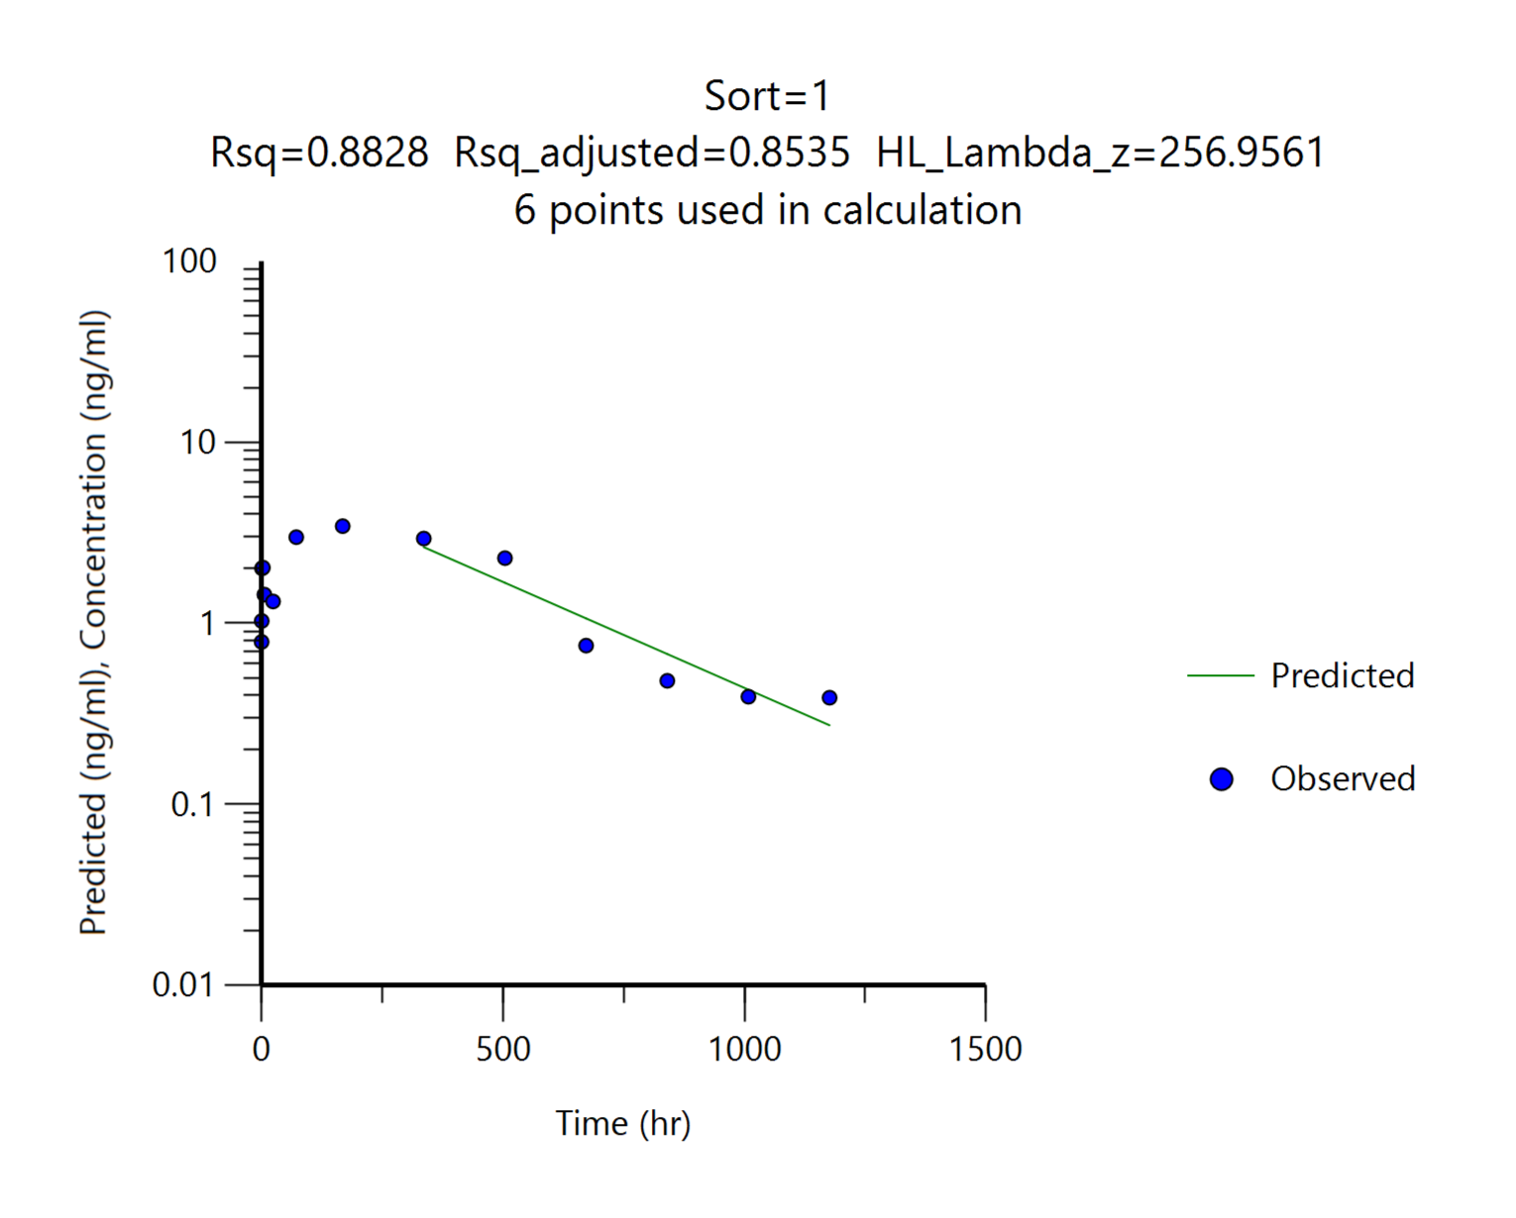
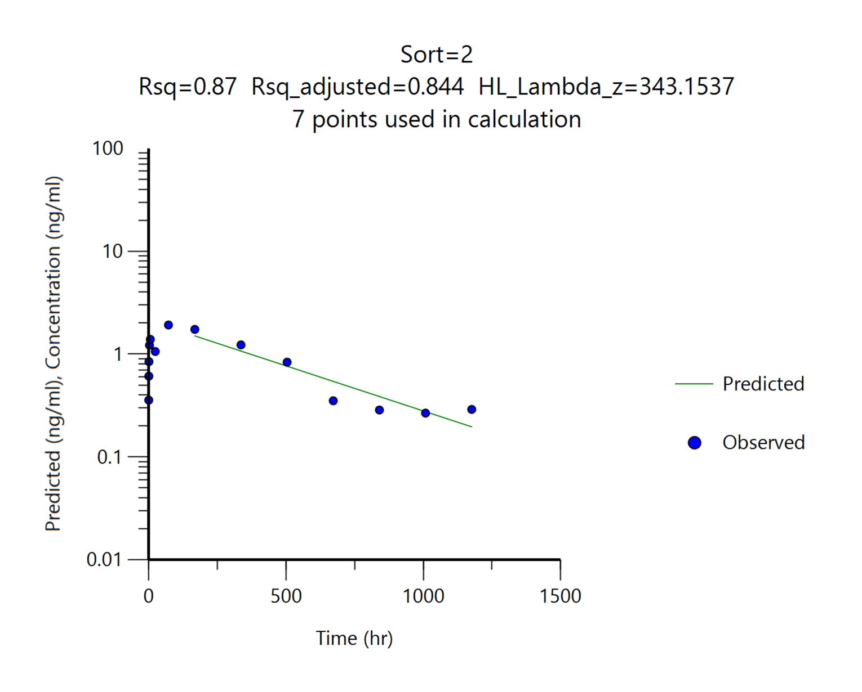
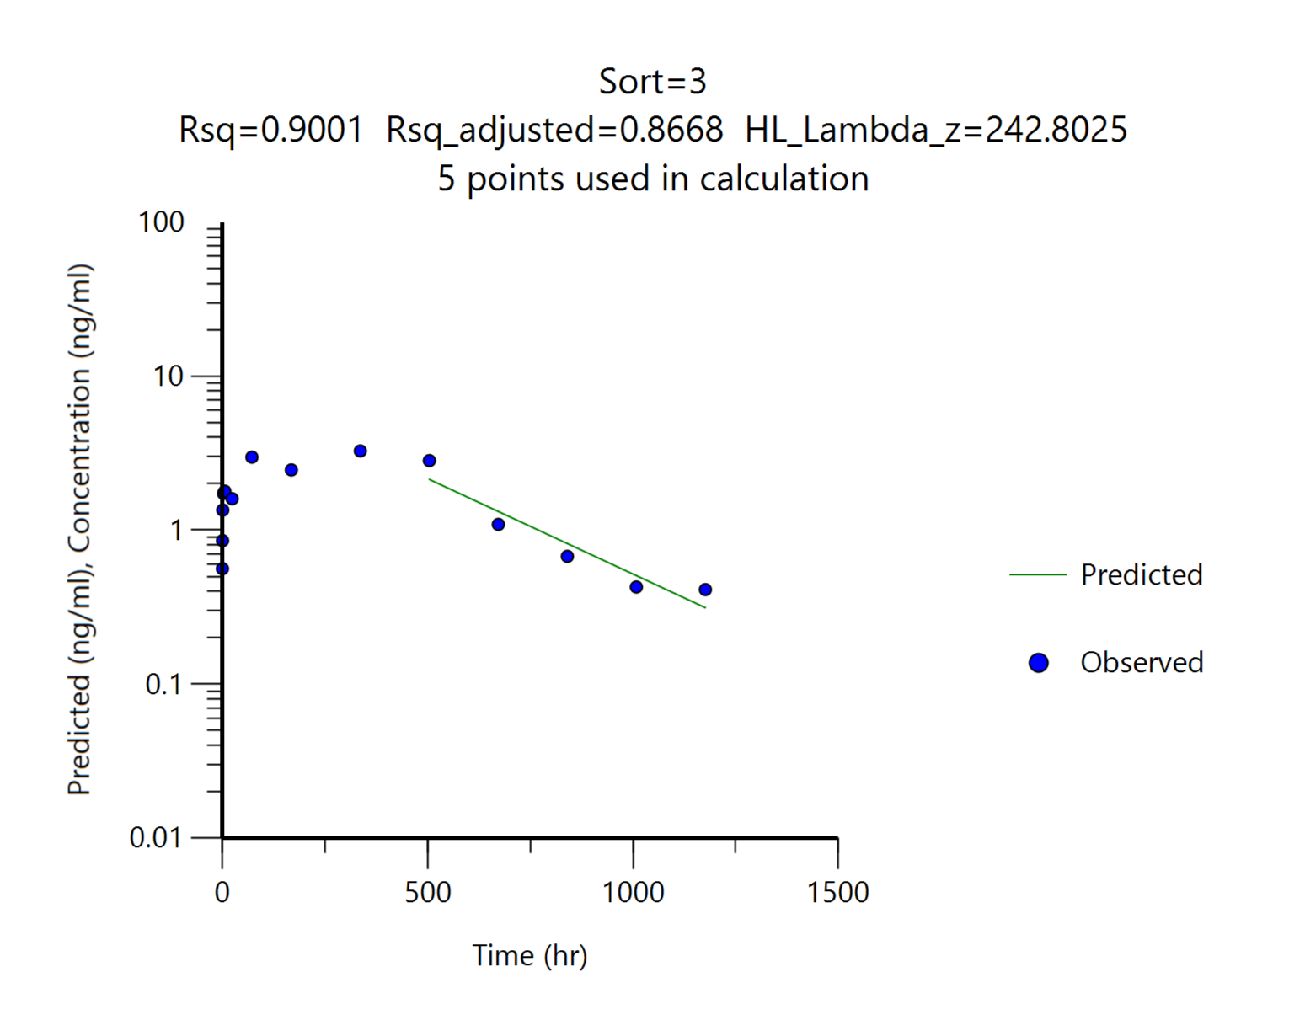
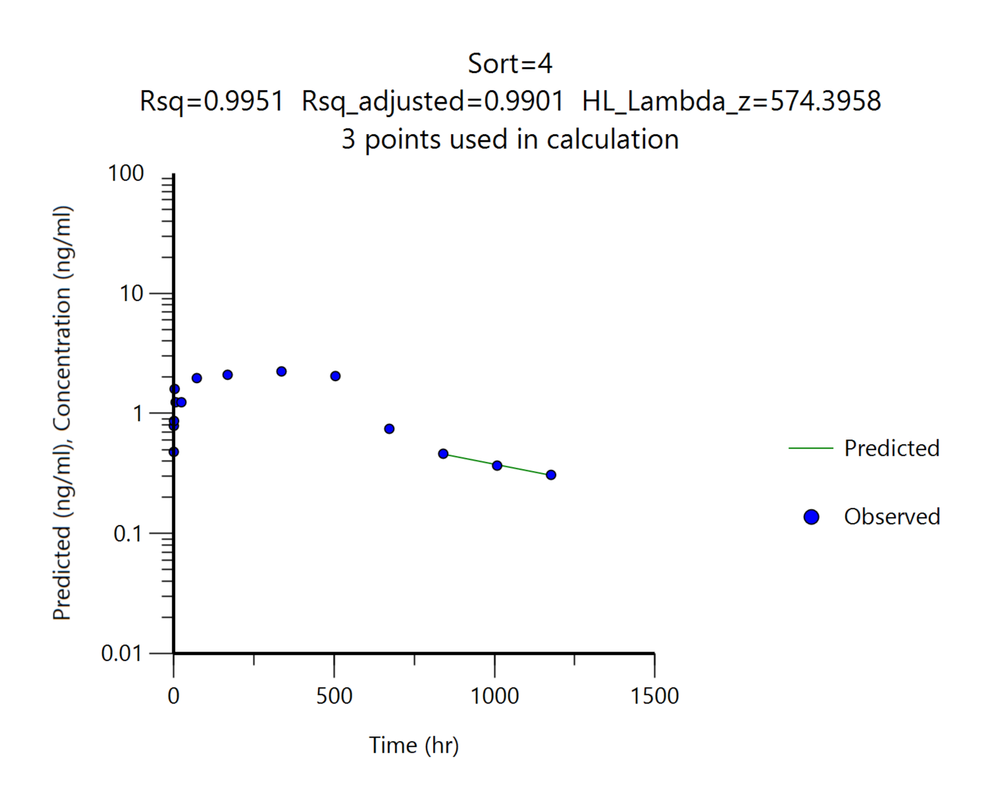
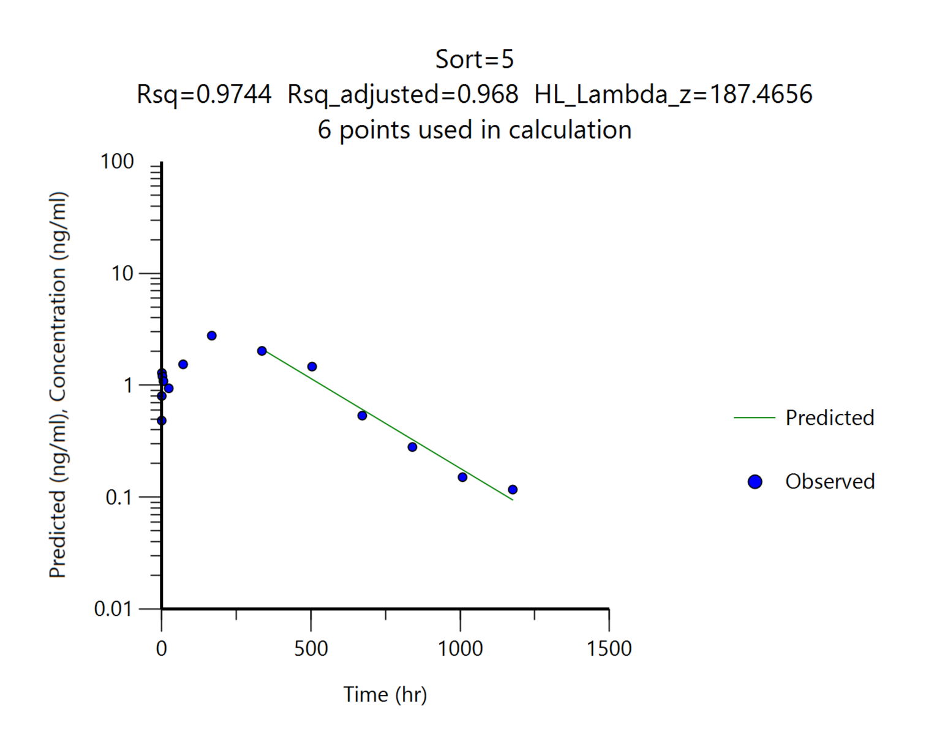
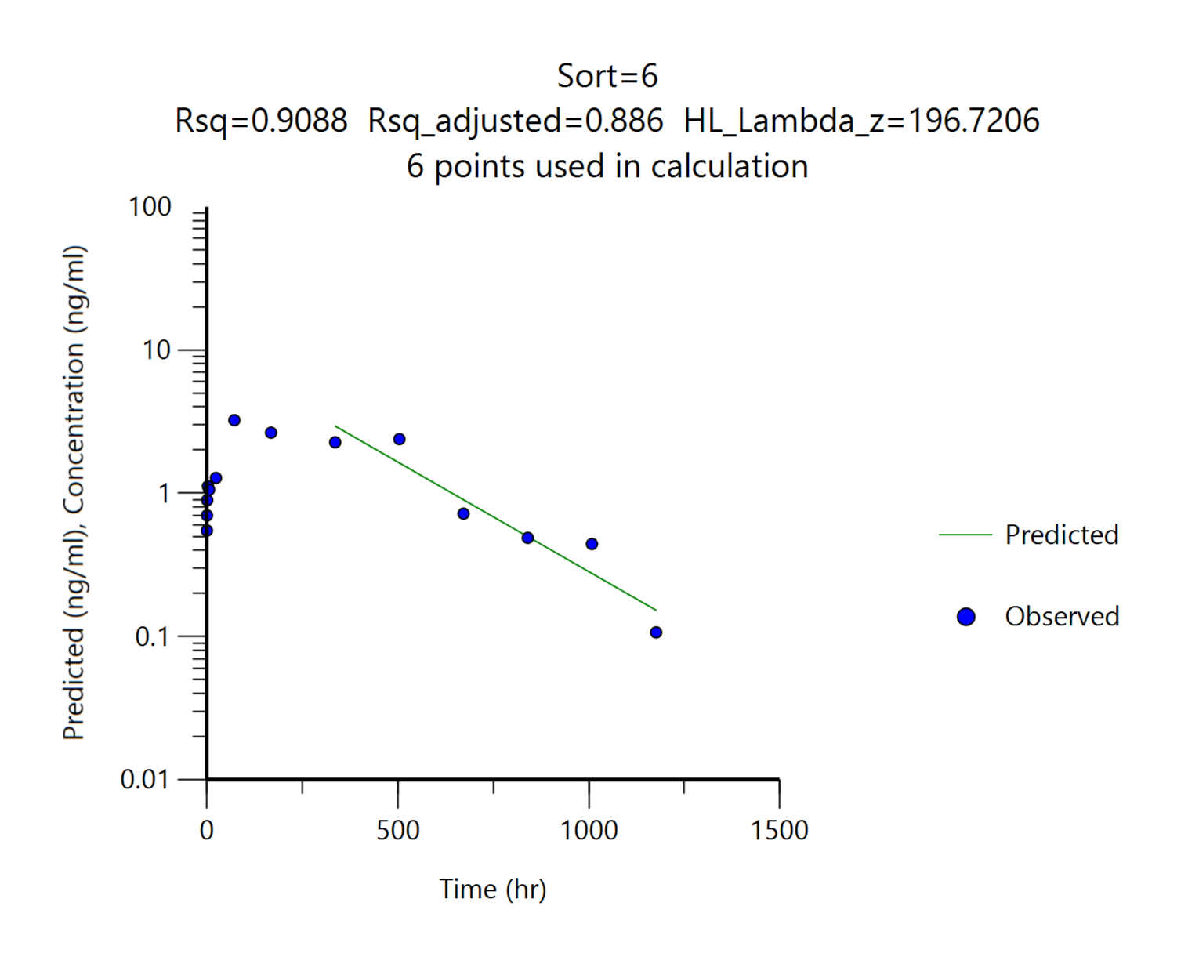
 |  | G1
 |  | DKF-MB101-66, 7.5 mg/kg, SC
Parameters | Unit | #1 | #2 | #3 | #4 | #5 | #6 | Mean | SD
tmax | hr | 168.00 | 72.00 | 336.00 | 336.00 | 168.00 | 72.00 | 192.00 | 119.52
Cmax | ng/mL | 3.44 | 1.92 | 3.27 | 2.24 | 2.78 | 3.24 | 2.82 | 0.62
AUClast | ng*hr/mL | 1920.78 | 945.24 | 2045.10 | 1489.67 | 1285.79 | 1710.34 | 1566.15 | 411.32
AUCinf | ng*hr/mL | 2064.61 | 1088.81 | 2189.07 | 1744.90 | 1317.43 | 1740.71 | 1690.92 | 423.14
t1/2 | ng*hr/mL | 256.96 | 343.15 | 242.80 | 574.40 | 187.47 | 196.72 | 300.25 | 145.33
Cmax/Dose | (ng/mL)/(mg/kg) | 0.46 | 0.26 | 0.44 | 0.30 | 0.37 | 0.43 | 0.38 | 0.08
AUClast/Dose | (ng*hr/mL)/(mg/kg) | 256.10 | 126.03 | 272.68 | 198.62 | 171.44 | 228.05 | 208.82 | 54.84
AUClast/Dose | (ng*hr/mL)/(mg/kg) | 275.28 | 145.17 | 291.88 | 232.65 | 175.66 | 232.09 | 225.46 | 56.42

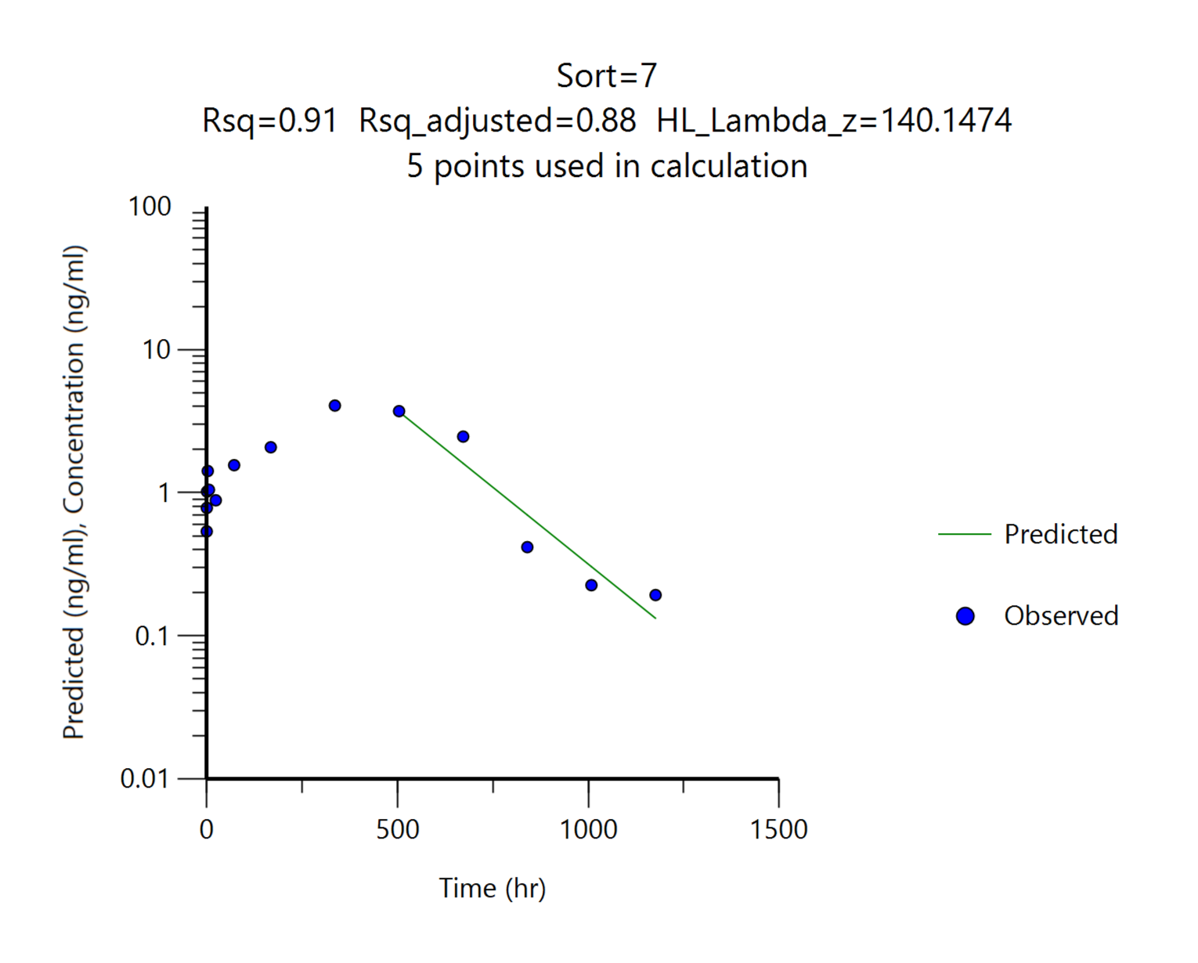
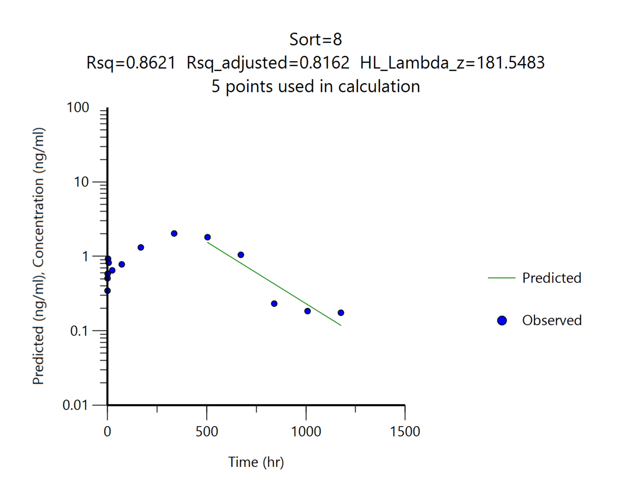
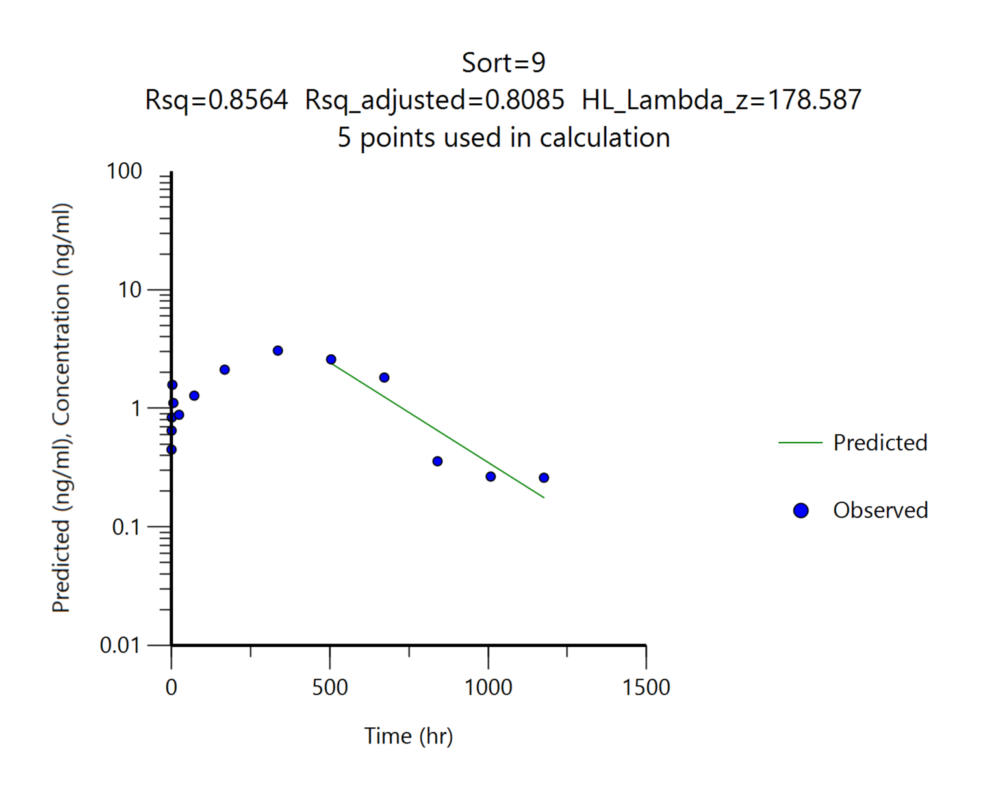

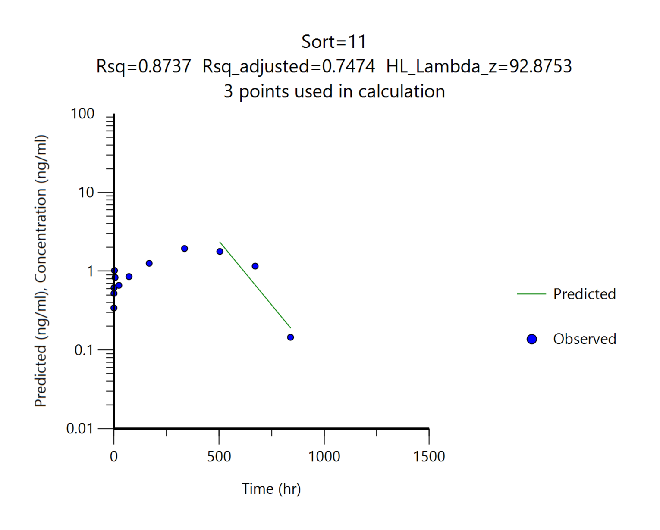

 |  | G2
 |  | DKF-MB101-56, 7.5 mg/kg
Parameters | Unit | #7 | #8 | #9 | #10 | #11 | #12 | Mean | SD
tmax | hr | 336.00 | 336.00 | 336.00 | 336.00 | 336.00 | 336.00 | 336.00 | 0.00
Cmax | ng/mL | 4.07 | 2.03 | 3.07 | 3.59 | 1.94 | 3.19 | 2.98 | 0.85
AUClast | ng*hr/mL | 2280.31 | 1169.96 | 1801.46 | 2206.09 | 1094.02 | 2016.24 | 1761.35 | 515.51
AUCinf | ng*hr/mL | 2319.33 | 1215.79 | 1868.45 | 2255.49 | 1113.45 | 2151.63 | 1820.69 | 532.09
t1/2 | ng*hr/mL | 140.15 | 181.55 | 178.59 | 154.23 | 92.88 | 219.26 | 161.11 | 43.01
Cmax/Dose | (ng/mL)/(mg/kg) | 0.54 | 0.27 | 0.41 | 0.48 | 0.26 | 0.43 | 0.40 | 0.11
AUClast/Dose | (ng*hr/mL)/(mg/kg) | 304.04 | 155.99 | 240.19 | 294.15 | 145.87 | 268.83 | 234.85 | 68.73
AUClast/Dose | (ng*hr/mL)/(mg/kg) | 309.24 | 162.11 | 249.13 | 300.73 | 148.46 | 286.88 | 242.76 | 70.94
혈중농도 패턴을 참고하여 외삽의 영향이 크게 나타난 경우 ( 기준: %AUC_{extrapol} > 15% ) t1/2와 AUCinf를 붉은색으로 표기했습니다.

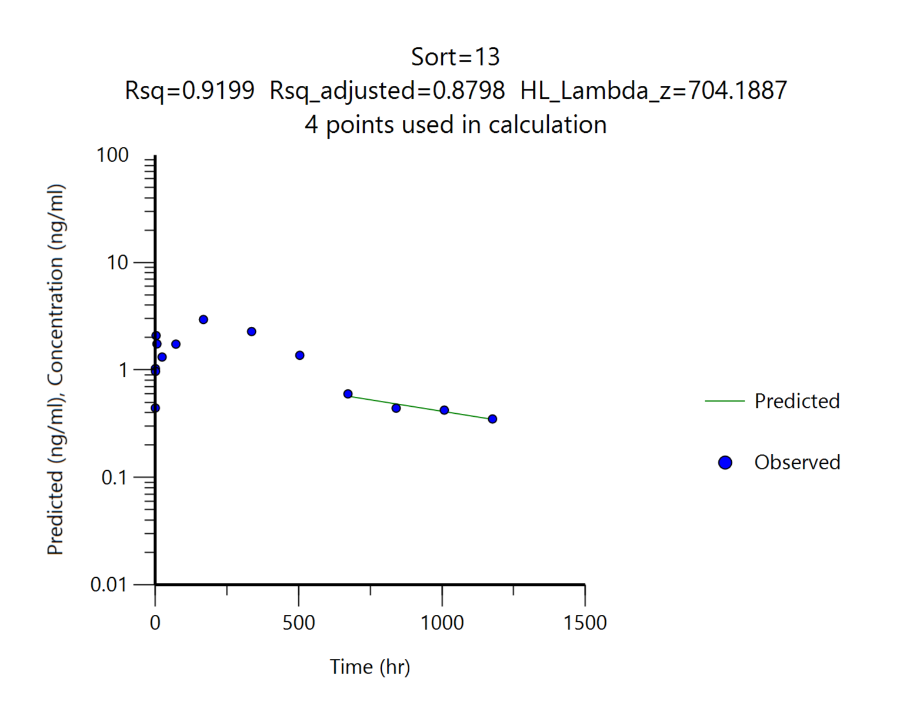
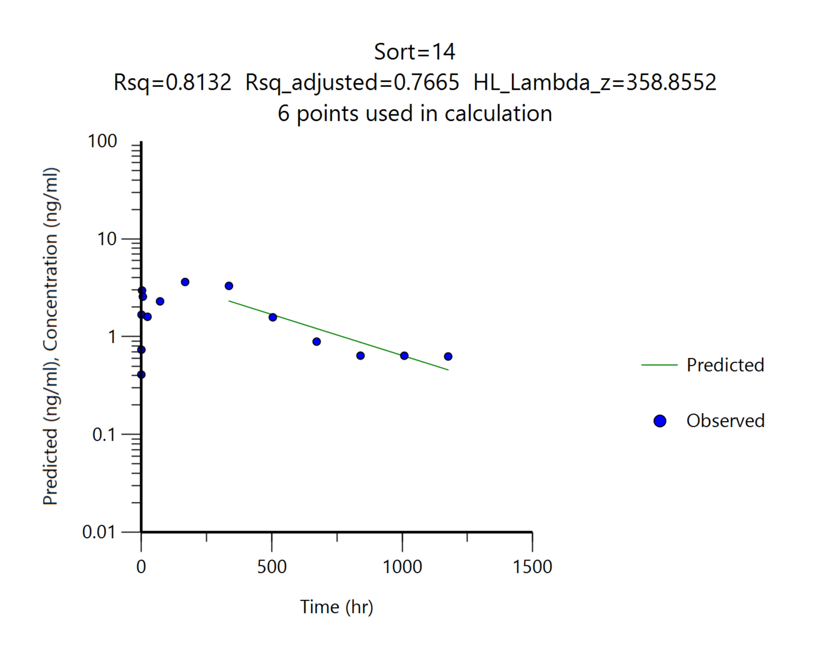
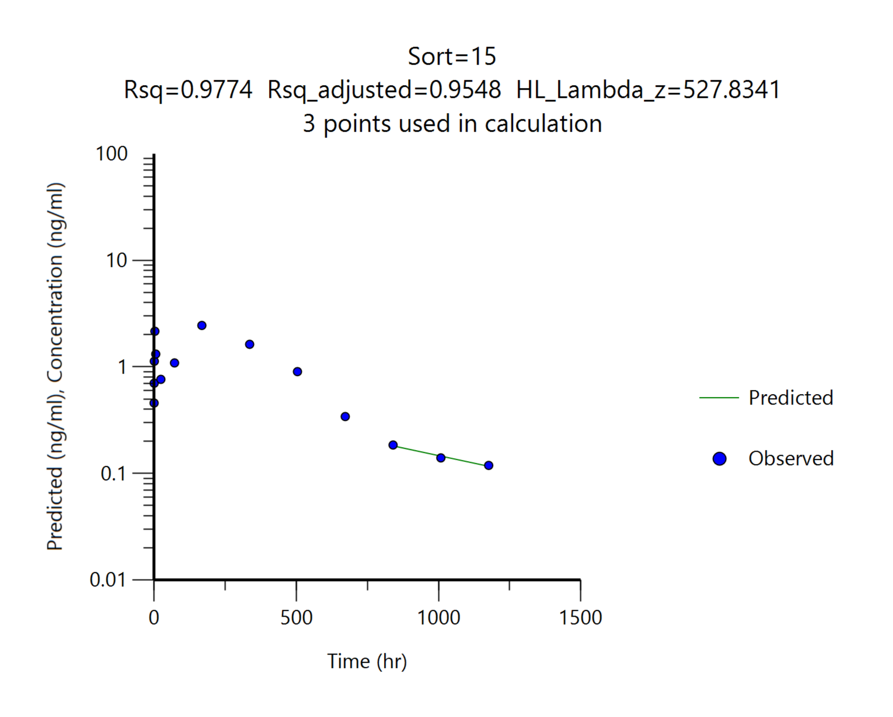
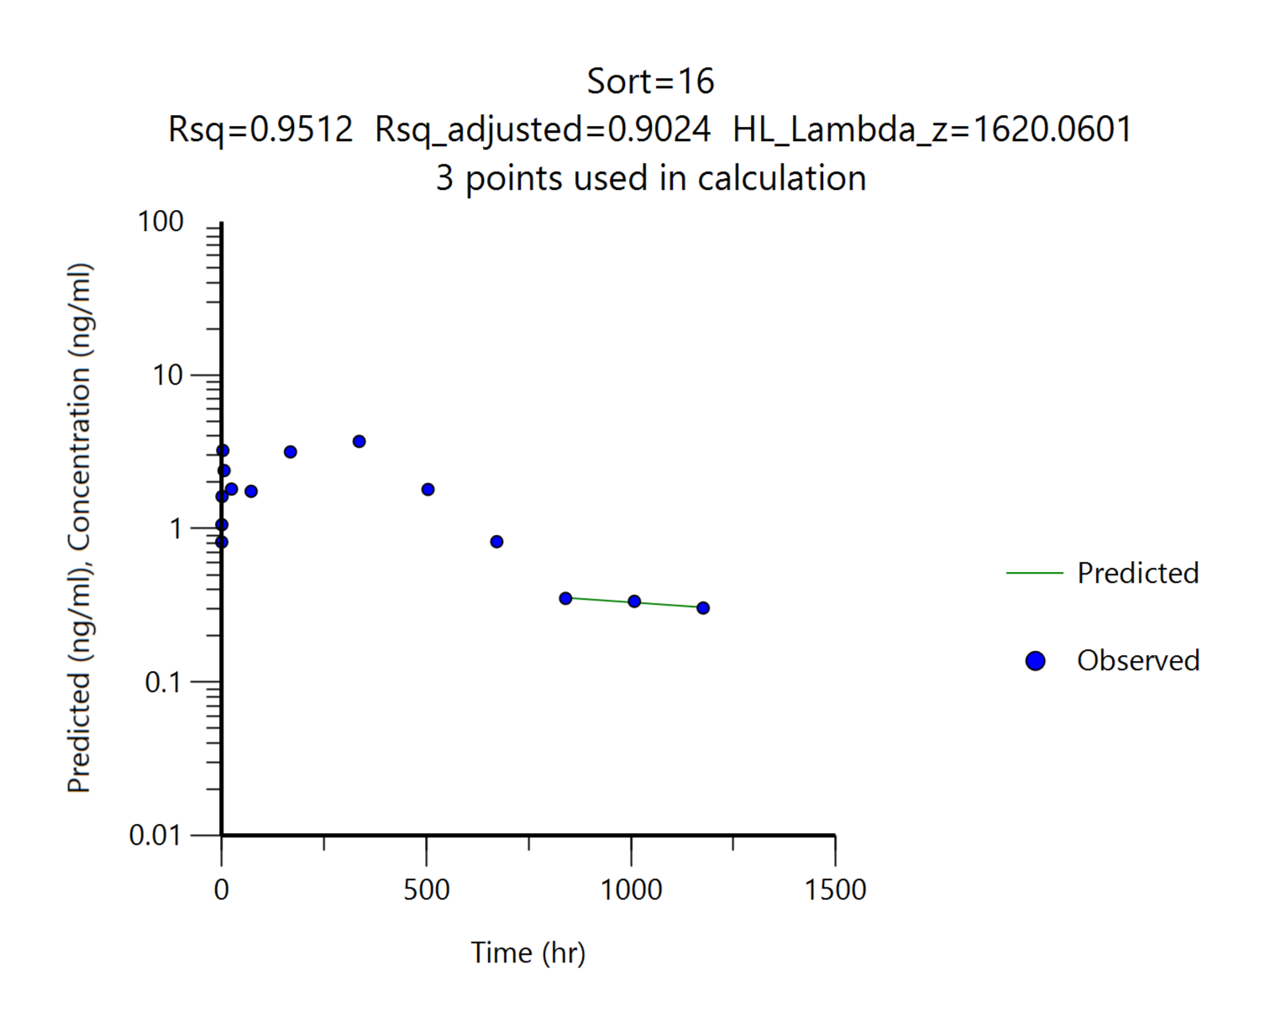
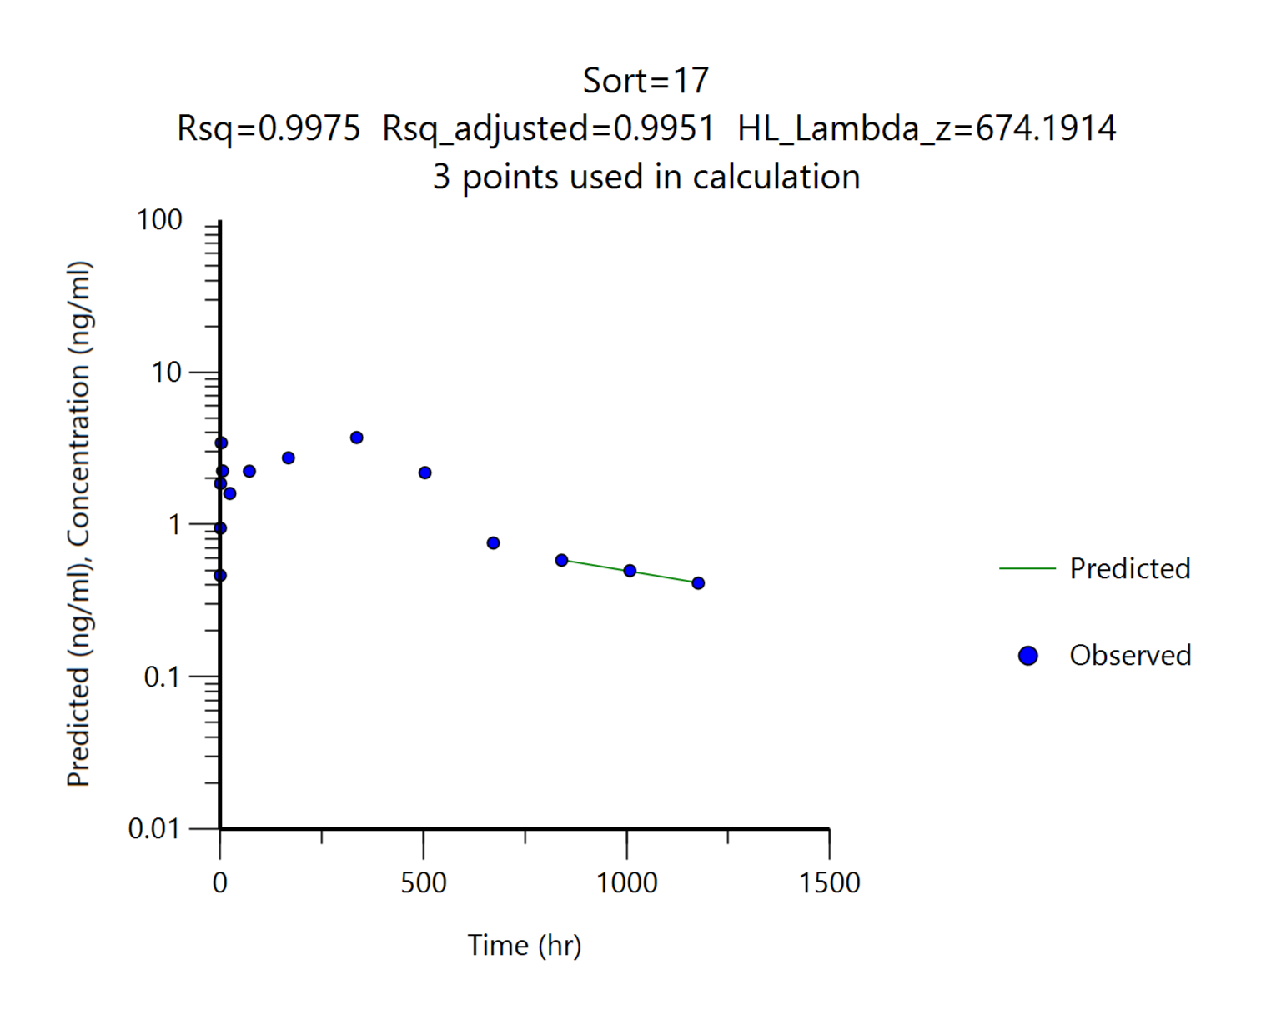
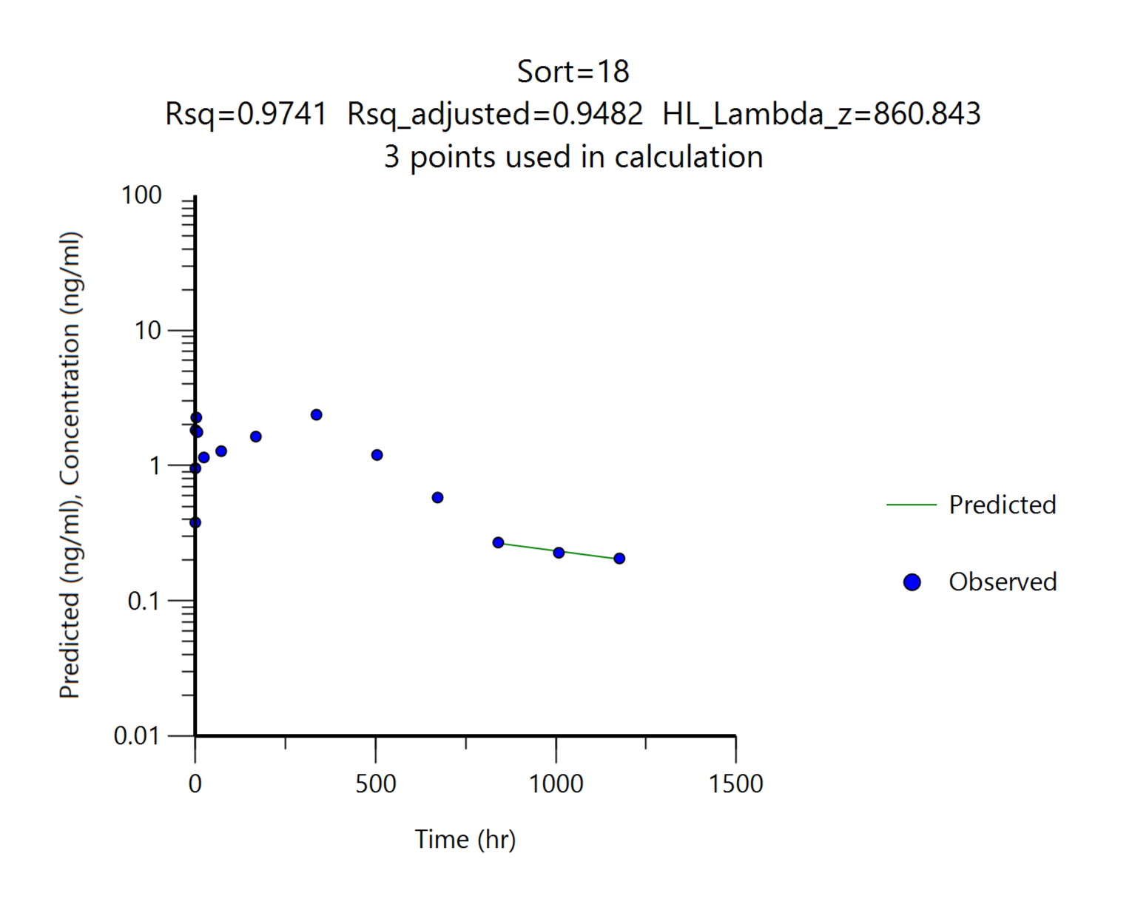
 |  | G3
 |  | DKF-MB101-76, 7.5 mg/kg
Parameters | Unit | #13 | #14 | #15 | #16 | #17 | #18 | Mean | SD
tmax | hr | 168.00 | 168.00 | 168.00 | 336.00 | 336.00 | 336.00 | 252.00 | 92.02
Cmax | ng/mL | 2.95 | 3.63 | 2.45 | 3.70 | 3.73 | 2.38 | 3.14 | 0.63
AUClast | ng*hr/mL | 1471.93 | 1973.28 | 995.74 | 1841.70 | 1948.23 | 1173.44 | 1567.39 | 418.60
AUCinf | ng*hr/mL | 1827.51 | 2298.41 | 1086.36 | 2552.22 | 2348.96 | 1429.28 | 1923.79 | 578.12
t1/2 | ng*hr/mL | 704.19 | 358.86 | 527.83 | 1620.06 | 674.19 | 860.84 | 791.00 | 440.32
Cmax/Dose | (ng/mL)/(mg/kg) | 0.39 | 0.48 | 0.33 | 0.49 | 0.50 | 0.32 | 0.42 | 0.08
AUClast/Dose | (ng*hr/mL)/(mg/kg) | 196.26 | 263.10 | 132.77 | 245.56 | 259.76 | 156.46 | 208.98 | 55.81
AUClast/Dose | (ng*hr/mL)/(mg/kg) | 243.67 | 306.45 | 144.85 | 340.30 | 313.19 | 190.57 | 256.51 | 77.08
혈중농도 패턴을 참고하여 외삽의 영향이 크게 나타난 경우 ( 기준: %AUC_{extrapol} > 15% ) t1/2와 AUCinf를 붉은색으로 표기했습니다.

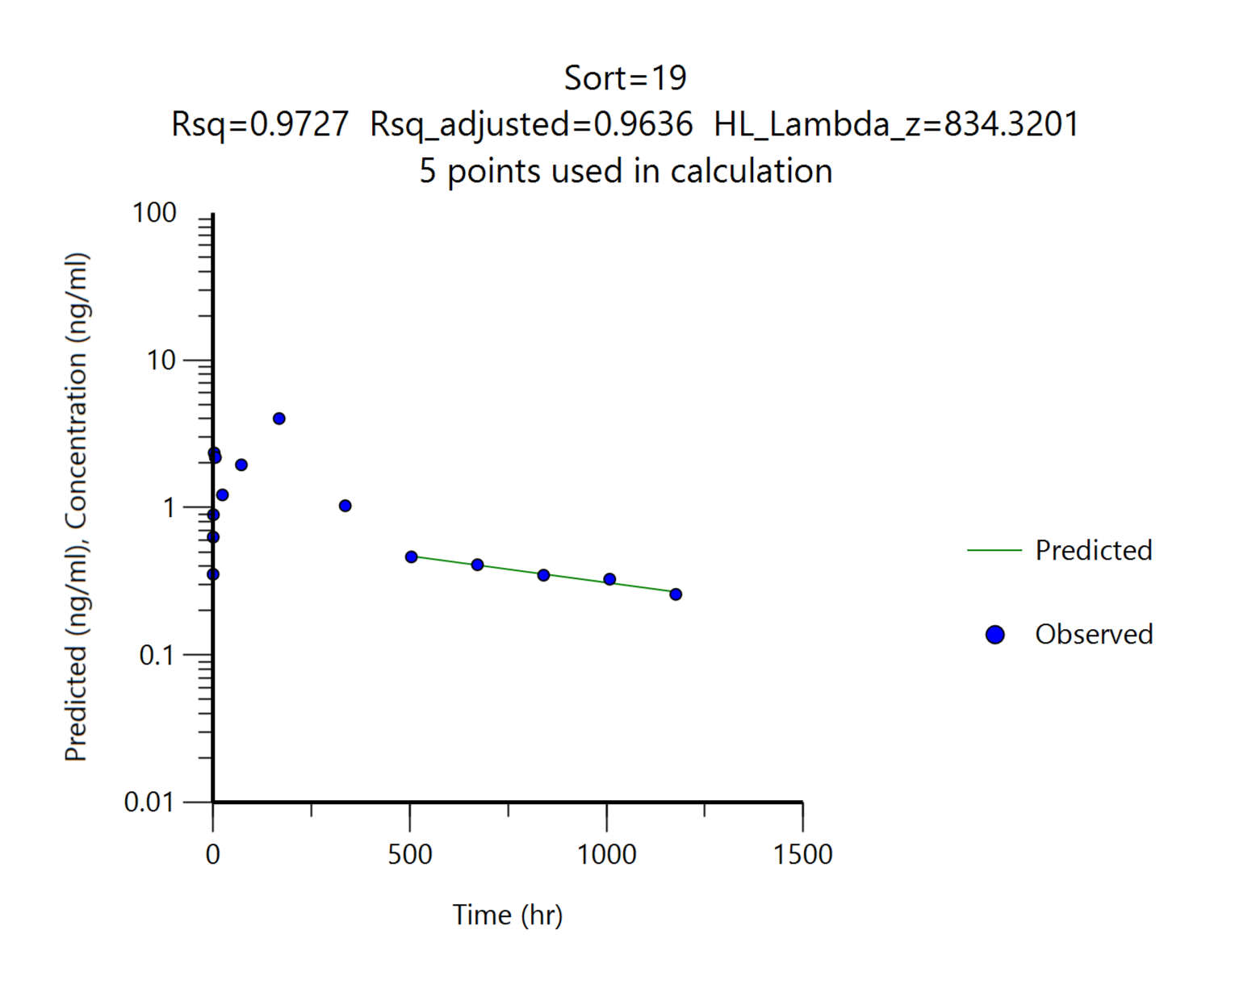

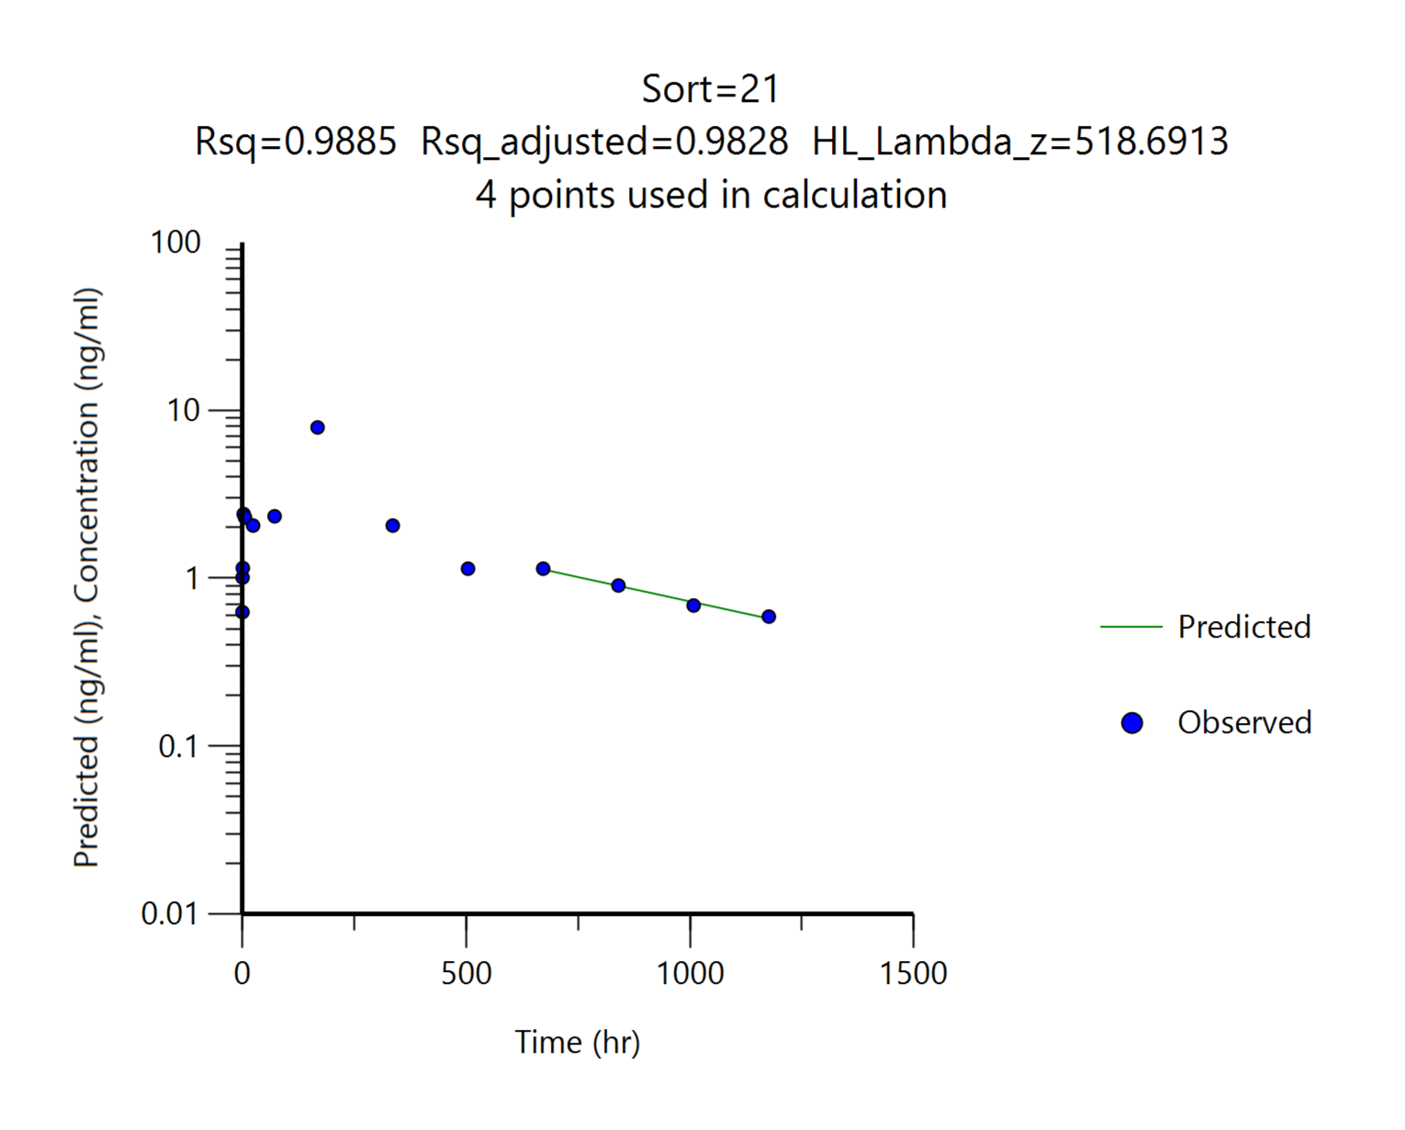
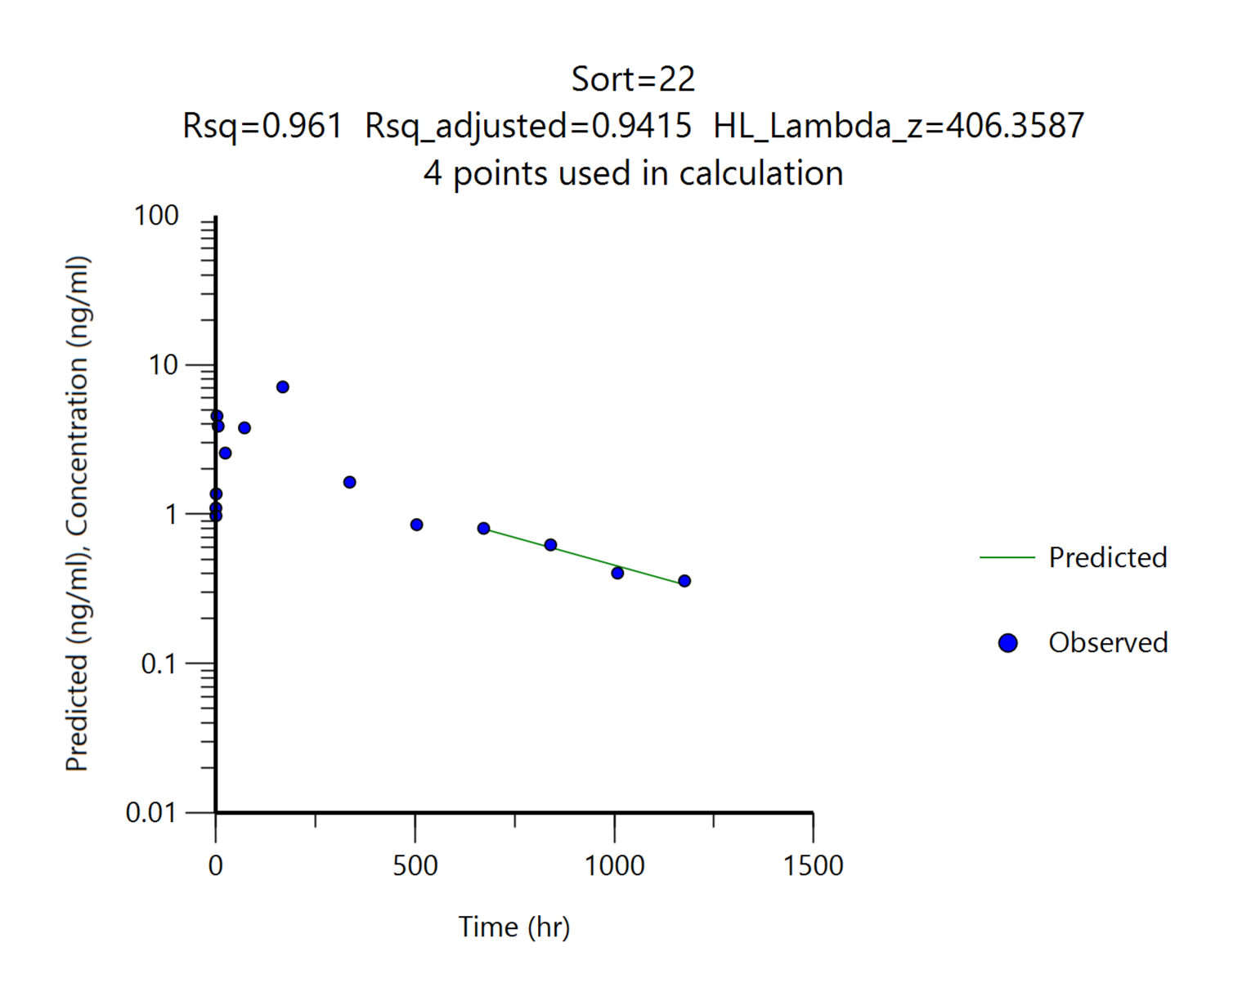
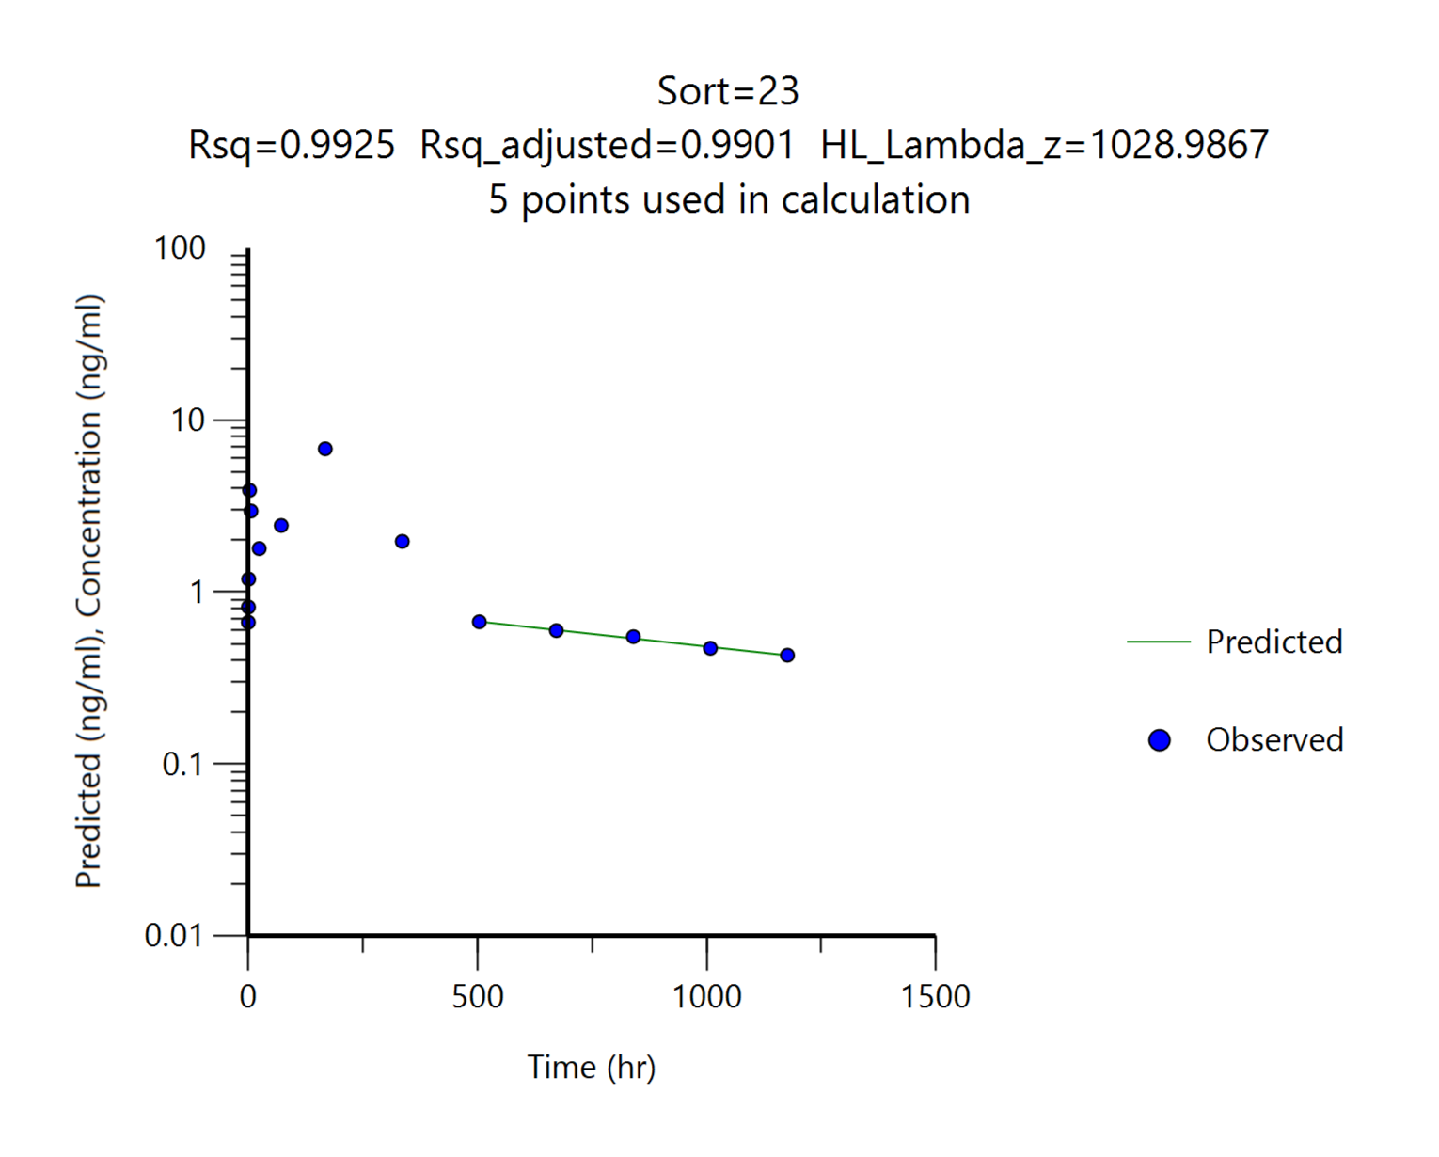
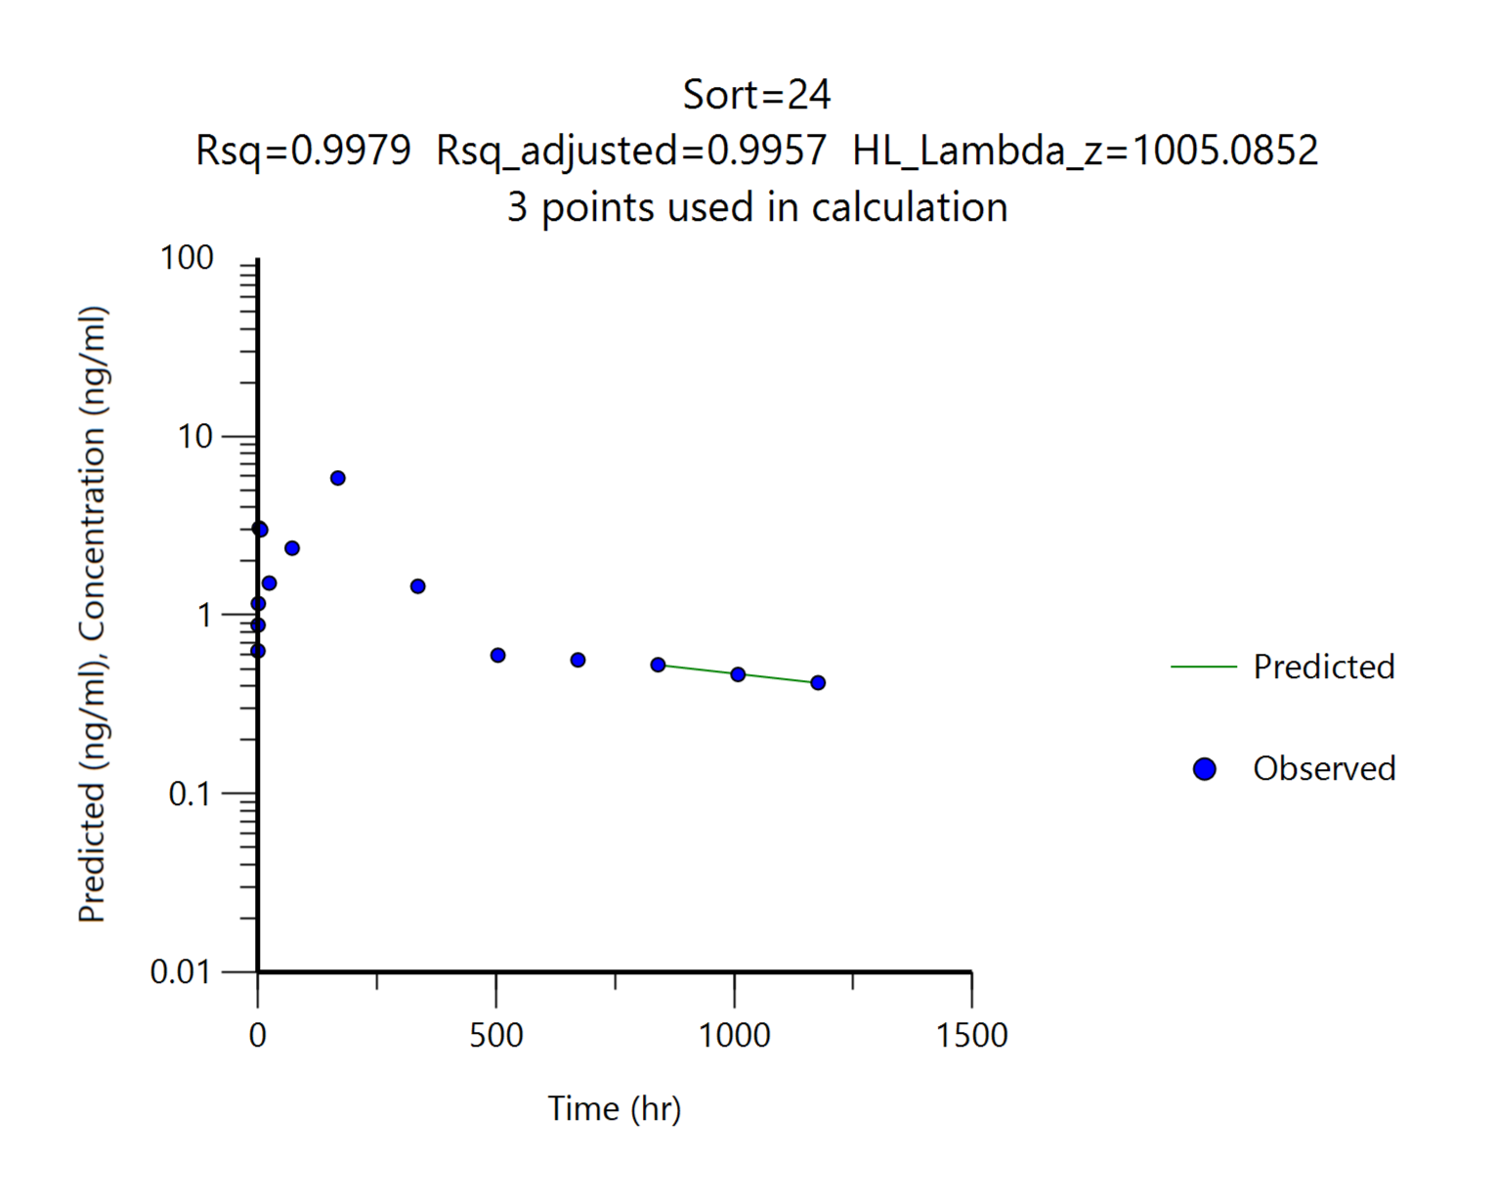
 |  | G4
 |  | DKF-MB101-79, 7.5 mg/kg
Parameters | Unit | #19 | #20 | #21 | #22 | #23 | #24 | Mean | SD
tmax | hr | 168.00 | 168.00 | 168.00 | 168.00 | 168.00 | 168.00 | 168.00 | 0.00
Cmax | ng/mL | 4.02 | 5.23 | 7.91 | 7.12 | 6.81 | 5.85 | 6.16 | 1.41
AUClast | ng*hr/mL | 1196.39 | 1391.08 | 2359.12 | 2108.78 | 1928.03 | 1673.53 | 1776.15 | 440.11
AUCinf | ng*hr/mL | 1506.94 | 1559.31 | 2801.37 | 2318.65 | 2564.89 | 2279.64 | 2171.80 | 529.39
t1/2 | ng*hr/mL | 834.32 | 566.04 | 518.69 | 406.36 | 1028.99 | 1005.09 | 726.58 | 265.39
Cmax/Dose | (ng/mL)/(mg/kg) | 0.54 | 0.70 | 1.05 | 0.95 | 0.91 | 0.78 | 0.82 | 0.19
AUClast/Dose | (ng*hr/mL)/(mg/kg) | 159.52 | 185.48 | 314.55 | 281.17 | 257.07 | 223.14 | 236.82 | 58.68
AUClast/Dose | (ng*hr/mL)/(mg/kg) | 200.92 | 207.91 | 373.52 | 309.15 | 341.99 | 303.95 | 289.57 | 70.59

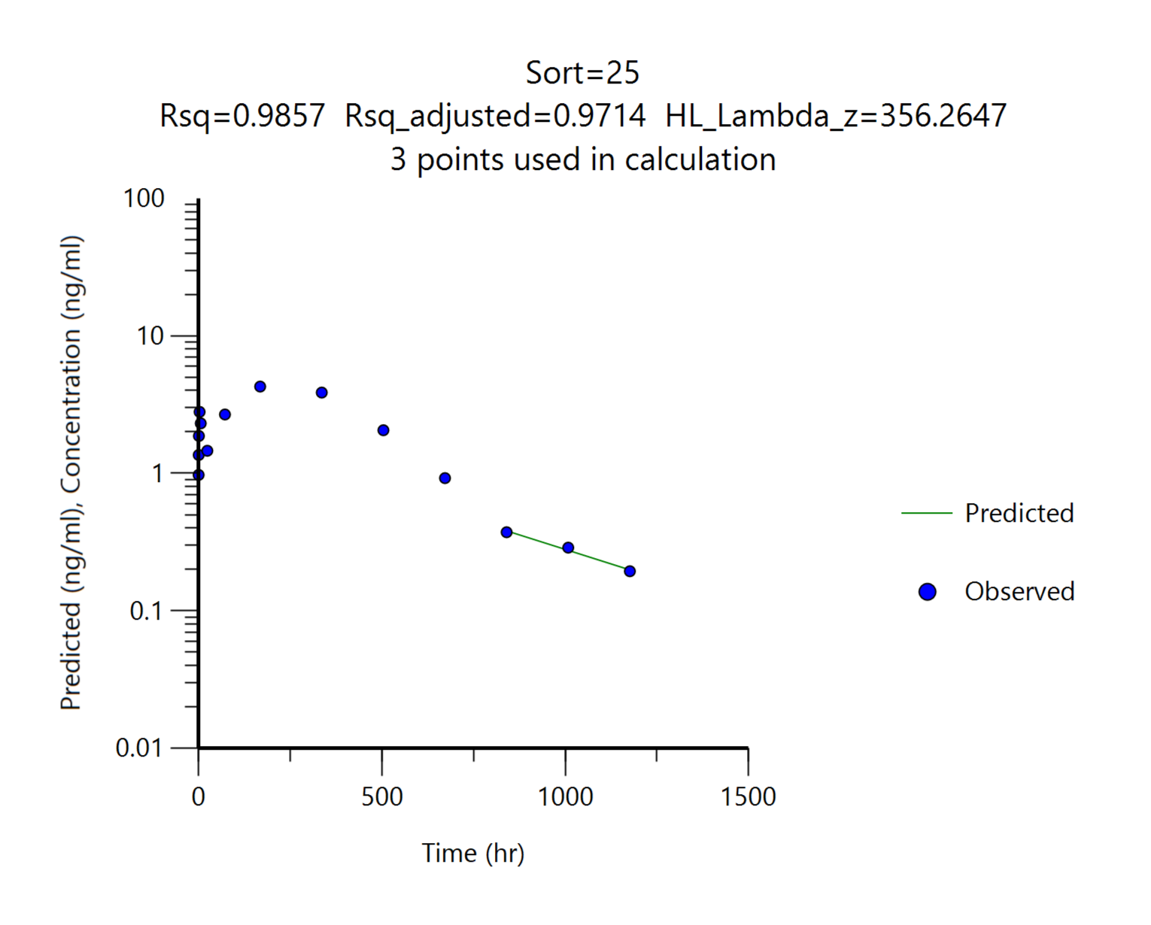

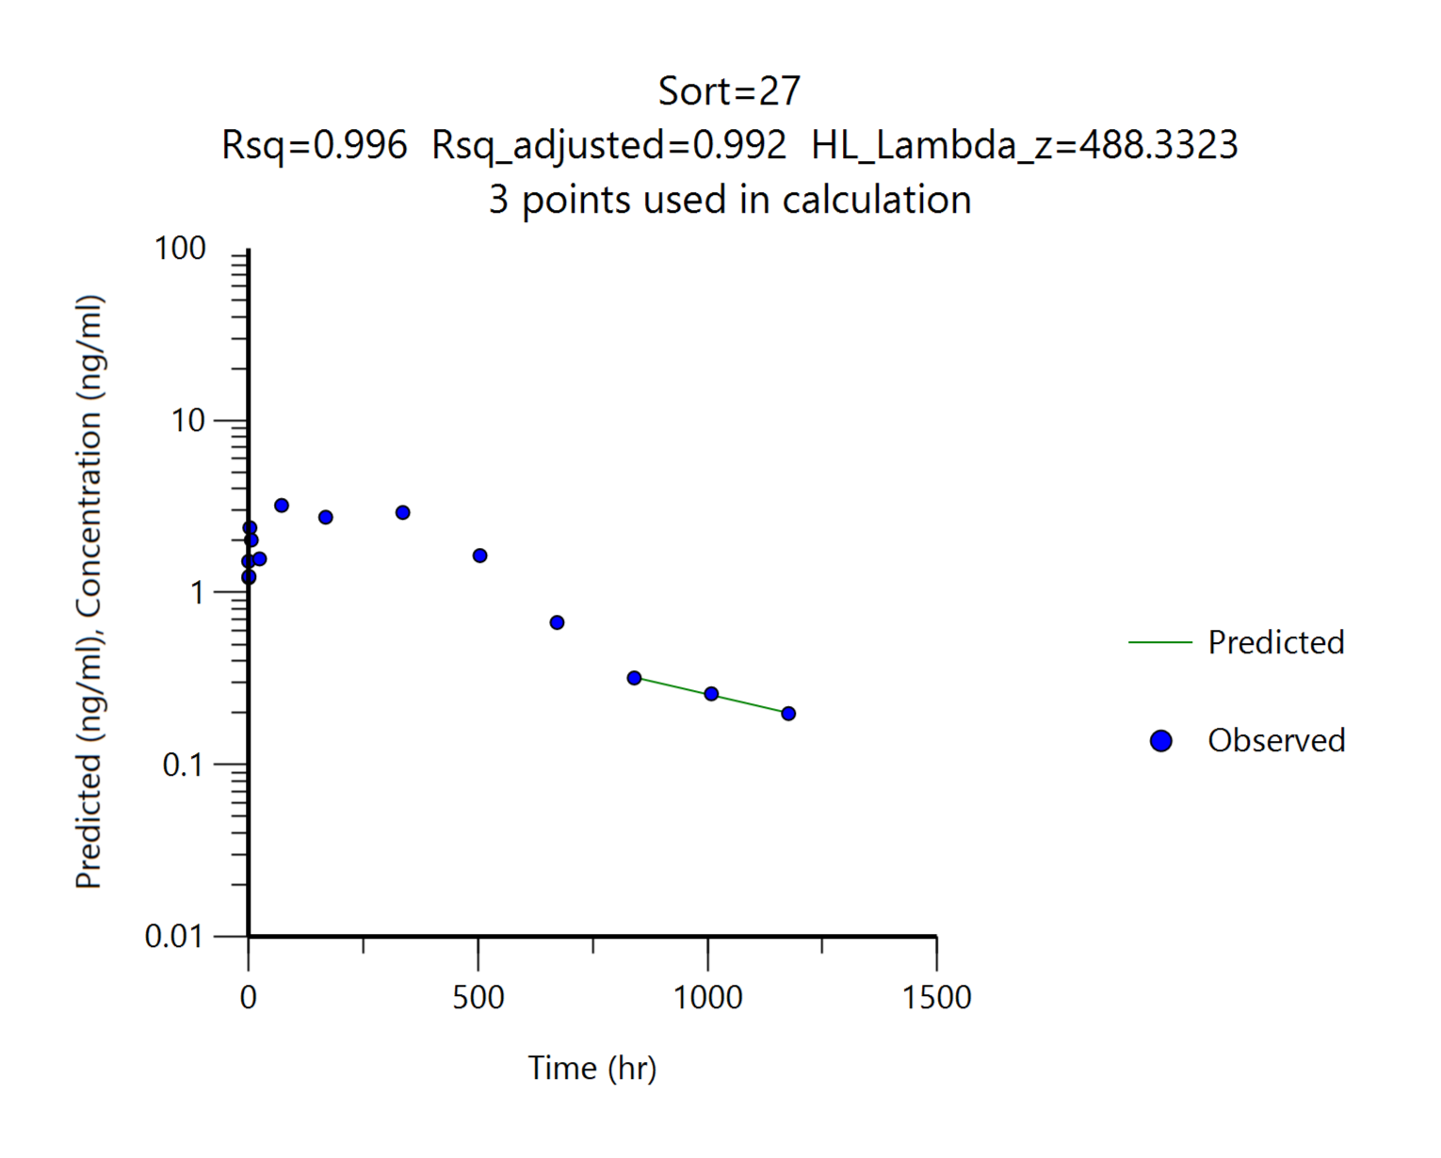
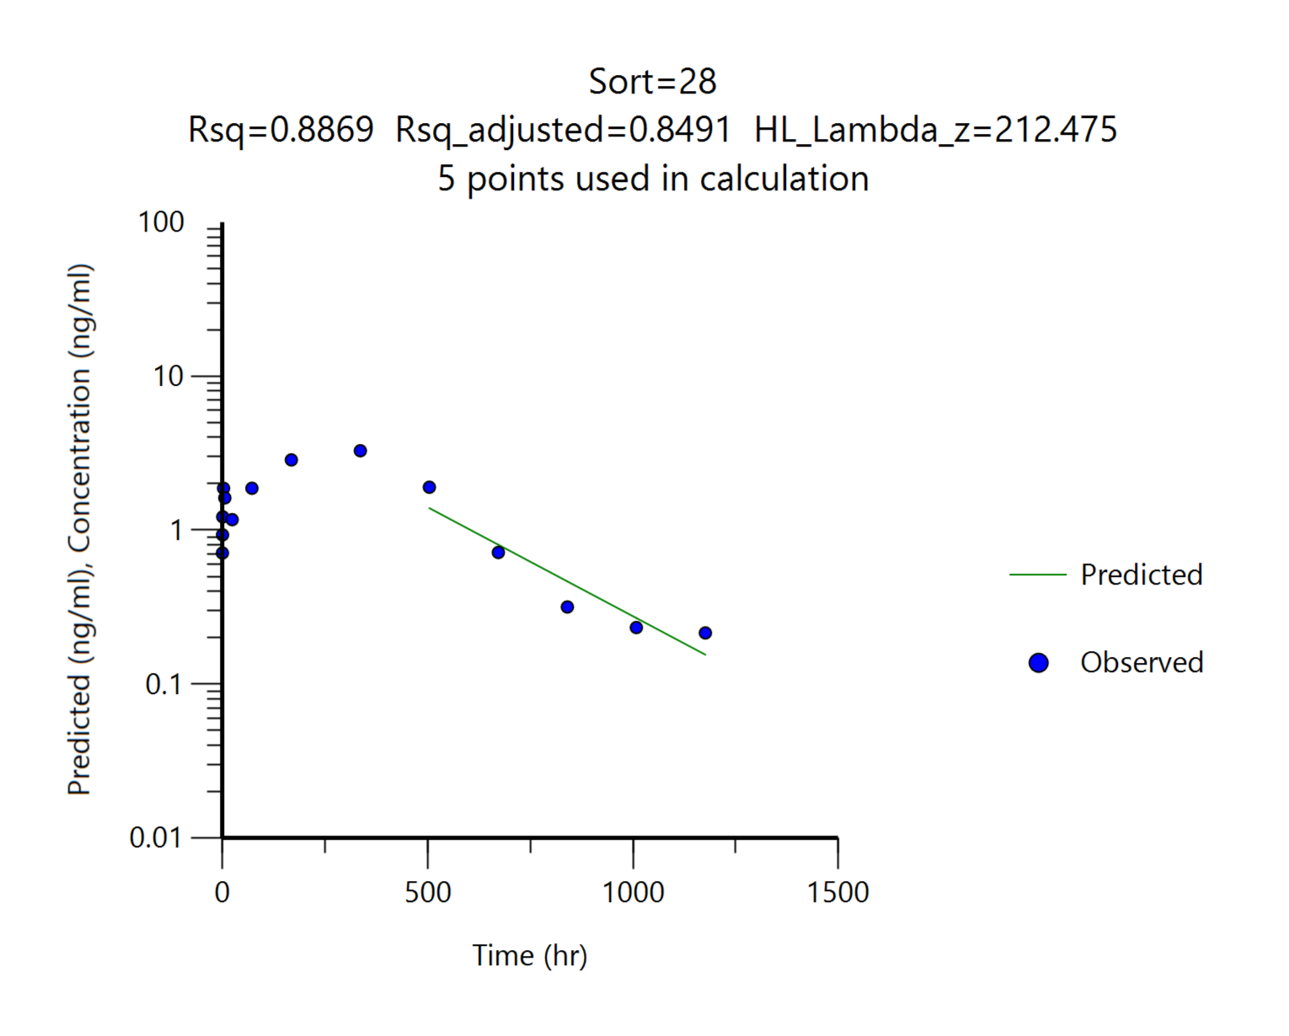


 |  | G5
 |  | DKF-MB101-77, 7.5 mg/kg
Parameters | Unit | #25 | #26 | #27 | #28 | #29 | #30 | Mean | SD
tmax | hr | 168.00 | 336.00 | 72.00 | 336.00 | 336.00 | 336.00 | 264.00 | 115.60
Cmax | ng/mL | 4.28 | 4.17 | 3.21 | 3.28 | 4.22 | 6.21 | 4.23 | 1.08
AUClast | ng*hr/mL | 2119.09 | 2167.12 | 1666.37 | 1675.50 | 1998.25 | 2651.30 | 2046.27 | 366.08
AUCinf | ng*hr/mL | 2218.81 | 2362.38 | 1805.86 | 1741.40 | 2167.30 | 2803.43 | 2183.20 | 388.81
t1/2 | ng*hr/mL | 356.26 | 559.28 | 488.33 | 212.48 | 574.40 | 435.72 | 437.74 | 136.67
Cmax/Dose | (ng/mL)/(mg/kg) | 0.57 | 0.56 | 0.43 | 0.44 | 0.56 | 0.83 | 0.56 | 0.14
AUClast/Dose | (ng*hr/mL)/(mg/kg) | 282.55 | 288.95 | 222.18 | 223.40 | 266.43 | 353.51 | 272.84 | 48.81
AUClast/Dose | (ng*hr/mL)/(mg/kg) | 295.84 | 314.98 | 240.78 | 232.19 | 288.97 | 373.79 | 291.09 | 51.84
혈중농도 패턴을 참고하여 외삽의 영향이 크게 나타난 경우 ( 기준: %AUC_{extrapol} > 15% ) t1/2와 AUCinf를 붉은색으로 표기했습니다.

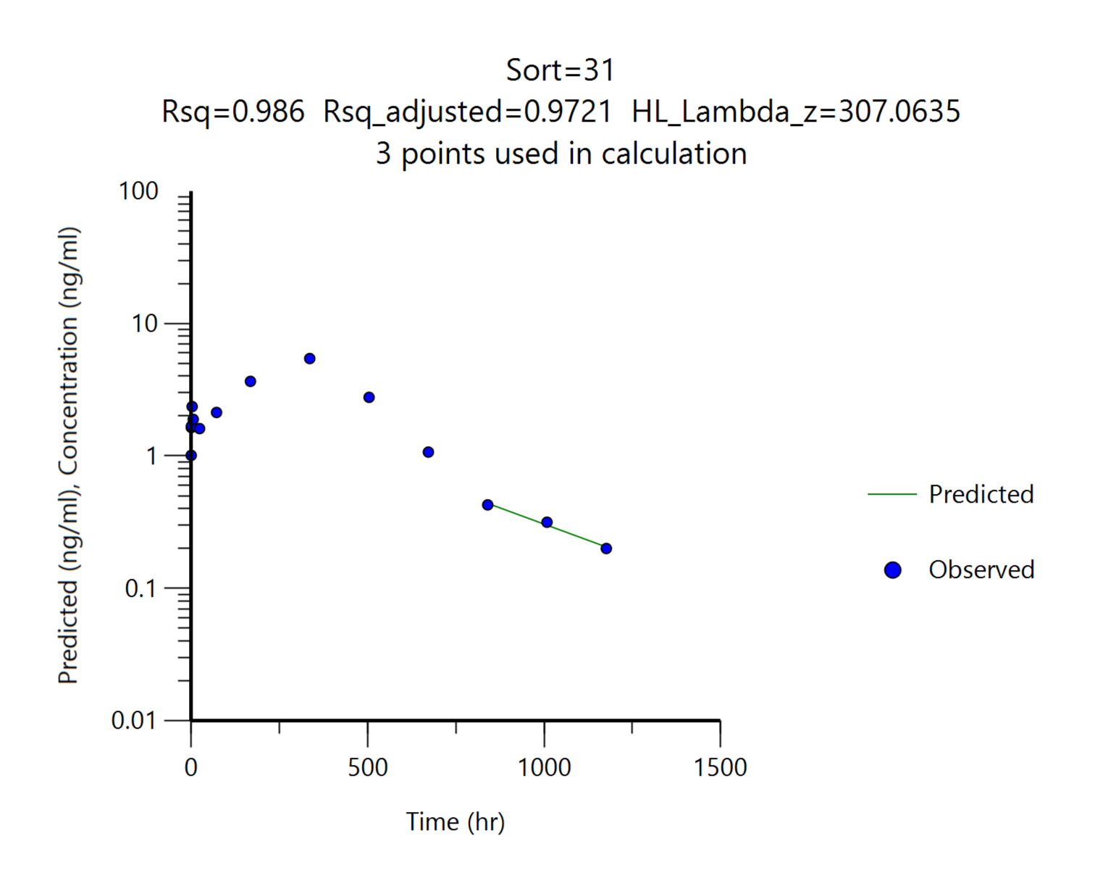





 |  | G6
 |  | DKF-MB101-78_7.5, 7.5 mg/kg
Parameters | Unit | #31 | #32 | #33 | #34 | #35 | #36 | Mean | SD
tmax | hr | 336.00 | 336.00 | 336.00 | 336.00 | 336.00 | 336.00 | 336.00 | 0.00
Cmax | ng/mL | 5.44 | 3.36 | 4.43 | 4.28 | 3.74 | 4.12 | 4.23 | 0.71
AUClast | ng*hr/mL | 2418.99 | 1576.46 | 2028.59 | 1947.74 | 1970.63 | 2039.35 | 1996.96 | 268.64
AUCinf | ng*hr/mL | 2507.59 | 1644.14 | 2098.22 | 2375.08 | 2105.85 | 2386.47 | 2186.22 | 312.12
t1/2 | ng*hr/mL | 307.06 | 217.17 | 196.19 | 1050.39 | 256.08 | 636.52 | 443.90 | 338.14
Cmax/Dose | (ng/mL)/(mg/kg) | 0.73 | 0.45 | 0.59 | 0.57 | 0.50 | 0.55 | 0.56 | 0.09
AUClast/Dose | (ng*hr/mL)/(mg/kg) | 322.53 | 210.19 | 270.48 | 259.70 | 262.75 | 271.91 | 266.26 | 35.82
AUClast/Dose | (ng*hr/mL)/(mg/kg) | 334.34 | 219.22 | 279.76 | 316.68 | 280.78 | 318.20 | 291.50 | 41.62
혈중농도 패턴을 참고하여 외삽의 영향이 크게 나타난 경우 ( 기준: %AUC_{extrapol} > 15% ) t1/2와 AUCinf를 붉은색으로 표기했습니다.

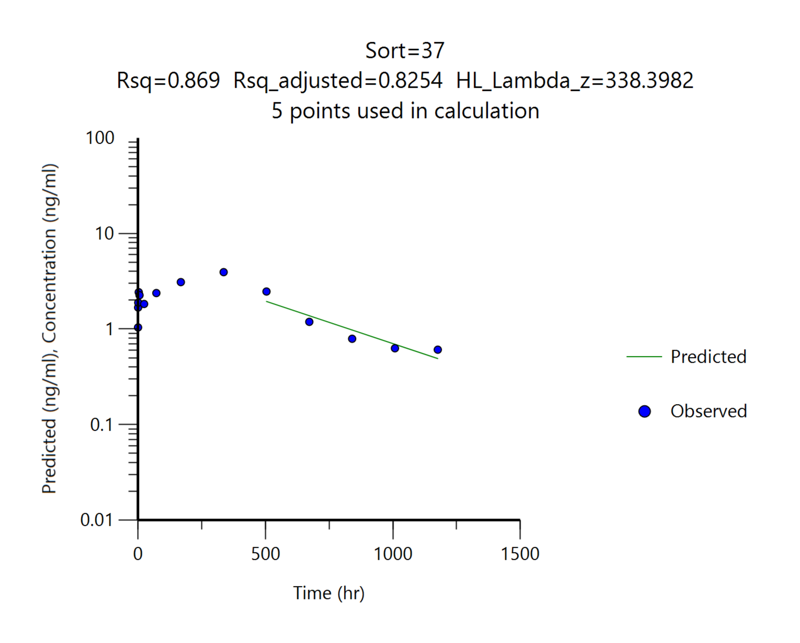
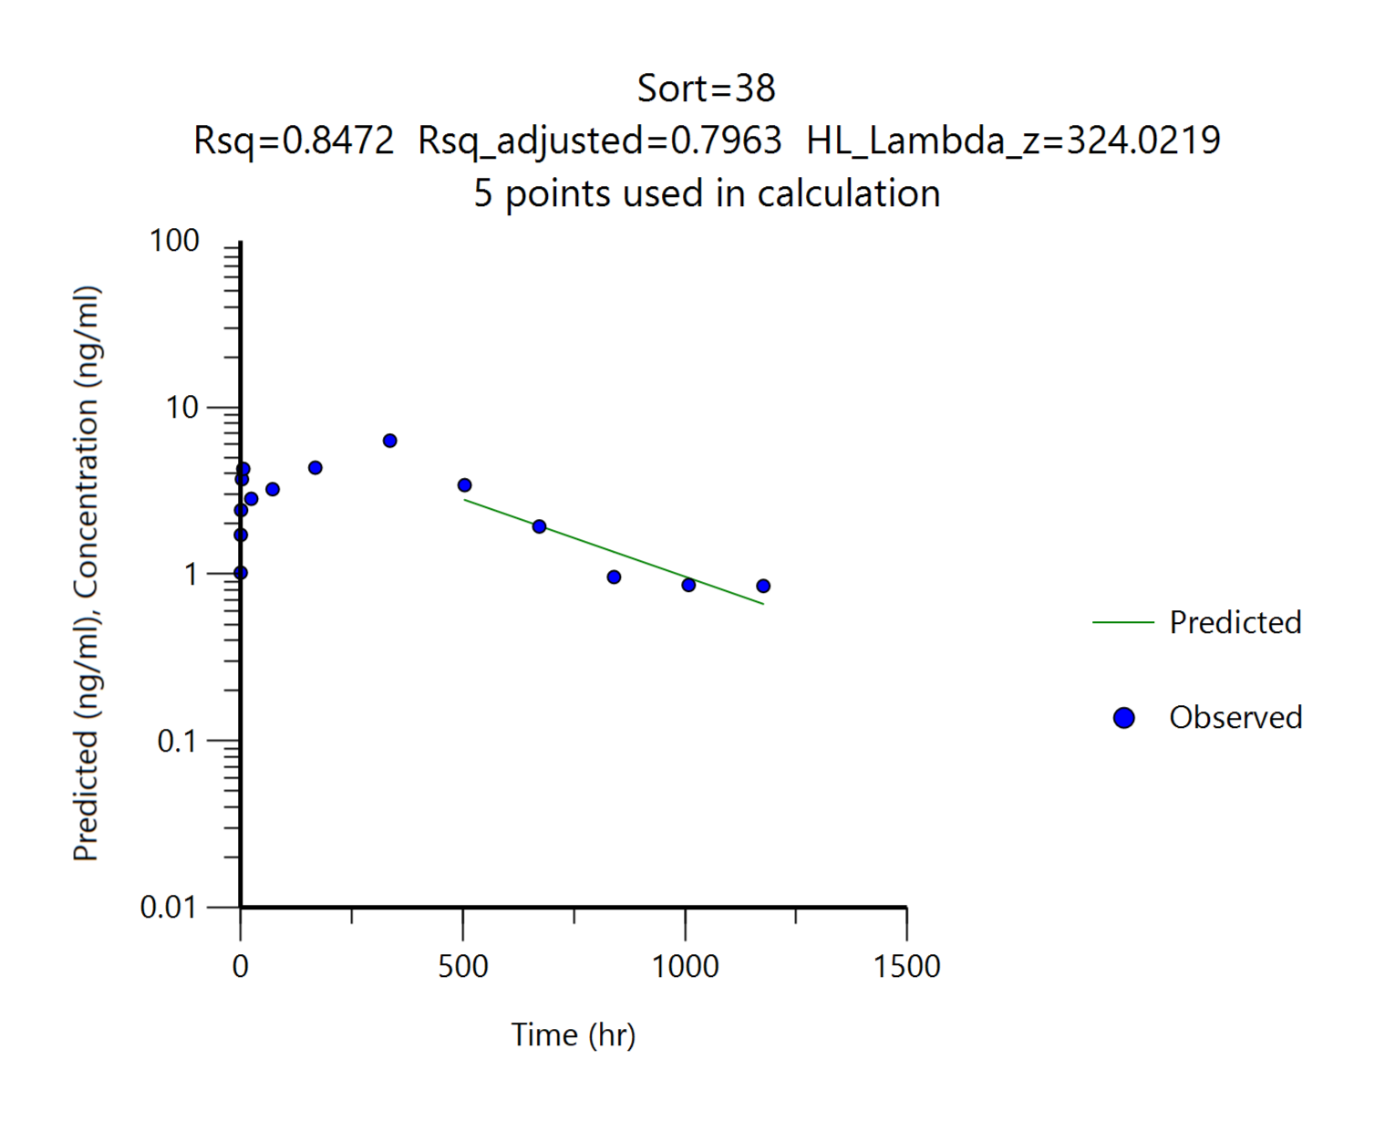
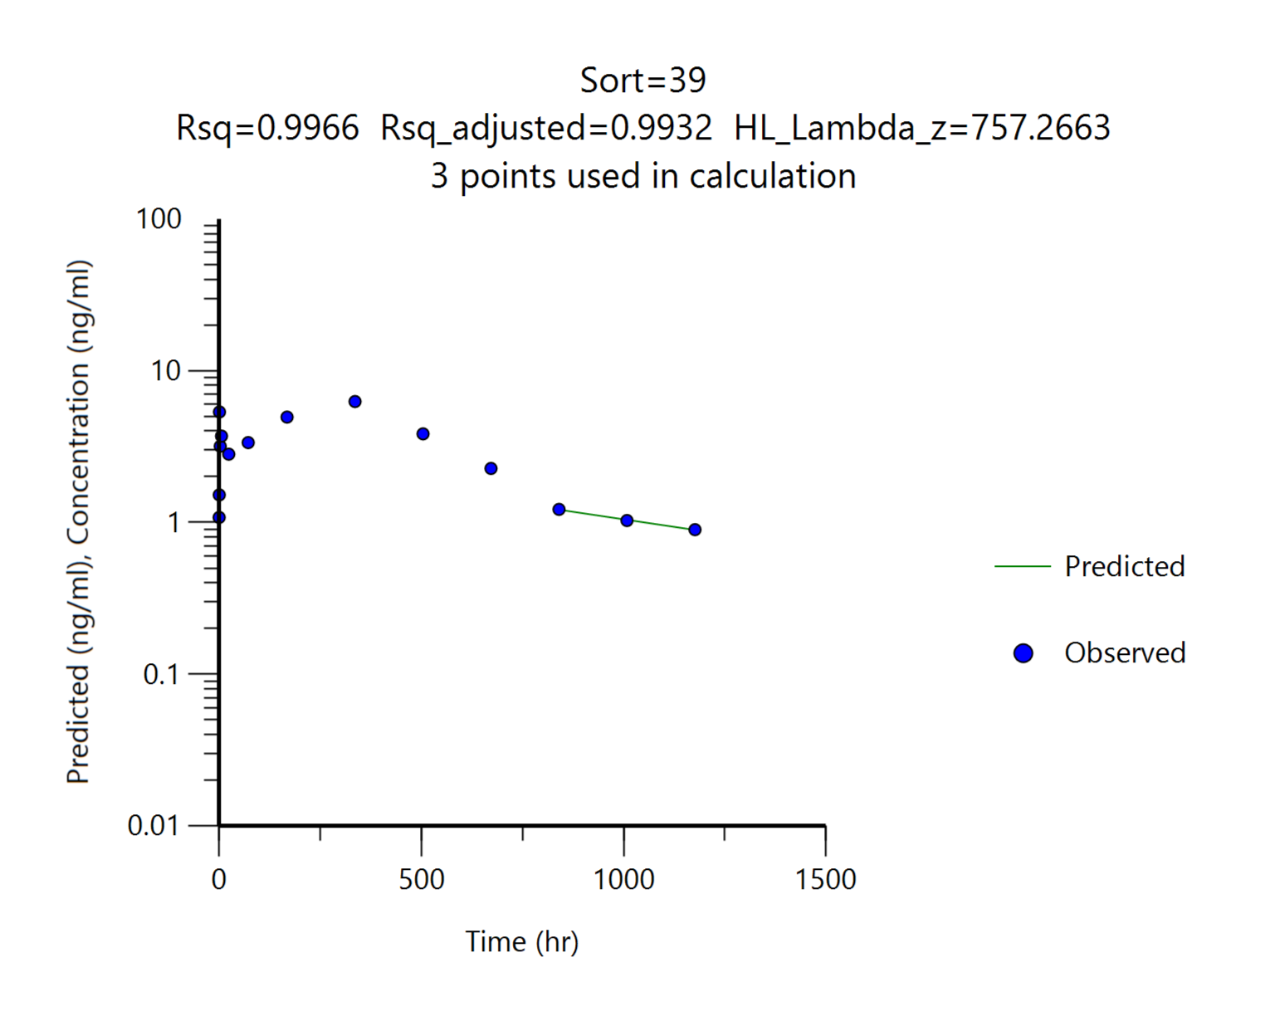
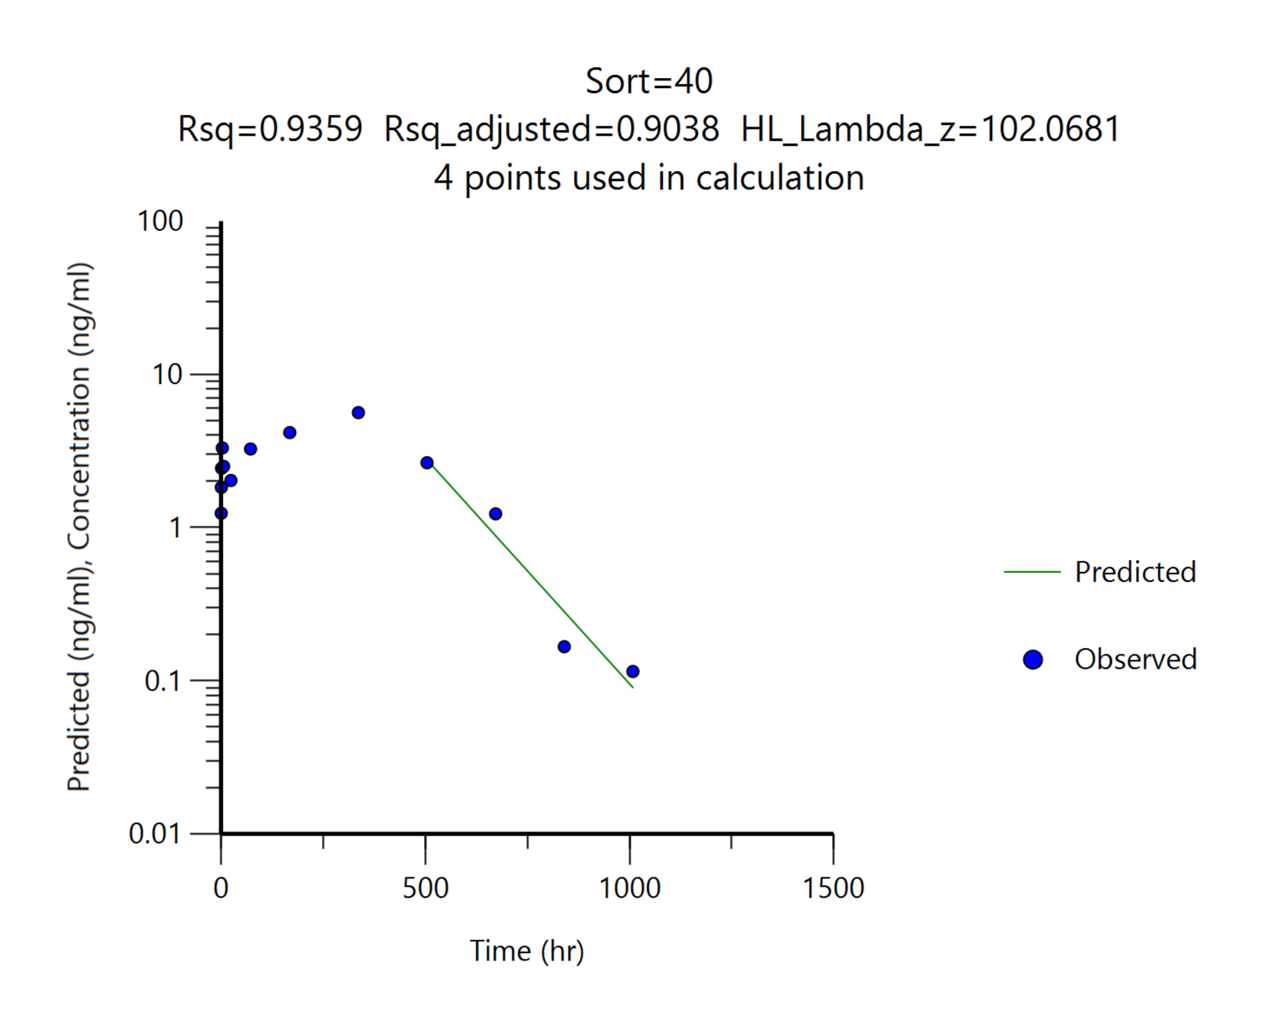
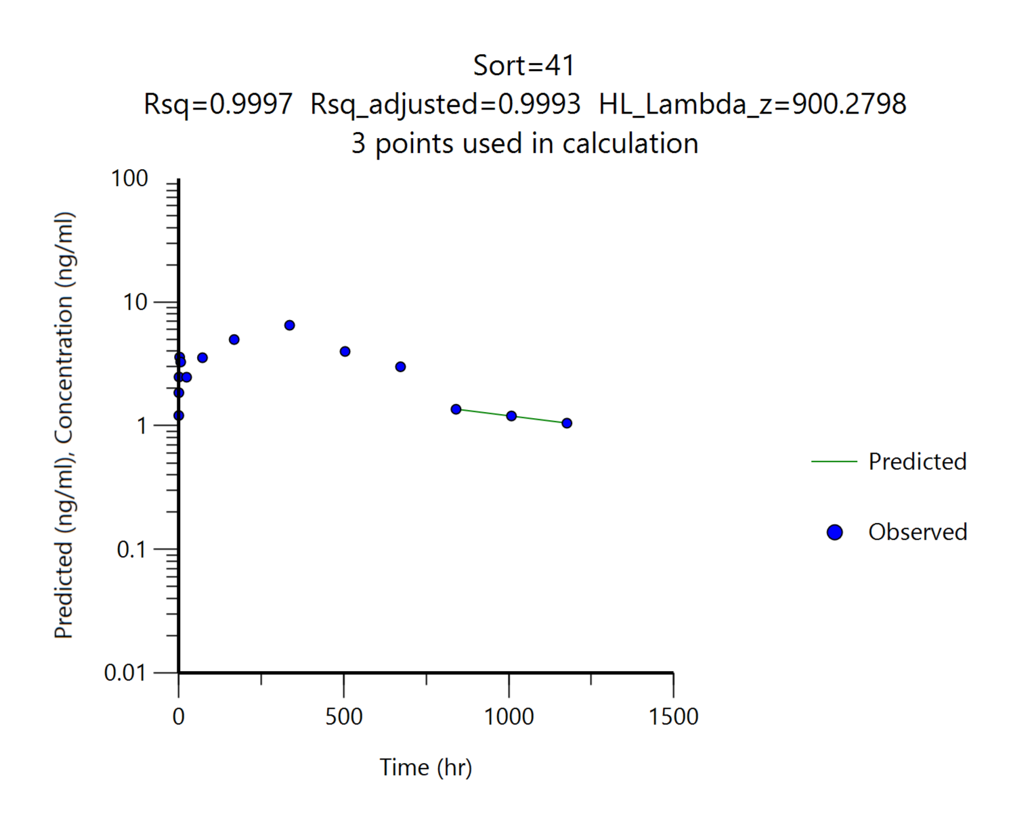
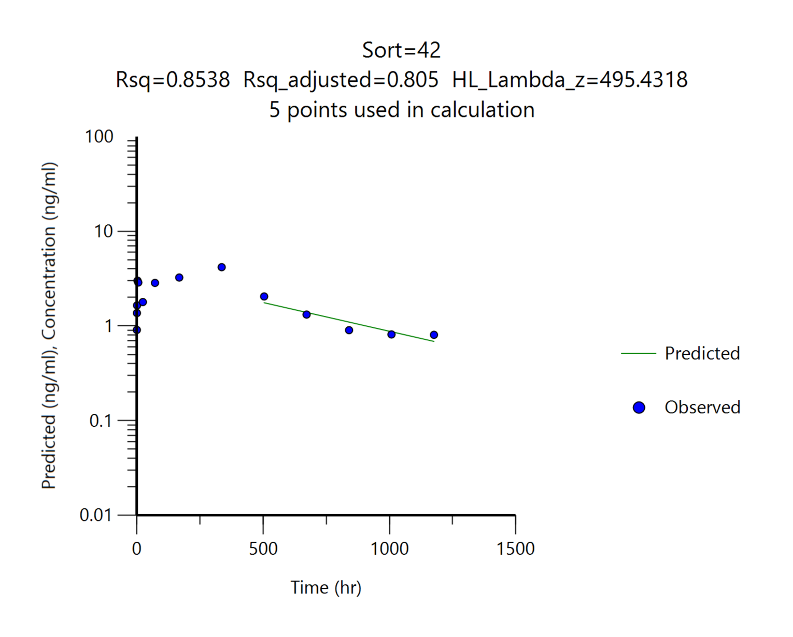
 |  | G7
 |  | DKF-MB101-78_15, 15 mg/kg
Parameters | Unit | #37 | #38 | #39 | #40 | #41 | #42 | Mean | SD
tmax | hr | 336.00 | 336.00 | 336.00 | 336.00 | 336.00 | 336.00 | 336.00 | 0.00
Cmax | ng/mL | 3.94 | 6.32 | 6.27 | 5.63 | 6.50 | 4.18 | 5.47 | 1.14
AUClast | ng*hr/mL | 2240.44 | 3296.26 | 3576.00 | 2526.22 | 3826.58 | 2358.40 | 2970.65 | 679.80
AUCinf | ng*hr/mL | 2537.27 | 3693.14 | 4555.98 | 2543.16 | 5190.35 | 2934.49 | 3575.73 | 1107.92
t1/2 | ng*hr/mL | 338.40 | 324.02 | 757.27 | 102.07 | 900.28 | 495.43 | 486.24 | 296.89
Cmax/Dose | (ng/mL)/(mg/kg) | 0.26 | 0.42 | 0.42 | 0.38 | 0.43 | 0.28 | 0.36 | 0.08
AUClast/Dose | (ng*hr/mL)/(mg/kg) | 149.36 | 219.75 | 238.40 | 168.41 | 255.11 | 157.23 | 198.04 | 45.32
AUClast/Dose | (ng*hr/mL)/(mg/kg) | 169.15 | 246.21 | 303.73 | 169.54 | 346.02 | 195.63 | 238.38 | 73.86
혈중농도 패턴을 참고하여 외삽의 영향이 크게 나타난 경우 ( 기준: %AUC_{extrapol} > 15% ) t1/2와 AUCinf를 붉은색으로 표기했습니다.

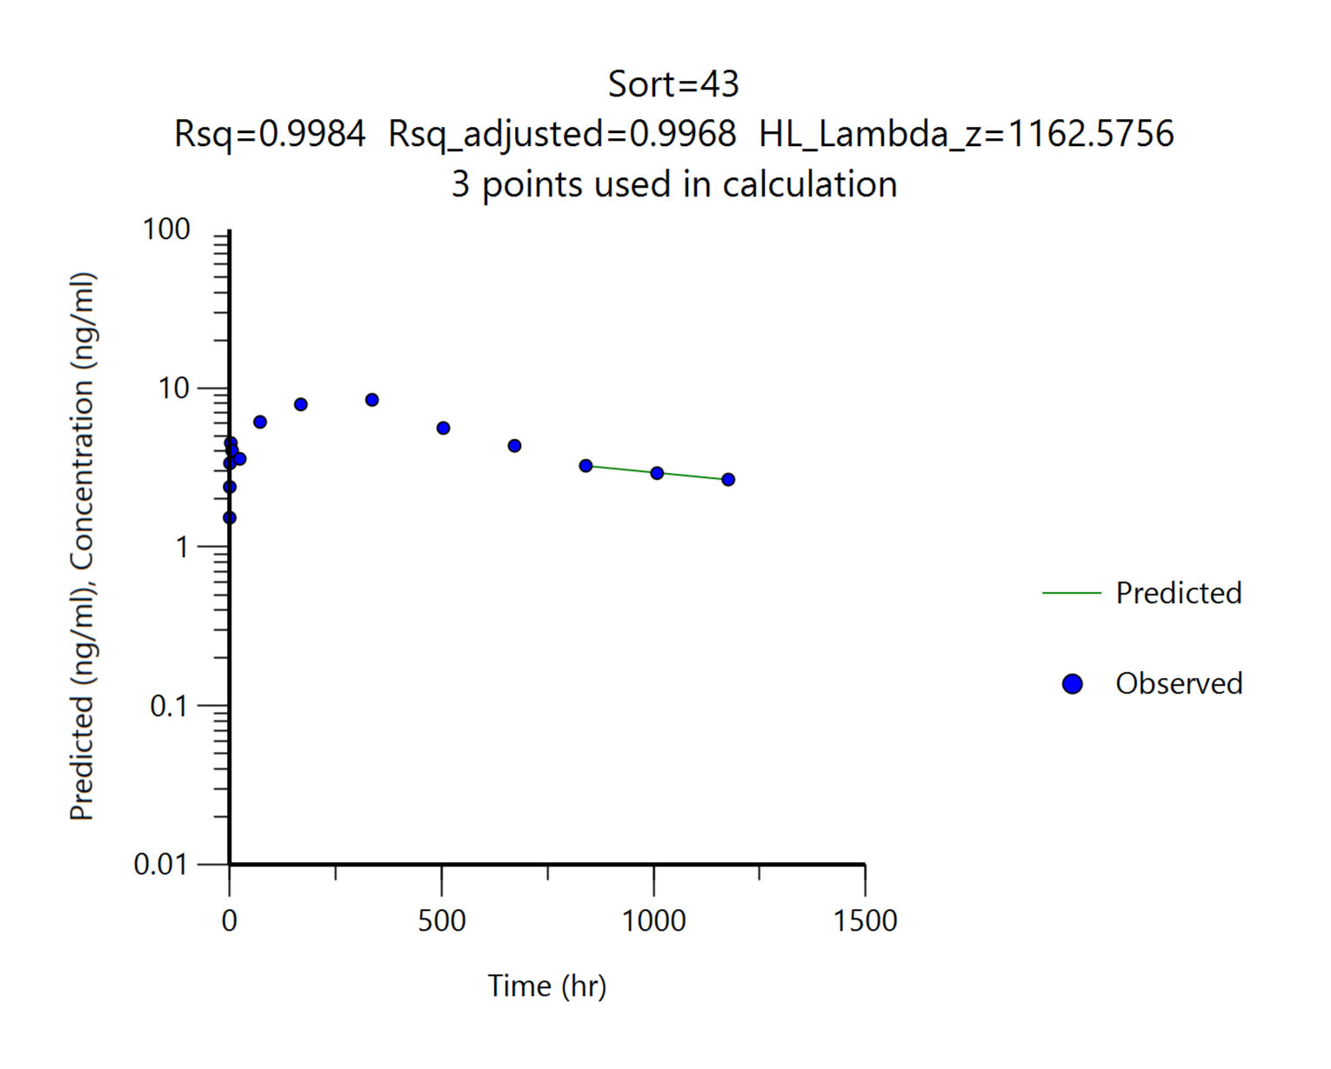
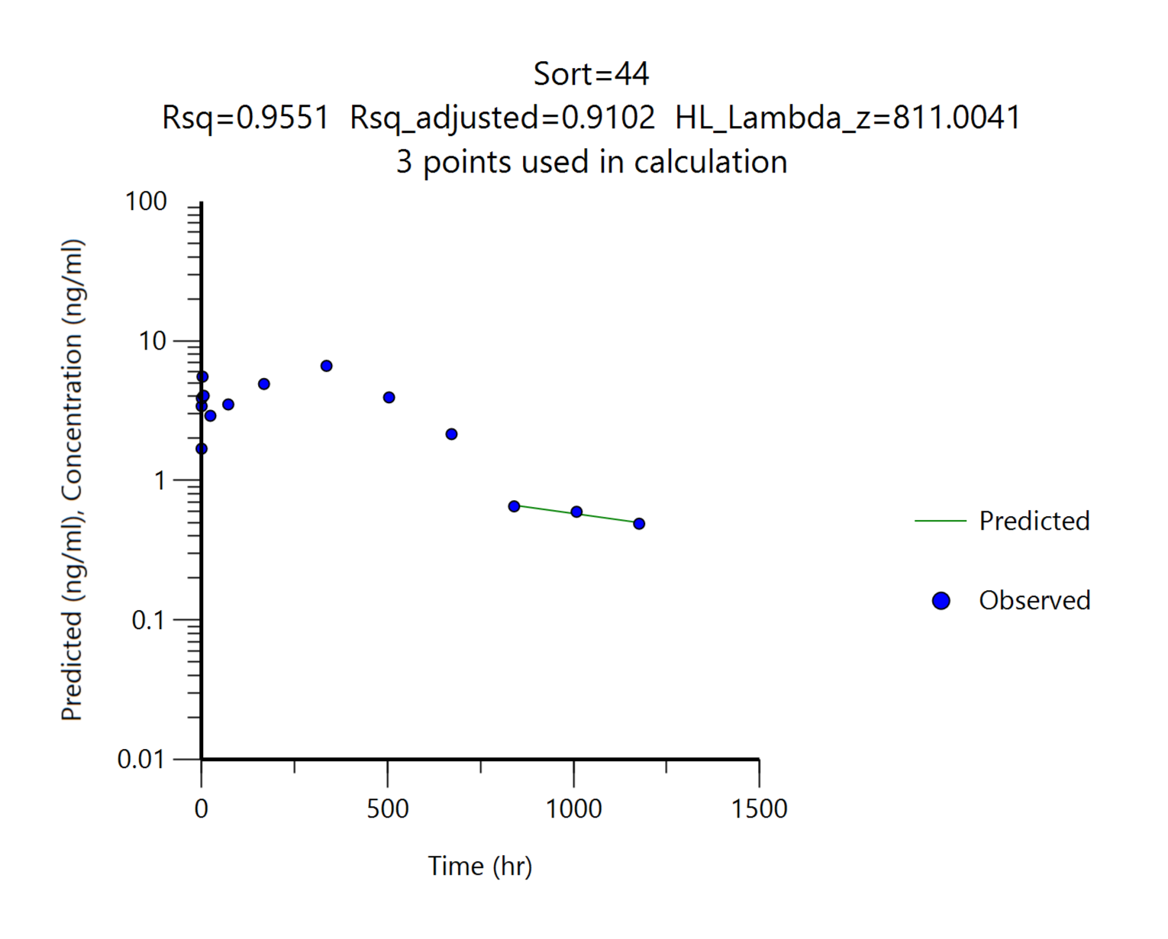
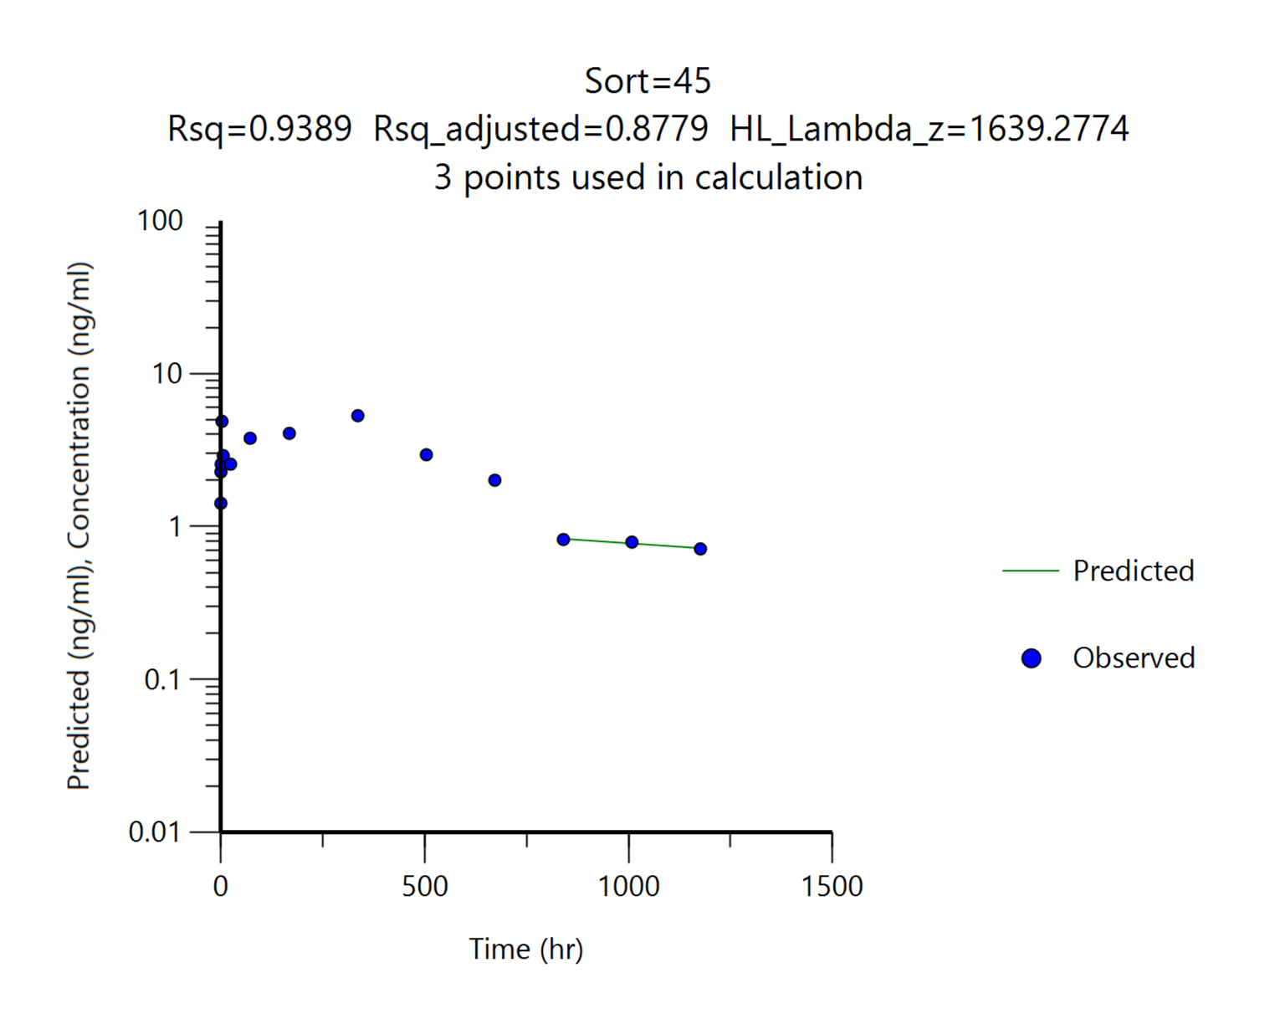
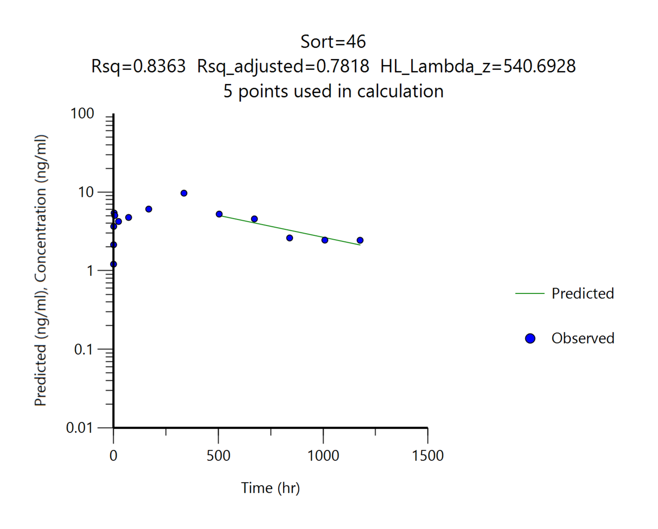
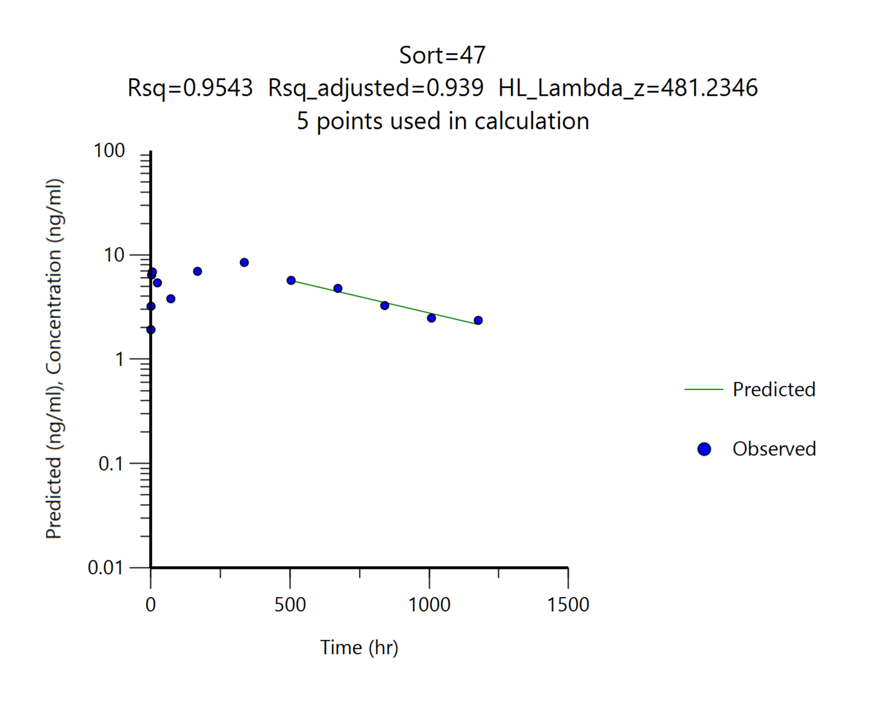
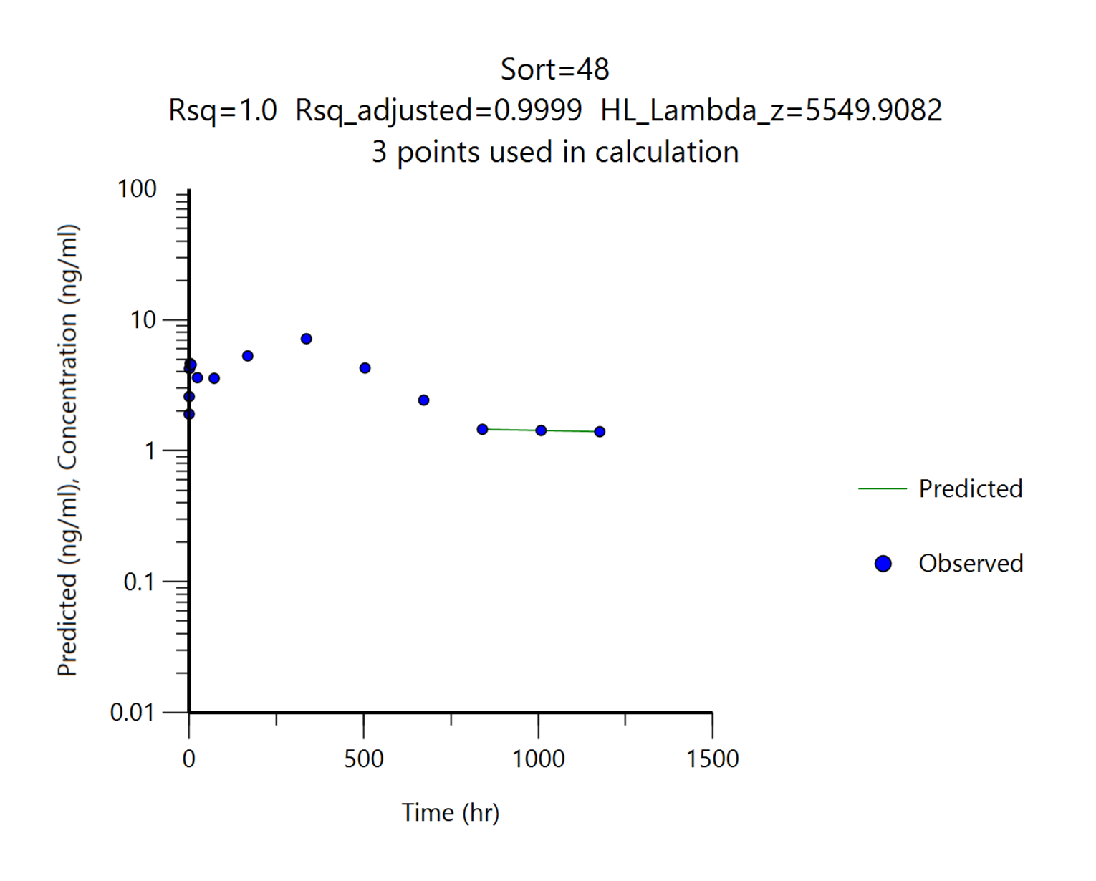
 |  | G8
 |  | DKF-MB101-78_30, 30 mg/kg
Parameters | Unit | #43 | #44 | #45 | #46 | #47 | #48 | Mean | SD
tmax | hr | 336.00 | 336.00 | 336.00 | 336.00 | 336.00 | 336.00 | 336.00 | 0.00
Cmax | ng/mL | 8.45 | 6.63 | 5.31 | 9.70 | 8.47 | 7.18 | 7.62 | 1.57
AUClast | ng*hr/mL | 6013.15 | 3449.27 | 2997.53 | 5689.74 | 5811.77 | 4084.31 | 4674.29 | 1324.98
AUCinf | ng*hr/mL | 10474.61 | 4022.59 | 4686.13 | 7593.07 | 7450.26 | 15293.86 | 8253.42 | 4152.30
t1/2 | ng*hr/mL | 1162.58 | 811.00 | 1639.28 | 540.69 | 481.23 | 5549.91 | 1697.45 | 1935.66
Cmax/Dose | (ng/mL)/(mg/kg) | 0.28 | 0.22 | 0.18 | 0.32 | 0.28 | 0.24 | 0.25 | 0.05
AUClast/Dose | (ng*hr/mL)/(mg/kg) | 200.44 | 114.98 | 99.92 | 189.66 | 193.73 | 136.14 | 155.81 | 44.17
AUClast/Dose | (ng*hr/mL)/(mg/kg) | 349.15 | 134.09 | 156.20 | 253.10 | 248.34 | 509.80 | 275.11 | 138.41

2. Result
[확인용] - 최종 결과보고서 작성시 데이터 검토과정에서 일부 데이터 변경 될 수 있습니다. |  |  |  |  |  |  |  |  |  | [확인용] - 최종 결과보고서 작성시 데이터 검토과정에서 일부 데이터 변경 될 수 있습니다.
Dose | G1, DKF-MB101-66, SC, 7.5 mg/kg;G2, DKF-MB101-56, SC, 7.5 mg/kg;G3, DKF-MB101-76, SC, 7.5 mg/kg;G4, DKF-MB101-79, SC, 7.5 mg/kg; G5, DKF-MB101-77, SC, 7.5 mg/kg;G6, DKF-MB101-78_7.5, SC, 7.5 mg/kg;G7, DKF-MB101-78_15, SC, 15 mg/kg;G8, DKF-MB101-78_30, SC, 30 mg/kg |  |  |  |  |  |  |  |  | Dose | G1, DKF-MB101-66, SC, 7.5 mg/kg;G2, DKF-MB101-56, SC, 7.5 mg/kg;G3, DKF-MB101-76, SC, 7.5 mg/kg;G4, DKF-MB101-79, SC, 7.5 mg/kg; G5, DKF-MB101-77, SC, 7.5 mg/kg;G6, DKF-MB101-78_7.5, SC, 7.5 mg/kg;G7, DKF-MB101-78_15, SC, 15 mg/kg;G8, DKF-MB101-78_30, SC, 30 mg/kg
Analytes | Tacrolimus |  |  |  |  |  |  |  |  | Analytes | Tacrolimus

Abbriviation | BQL | below quantification level |  |  |  |  |  |  |  | Abbriviation | BQL | below quantification level
Blood_1차 |  |  |  |  |  |  |  |  |  | Blood_2차
Standard samples |  |  |  |  |  |  |  |  |  | Standard samples
 | Tacrolimus |  |  |  |  |  |  |  |  |  | Tacrolimus
Conc. (ng/mL) | Area ratio | Area ratio | Area ratio | Area ratio | Area ratio | Area ratio | Area ratio | Area ratio | Area ratio | Conc. (ng/mL) | Area ratio | Area ratio | Area ratio | Area ratio | Area ratio | Area ratio | Area ratio | Area ratio | Area ratio
 | 1 | 2 | 3 | 4 | 5 | 6 | 7 | 8 | 9 |  | 1 | 2 | 3 | 4 | 5 | 6 | 7 | 8 | 9
DBLK | 0.00E+00 |  |  |  |  |  |  |  |  | DBLK | 0.00E+00
BLK (P) | 0.00E+00 |  |  |  |  |  |  |  |  | BLK (P) | 0.00E+00
0.1 | 3.88E-02 |  |  |  |  |  |  |  |  | 0.1 | 4.27E-02
0.2 | 7.11E-02 |  |  |  |  |  |  |  |  | 0.2 | 8.41E-02
0.5 | 1.75E-01 |  |  |  |  |  |  |  |  | 0.5 | 1.96E-01
1 | 3.24E-01 |  |  |  |  |  |  |  |  | 1 | 3.56E-01
3 | 8.94E-01 |  |  |  |  |  |  |  |  | 3 | 1.14E+00
10 | 2.99E+00 |  |  |  |  |  |  |  |  | 10 | 3.70E+00
30 | 9.18E+00 |  |  |  |  |  |  |  |  | 30 | 1.04E+01
100 | 3.20E+01 |  |  |  |  |  |  |  |  | 100 | 3.63E+01
300 | 9.53E+01 |  |  |  |  |  |  |  |  | 300 | 1.07E+02
1000 | 3.05E+02 |  |  |  |  |  |  |  |  | 1000 | 3.40E+02

LLOQ_0.1 | 3.88E-02 | 4.04E-02 | 3.91E-02 | 3.75E-02 | 4.41E-02 | 3.91E-02 | 4.07E-02 | 3.71E-02 | 4.21E-02 | LLOQ_0.1 | 4.27E-02 | 4.54E-02 | 4.14E-02 | 3.87E-02 | 4.84E-02 | 3.99E-02 | 4.21E-02 | 4.32E-02 | 4.57E-02
LQC_0.3 | 9.58E-02 | 9.46E-02 | 9.15E-02 | 8.85E-02 | 9.80E-02 | 9.45E-02 | 9.94E-02 | 9.11E-02 | 9.40E-02 | LQC_0.3 | 1.02E-01 | 1.10E-01 | 1.10E-01 | 1.15E-01 | 1.23E-01 | 1.05E-01 | 1.08E-01 | 1.06E-01 | 1.20E-01
MQC_80 | 2.57E+01 | 2.38E+01 | 2.34E+01 | 2.25E+01 | 2.63E+01 | 2.43E+01 | 2.48E+01 | 2.35E+01 | 2.35E+01 | MQC_80 | 2.88E+01 | 2.81E+01 | 2.86E+01 | 2.74E+01 | 2.99E+01 | 3.02E+01 | 3.09E+01 | 2.94E+01 | 2.93E+01
HQC_800 | 2.45E+02 | 2.20E+02 | 2.24E+02 | 2.18E+02 | 2.48E+02 | 2.22E+02 | 2.24E+02 | 2.16E+02 | 2.25E+02 | HQC_800 | 2.91E+02 | 2.93E+02 | 2.83E+02 | 2.89E+02 | 3.07E+02 | 3.02E+02 | 2.87E+02 | 2.91E+02 | 2.95E+02

Calibration |  |  |  |  |  |  |  |  |  | Calibration
Article | Range (ng/mL) | Regression | Weighting | a | b | r |  |  |  | Article | Range (ng/mL) | Regression | Weighting | a | b | r
Tacrolimus | 0.1-1000 | Linear | 1/x2 | 0.3110 | 0.0083 | 0.9992 |  |  |  | Tacrolimus | 0.1-1000 | Linear | 1/x2 | 0.3610 | 0.0079 | 0.9990

Samples (final concentration)_1차
G1 | DKF-MB101-66, SC, 7.5 mg/kg
 | Time (hr) | Blood concentration (ng/mL)
 |  | #1 | #2 | #3 | #4 | #5 | #6 | Mean | SD
 | 0.25 | 0.79 | 0.36 | 0.56 | 0.48 | 0.48 | 0.55 | 0.54 | 0.14
 | 0.5 | 1.03 | 0.61 | 0.86 | 0.79 | 0.80 | 0.70 | 0.80 | 0.14
 | 1 | 2.01 | 0.85 | 1.35 | 0.87 | 1.29 | 0.90 | 1.21 | 0.45
 | 3 | 2.03 | 1.22 | 1.73 | 1.60 | 1.20 | 1.12 | 1.48 | 0.36
 | 6 | 1.44 | 1.39 | 1.79 | 1.24 | 1.09 | 1.06 | 1.34 | 0.27
 | 24 | 1.32 | 1.06 | 1.60 | 1.24 | 0.94 | 1.28 | 1.24 | 0.23
 | 72 | 2.99 | 1.92 | 2.98 | 1.97 | 1.54 | 3.24 | 2.44 | 0.71
 | 168 | 3.44 | 1.74 | 2.46 | 2.10 | 2.78 | 2.65 | 2.53 | 0.59
 | 336 | 2.94 | 1.23 | 3.27 | 2.24 | 2.03 | 2.27 | 2.33 | 0.72
 | 504 | 2.29 | 0.84 | 2.83 | 2.05 | 1.47 | 2.39 | 1.98 | 0.72
 | 672 | 0.75 | 0.35 | 1.09 | 0.75 | 0.54 | 0.72 | 0.70 | 0.25
 | 840 | 0.48 | 0.29 | 0.68 | 0.46 | 0.28 | 0.49 | 0.45 | 0.15
 | 1008 | 0.39 | 0.27 | 0.43 | 0.37 | 0.15 | 0.44 | 0.34 | 0.11
 | 1176 | 0.39 | 0.29 | 0.41 | 0.31 | 0.12 | 0.11 | 0.27 | 0.13
 |  |  |  |  |  |  |  |  | BQL, <0.1 ng/mL
G2 | DKF-MB101-56, SC, 7.5 mg/kg
 | Time (hr) | Blood concentration (ng/mL)
 |  | #7 | #8 | #9 | #10 | #11 | #12 | Mean | SD
 | 0.25 | 0.54 | 0.35 | 0.45 | 0.55 | 0.34 | 0.52 | 0.46 | 0.10
 | 0.5 | 0.78 | 0.51 | 0.65 | 0.69 | 0.52 | 0.65 | 0.63 | 0.10
 | 1 | 1.02 | 0.58 | 0.84 | 0.86 | 0.62 | 0.81 | 0.79 | 0.16
 | 3 | 1.42 | 0.93 | 1.58 | 1.62 | 1.02 | 1.23 | 1.30 | 0.29
 | 6 | 1.05 | 0.82 | 1.11 | 1.23 | 0.83 | 1.05 | 1.02 | 0.16
 | 24 | 0.89 | 0.65 | 0.88 | 1.00 | 0.66 | 1.00 | 0.85 | 0.16
 | 72 | 1.56 | 0.78 | 1.28 | 1.57 | 0.85 | 1.52 | 1.26 | 0.36
 | 168 | 2.08 | 1.32 | 2.12 | 2.42 | 1.26 | 1.89 | 1.85 | 0.47
 | 336 | 4.07 | 2.03 | 3.07 | 3.59 | 1.94 | 3.19 | 2.98 | 0.85
 | 504 | 3.72 | 1.81 | 2.59 | 3.13 | 1.78 | 2.89 | 2.65 | 0.76
 | 672 | 2.47 | 1.05 | 1.82 | 2.64 | 1.16 | 2.11 | 1.88 | 0.66
 | 840 | 0.42 | 0.23 | 0.36 | 0.50 | 0.15 | 0.70 | 0.39 | 0.20
 | 1008 | 0.23 | 0.18 | 0.27 | 0.28 | 0.09 (BQL) | 0.48 | 0.29 | 0.11
 | 1176 | 0.19 | 0.18 | 0.26 | 0.22 | 0.09 (BQL) | 0.43 | 0.26 | 0.10
 |  |  |  |  |  |  |  |  | BQL, <0.1 ng/mL
G3 | DKF-MB101-76, SC, 7.5 mg/kg
 | Time (hr) | Blood concentration (ng/mL)
 |  | #13 | #14 | #15 | #16 | #17 | #18 | Mean | SD
 | 0.25 | 0.44 | 0.41 | 0.46 | 0.82 | 0.46 | 0.38 | 0.50 | 0.16
 | 0.5 | 1.03 | 0.74 | 0.70 | 1.06 | 0.95 | 0.96 | 0.91 | 0.15
 | 1 | 0.97 | 1.68 | 1.13 | 1.62 | 1.86 | 1.83 | 1.52 | 0.37
 | 3 | 2.09 | 2.97 | 2.16 | 3.23 | 3.44 | 2.27 | 2.69 | 0.59
 | 6 | 1.75 | 2.57 | 1.32 | 2.39 | 2.25 | 1.77 | 2.01 | 0.47
 | 24 | 1.32 | 1.60 | 0.76 | 1.81 | 1.60 | 1.15 | 1.37 | 0.38
 | 72 | 1.74 | 2.30 | 1.09 | 1.75 | 2.24 | 1.28 | 1.73 | 0.49
 | 168 | 2.95 | 3.63 | 2.45 | 3.16 | 2.74 | 1.64 | 2.76 | 0.68
 | 336 | 2.28 | 3.31 | 1.63 | 3.70 | 3.73 | 2.38 | 2.84 | 0.87
 | 504 | 1.37 | 1.58 | 0.90 | 1.80 | 2.19 | 1.20 | 1.51 | 0.46
 | 672 | 0.60 | 0.89 | 0.34 | 0.82 | 0.76 | 0.58 | 0.67 | 0.20
 | 840 | 0.44 | 0.64 | 0.19 | 0.35 | 0.58 | 0.27 | 0.41 | 0.18
 | 1008 | 0.42 | 0.64 | 0.14 | 0.34 | 0.50 | 0.23 | 0.38 | 0.18
 | 1176 | 0.35 | 0.63 | 0.12 | 0.30 | 0.41 | 0.21 | 0.34 | 0.18
 |  |  |  |  |  |  |  |  | BQL, <0.1 ng/mL
G4 | DKF-MB101-79, SC, 7.5 mg/kg
 | Time (hr) | Blood concentration (ng/mL)
 |  | #19 | #20 | #21 | #22 | #23 | #24 | Mean | SD
 | 0.25 | 0.35 | 0.57 | 0.63 | 1.10 | 0.67 | 0.63 | 0.66 | 0.24
 | 0.5 | 0.63 | 0.69 | 1.01 | 0.98 | 0.82 | 0.88 | 0.83 | 0.15
 | 1 | 0.90 | 1.26 | 1.15 | 1.37 | 1.19 | 1.16 | 1.17 | 0.16
 | 3 | 2.35 | 2.70 | 2.41 | 4.55 | 3.91 | 3.07 | 3.17 | 0.89
 | 6 | 2.19 | 2.50 | 2.30 | 3.89 | 2.96 | 3.00 | 2.81 | 0.63
 | 24 | 1.22 | 1.46 | 2.06 | 2.57 | 1.79 | 1.51 | 1.77 | 0.49
 | 72 | 1.95 | 2.17 | 2.34 | 3.79 | 2.44 | 2.37 | 2.51 | 0.65
 | 168 | 4.02 | 5.23 | 7.91 | 7.12 | 6.81 | 5.85 | 6.16 | 1.41
 | 336 | 1.03 | 1.34 | 2.06 | 1.64 | 1.97 | 1.45 | 1.58 | 0.39
 | 504 | 0.46 | 0.44 | 1.14 | 0.85 | 0.67 | 0.60 | 0.69 | 0.26
 | 672 | 0.41 | 0.36 | 1.14 | 0.81 | 0.60 | 0.56 | 0.64 | 0.29
 | 840 | 0.35 | 0.29 | 0.91 | 0.62 | 0.55 | 0.53 | 0.54 | 0.22
 | 1008 | 0.33 | 0.21 | 0.69 | 0.40 | 0.47 | 0.47 | 0.43 | 0.16
 | 1176 | 0.26 | 0.21 | 0.59 | 0.36 | 0.43 | 0.42 | 0.38 | 0.14
 |  |  |  |  |  |  |  |  | BQL, <0.1 ng/mL
G5 | DKF-MB101-77, SC, 7.5 mg/kg
 | Time (hr) | Blood concentration (ng/mL)
 |  | #25 | #26 | #27 | #28 | #29 | #30 | Mean | SD
 | 0.25 | 0.97 | 0.95 | 1.52 | 0.71 | 0.74 | 1.20 | 1.02 | 0.30
 | 0.5 | 1.36 | 1.20 | 1.22 | 0.93 | 1.15 | 1.19 | 1.18 | 0.14
 | 1 | 1.87 | 1.72 | 1.24 | 1.22 | 1.45 | 1.71 | 1.54 | 0.27
 | 3 | 2.80 | 2.47 | 2.38 | 1.87 | 2.43 | 2.57 | 2.42 | 0.31
 | 6 | 2.31 | 2.60 | 2.02 | 1.62 | 1.62 | 1.80 | 2.00 | 0.40
 | 24 | 1.46 | 1.38 | 1.57 | 1.17 | 1.70 | 1.70 | 1.50 | 0.20
 | 72 | 2.68 | 2.48 | 3.21 | 1.87 | 2.49 | 2.44 | 2.53 | 0.43
 | 168 | 4.28 | 4.03 | 2.74 | 2.86 | 3.12 | 3.78 | 3.47 | 0.65
 | 336 | 3.87 | 4.17 | 2.92 | 3.28 | 4.22 | 6.21 | 4.11 | 1.15
 | 504 | 2.06 | 2.24 | 1.64 | 1.90 | 2.09 | 2.99 | 2.15 | 0.46
 | 672 | 0.92 | 0.98 | 0.67 | 0.72 | 0.90 | 1.23 | 0.90 | 0.20
 | 840 | 0.37 | 0.37 | 0.32 | 0.32 | 0.31 | 0.41 | 0.35 | 0.04
 | 1008 | 0.29 | 0.31 | 0.26 | 0.23 | 0.27 | 0.30 | 0.28 | 0.03
 | 1176 | 0.19 | 0.24 | 0.20 | 0.22 | 0.20 | 0.24 | 0.22 | 0.02
 |  |  |  |  |  |  |  |  | BQL, <0.1 ng/mL
G6 | DKF-MB101-78_7.5, SC, 7.5 mg/kg
 | Time (hr) | Blood concentration (ng/mL)
 |  | #31 | #32 | #33 | #34 | #35 | #36 | Mean | SD
 | 0.25 | 1.01 | 0.66 | 1.32 | 0.69 | 0.91 | 0.98 | 0.93 | 0.24
 | 0.5 | 1.64 | 1.18 | 1.53 | 0.99 | 0.90 | 1.67 | 1.32 | 0.34
 | 1 | 1.68 | 1.61 | 1.72 | 1.25 | 1.58 | 2.29 | 1.69 | 0.34
 | 3 | 2.36 | 2.12 | 2.08 | 1.85 | 2.22 | 2.36 | 2.17 | 0.19
 | 6 | 1.89 | 1.97 | 1.75 | 1.64 | 1.80 | 1.98 | 1.84 | 0.13
 | 24 | 1.61 | 1.28 | 1.47 | 1.77 | 1.36 | 1.63 | 1.52 | 0.18
 | 72 | 2.13 | 1.73 | 1.84 | 2.07 | 1.80 | 2.07 | 1.94 | 0.17
 | 168 | 3.66 | 2.20 | 2.72 | 2.71 | 2.96 | 2.90 | 2.86 | 0.48
 | 336 | 5.44 | 3.36 | 4.43 | 4.28 | 3.74 | 4.12 | 4.23 | 0.71
 | 504 | 2.77 | 1.81 | 2.29 | 2.11 | 2.10 | 2.03 | 2.19 | 0.33
 | 672 | 1.07 | 0.67 | 1.27 | 0.90 | 1.27 | 1.15 | 1.06 | 0.23
 | 840 | 0.43 | 0.32 | 0.30 | 0.35 | 0.47 | 0.55 | 0.40 | 0.10
 | 1008 | 0.32 | 0.22 | 0.29 | 0.30 | 0.44 | 0.44 | 0.34 | 0.09
 | 1176 | 0.20 | 0.22 | 0.25 | 0.28 | 0.37 | 0.38 | 0.28 | 0.08
 |  |  |  |  |  |  |  |  | BQL, <0.1 ng/mL
G7 | DKF-MB101-78_15, SC, 15 mg/kg
 | Time (hr) | Blood concentration (ng/mL)
 |  | #37 | #38 | #39 | #40 | #41 | #42 | Mean | SD
 | 0.25 | 1.04 | 1.02 | 1.08 | 1.24 | 1.21 | 0.91 | 1.08 | 0.12
 | 0.5 | 1.68 | 1.72 | 1.52 | 1.83 | 1.85 | 1.37 | 1.66 | 0.19
 | 1 | 1.89 | 2.42 | 5.35 | 2.44 | 2.48 | 1.65 | 2.71 | 1.34
 | 3 | 2.43 | 3.71 | 3.18 | 3.31 | 3.59 | 3.01 | 3.20 | 0.46
 | 6 | 2.26 | 4.28 | 3.71 | 2.51 | 3.28 | 2.88 | 3.15 | 0.76
 | 24 | 1.83 | 2.83 | 2.82 | 2.03 | 2.47 | 1.79 | 2.30 | 0.48
 | 72 | 2.38 | 3.23 | 3.36 | 3.26 | 3.55 | 2.85 | 3.11 | 0.42
 | 168 | 3.10 | 4.35 | 4.95 | 4.17 | 4.98 | 3.25 | 4.13 | 0.81
 | 336 | 3.94 | 6.32 | 6.27 | 5.63 | 6.50 | 4.18 | 5.47 | 1.14
 | 504 | 2.47 | 3.42 | 3.84 | 2.65 | 3.99 | 2.05 | 3.07 | 0.79
 | 672 | 1.19 | 1.93 | 2.27 | 1.23 | 3.00 | 1.32 | 1.82 | 0.72
 | 840 | 0.79 | 0.96 | 1.22 | 0.17 | 1.36 | 0.90 | 0.90 | 0.42
 | 1008 | 0.63 | 0.86 | 1.03 | 0.12 | 1.20 | 0.81 | 0.77 | 0.38
 | 1176 | 0.61 | 0.85 | 0.90 | 0.08 (BQL) | 1.05 | 0.81 | 0.84 | 0.16
 |  |  |  |  |  |  |  |  | BQL, <0.1 ng/mL
G8 | DKF-MB101-78_30, SC, 30 mg/kg
 | Time (hr) | Blood concentration (ng/mL)
 |  | #43 | #44 | #45 | #46 | #47 | #48 | Mean | SD
 | 0.25 | 1.53 | 1.69 | 1.42 | 1.21 | 1.92 | 1.91 | 1.61 | 0.28
 | 0.5 | 2.39 | 3.41 | 2.28 | 2.14 | 1.92 | 2.60 | 2.46 | 0.52
 | 1 | 3.37 | 3.89 | 2.56 | 3.66 | 3.22 | 4.25 | 3.49 | 0.59
 | 3 | 4.52 | 5.55 | 4.88 | 5.42 | 6.42 | 4.65 | 5.24 | 0.71
 | 6 | 4.05 | 4.05 | 2.91 | 5.04 | 6.87 | 4.55 | 4.58 | 1.33
 | 24 | 3.59 | 2.91 | 2.56 | 4.23 | 5.40 | 3.62 | 3.72 | 1.01
 | 72 | 6.13 | 3.51 | 3.78 | 4.76 | 3.80 | 3.58 | 4.26 | 1.02
 | 168 | 7.90 | 4.92 | 4.07 | 6.08 | 6.96 | 5.31 | 5.87 | 1.40
 | 336 | 8.45 | 6.63 | 5.31 | 9.70 | 8.47 | 7.18 | 7.62 | 1.57
 | 504 | 5.61 | 3.94 | 2.95 | 5.25 | 5.70 | 4.29 | 4.62 | 1.09
 | 672 | 4.34 | 2.15 | 2.01 | 4.56 | 4.78 | 2.44 | 3.38 | 1.31
 | 840 | 3.25 | 0.65 | 0.82 | 2.61 | 3.27 | 1.46 | 2.01 | 1.19
 | 1008 | 2.92 | 0.60 | 0.79 | 2.45 | 2.48 | 1.43 | 1.78 | 0.97
 | 1176 | 2.66 | 0.49 | 0.71 | 2.44 | 2.36 | 1.40 | 1.68 | 0.94
 |  |  |  |  |  |  |  |  | BQL, <0.1 ng/mL

Tacrolimus in Blood

1(1). LCMS
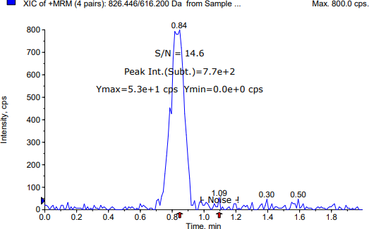
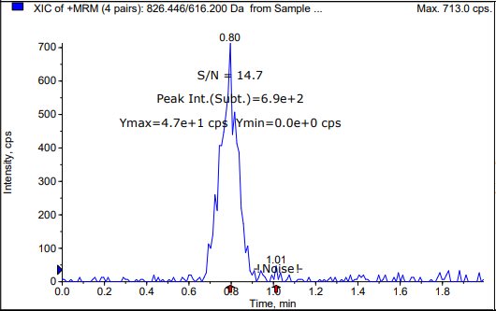
LC-MS/MS condition |  |  |  |  |  |  |  |  | LC-MS/MS condition
LC 조건 |  |  |  |  |  |  |  |  | LC 조건
HPLC System |  | SHIMADZU Nexera 40 series |  |  |  |  |  |  | HPLC System |  | SHIMADZU Nexera 40 series
Column |  | Agilent ZORBAX Eclipse XDB-C18, 3.5 µm, 50 X 2.1mm |  |  |  |  |  |  | Column |  | Agilent ZORBAX Eclipse XDB-C18, 3.5 µm, 50 X 2.1mm
Column temp. |  | 40 ℃ |  |  |  |  |  |  | Column temp. |  | 40 ℃
Mobile phase |  | A: |  | 2 mM Ammonium acetate and 0.1% formic acid in water |  |  |  |  | Mobile phase |  | A: |  | 2 mM Ammonium acetate and 0.1% formic acid in water
 |  | B: |  | Methanol |  |  |  |  |  |  | B: |  | Methanol
Isocratic |  | Time (min) |  | B (%) |  | Flow rate (uL/min) |  |  | Isocratic |  | Time (min) |  | B (%) |  | Flow rate (uL/min)
 |  | 0.0 |  | 90 |  | 300 |  |  |  |  | 0.0 |  | 90 |  | 300
 |  | 2.0 |  | 90 |  | 300 |  |  |  |  | 2.0 |  | 90 |  | 300
Injection volume (uL) |  | 2.5 uL |  |  |  |  |  |  | Injection volume (uL) |  | 2.5 uL
Autosampler temp. |  | 10 ℃ |  |  |  |  |  |  | Autosampler temp. |  | 10 ℃

MS 조건 |  |  |  |  |  |  |  |  | MS 조건
Detection |  | SCIEX Triple Quad™ 4500 System |  |  |  |  |  |  | Detection |  | SCIEX Triple Quad™ 4500 System
Curtain gas |  | 35 |  |  |  |  |  |  | Curtain gas |  | 35
Ion source gas 1 |  | 50 |  |  |  |  |  |  | Ion source gas 1 |  | 50
Ion source gas 2 |  | 50 |  |  |  |  |  |  | Ion source gas 2 |  | 50
Ionspray voltage |  | 5500 |  |  |  |  |  |  | Ionspray voltage |  | 5500
Temperature |  | 500 |  |  |  |  |  |  | Temperature |  | 500
MRM mode |  | Positive |  |  |  |  |  |  | MRM mode |  | Positive

표준품 정보 |  |  |  |  |  |  |  |  | 표준품 정보
 |  | Formula |  |  | MW | Exact mass |  |  |  |  | Formula |  |  | MW | Exact mass
Tacrolimus |  | C44H69NO12 |  |  | 804.031 | 803.4820 |  |  | Tacrolimus |  | C44H69NO12 |  |  | 804.031 | 803.4820
Everolimus |  | C53H83NO14 |  |  | 958.224 | 957.5814 |  |  | Everolimus |  | C53H83NO14 |  |  | 958.224 | 957.5814

MRM 조건 |  |  |  |  |  |  |  |  | MRM 조건
 |  | m/z |  |  | DP (V) | CE (eV) | CXP (eV) | RT (min) |  |  | m/z |  |  | DP (V) | CE (eV) | CXP (eV) | RT (min)
Analyte | Tacrolimus | 826.446 | → | 616.200 | 6.000 | 49.000 | 14.000 | 0.850 | Analyte | Tacrolimus | 826.446 | → | 616.200 | 6.000 | 49.000 | 14.000 | 0.810
IS | Everolimus | 980.559 | → | 389.200 | 1.000 | 77.000 | 12.000 | 0.870 | IS | Everolimus | 980.559 | → | 389.200 | 1.000 | 77.000 | 12.000 | 0.830

전처리 방법 |  |  |  |  |  |  |  |  | 전처리 방법
Stock |  | Analyte: |  |  | 1.5 |  |  | mg | Stock |  | Analyte: |  |  | 1.5 |  |  | mg
 |  | DMSO |  |  | 0.15 |  |  | mL |  |  | DMSO |  |  | 0.15 |  |  | mL
 |  | 10 mg/mL in DMSO |  |  |  |  |  |  |  |  | 10 mg/mL in DMSO
Working solution |  | Serial dilution with 50% MeOH |  |  |  |  |  |  | Working solution |  | Serial dilution with 50% MeOH
 |  | 0.001, 0.002, 0.005, 0.01, 0.03, 0.1, 0.3, 1, 3, 10 ug/mL |  |  |  |  |  |  |  |  | 0.001, 0.002, 0.005, 0.01, 0.03, 0.1, 0.3, 1, 3, 10 ug/mL
IS Solution |  | Everolimus 1.2 mg / DMSO 0.12 mL |  |  |  |  |  |  | IS Solution |  | Everolimus 1.1 mg / DMSO 0.11 mL
 |  | 10 mg/mL in DMSO |  |  |  |  |  |  |  |  | 10 mg/mL in DMSO
 |  | Everolimus 300 ng/mL in 50% MeOH |  |  |  |  |  |  |  |  | Everolimus 300 ng/mL in 50% MeOH
Liquid-Liquid extraction |  | Whole Blood 100 uL (Blank or Sample) + Working solution (or 50% MeOH) 10 uL + IS solution 10 uL → vortex, 1 min → + water 180 uL → vortex, 1 min → *Extraction solution 500 uL → vortex, 5 min → centrifuge, 5 min, 4 ℃, 17,600x g → supernatant 400 uL → evaporation, 15 min, 50 ℃, 2500 rpm →70% ACN 120 uL reconstitution |  |  |  |  |  |  | Liquid-Liquid extraction |  | Whole Blood 100 uL (Blank or Sample) + Working solution (or 50% MeOH) 10 uL + IS solution 10 uL → vortex, 1 min → + water 180 uL → vortex, 1 min → *Extraction solution 500 uL → vortex, 5 min → centrifuge, 5 min, 4 ℃, 17,600x g → supernatant 400 uL → evaporation, 15 min, 50 ℃, 2500 rpm →70% ACN 120 uL reconstitution
 |  |  |  |  |  |  |  | *Extraction solution: Ethyl acetate : n-Hexane : tBME = 2 : 2 : 1 |  |  |  |  |  |  |  |  | *Extraction solution: Ethyl acetate : n-Hexane : tBME = 2 : 2 : 1
S/N ratio (LLOQ) : 14.6 |  |  |  |  |  |  |  |  | S/N ratio (LLOQ) : 14.7

2. Result (2)
[확인용] - 최종 결과보고서 작성시 데이터 검토과정에서 일부 데이터 변경 될 수 있습니다. |  |  |  |  |  |  |  |  |  | [확인용] - 최종 결과보고서 작성시 데이터 검토과정에서 일부 데이터 변경 될 수 있습니다.
Dose | G1, DKF-MB101-66, SC, 7.5 mg/kg;G2, DKF-MB101-56, SC, 7.5 mg/kg;G3, DKF-MB101-76, SC, 7.5 mg/kg;G4, DKF-MB101-79, SC, 7.5 mg/kg; G5, DKF-MB101-77, SC, 7.5 mg/kg;G6, DKF-MB101-78_7.5, SC, 7.5 mg/kg;G7, DKF-MB101-78_15, SC, 15 mg/kg;G8, DKF-MB101-78_30, SC, 30 mg/kg |  |  |  |  |  |  |  |  | Dose | G1, DKF-MB101-66, SC, 7.5 mg/kg;G2, DKF-MB101-56, SC, 7.5 mg/kg;G3, DKF-MB101-76, SC, 7.5 mg/kg;G4, DKF-MB101-79, SC, 7.5 mg/kg; G5, DKF-MB101-77, SC, 7.5 mg/kg;G6, DKF-MB101-78_7.5, SC, 7.5 mg/kg;G7, DKF-MB101-78_15, SC, 15 mg/kg;G8, DKF-MB101-78_30, SC, 30 mg/kg
Analytes | Tacrolimus |  |  |  |  |  |  |  |  | Analytes | Tacrolimus

Abbriviation | BQL | below quantification level |  |  |  |  |  |  |  | Abbriviation | BQL | below quantification level
Blood_1차 |  |  |  |  |  |  |  |  |  | Blood_2차
Standard samples |  |  |  |  |  |  |  |  |  | Standard samples
 | Tacrolimus |  |  |  |  |  |  |  |  |  | Tacrolimus
Conc. (ng/mL) | Area ratio | Area ratio | Area ratio | Area ratio | Area ratio | Area ratio | Area ratio | Area ratio | Area ratio | Conc. (ng/mL) | Area ratio | Area ratio | Area ratio | Area ratio | Area ratio | Area ratio | Area ratio | Area ratio | Area ratio
 | 1 | 2 | 3 | 4 | 5 | 6 | 7 | 8 | 9 |  | 1 | 2 | 3 | 4 | 5 | 6 | 7 | 8 | 9
DBLK | 0.00E+00 |  |  |  |  |  |  |  |  | DBLK | 0.00E+00
BLK (P) | 0.00E+00 |  |  |  |  |  |  |  |  | BLK (P) | 0.00E+00
0.1 | 3.88E-02 |  |  |  |  |  |  |  |  | 0.1 | 4.27E-02
0.2 | 7.11E-02 |  |  |  |  |  |  |  |  | 0.2 | 8.41E-02
0.5 | 1.75E-01 |  |  |  |  |  |  |  |  | 0.5 | 1.96E-01
1 | 3.24E-01 |  |  |  |  |  |  |  |  | 1 | 3.56E-01
3 | 8.94E-01 |  |  |  |  |  |  |  |  | 3 | 1.14E+00
10 | 2.99E+00 |  |  |  |  |  |  |  |  | 10 | 3.70E+00
30 | 9.18E+00 |  |  |  |  |  |  |  |  | 30 | 1.04E+01
100 | 3.20E+01 |  |  |  |  |  |  |  |  | 100 | 3.63E+01
300 | 9.53E+01 |  |  |  |  |  |  |  |  | 300 | 1.07E+02
1000 | 3.05E+02 |  |  |  |  |  |  |  |  | 1000 | 3.40E+02

LLOQ_0.1 | 3.88E-02 | 4.04E-02 | 3.91E-02 | 3.75E-02 | 4.41E-02 | 3.91E-02 | 4.07E-02 | 3.71E-02 | 4.21E-02 | LLOQ_0.1 | 4.27E-02 | 4.54E-02 | 4.14E-02 | 3.87E-02 | 4.84E-02 | 3.99E-02 | 4.21E-02 | 4.32E-02 | 4.57E-02
LQC_0.3 | 9.58E-02 | 9.46E-02 | 9.15E-02 | 8.85E-02 | 9.80E-02 | 9.45E-02 | 9.94E-02 | 9.11E-02 | 9.40E-02 | LQC_0.3 | 1.02E-01 | 1.10E-01 | 1.10E-01 | 1.15E-01 | 1.23E-01 | 1.05E-01 | 1.08E-01 | 1.06E-01 | 1.20E-01
MQC_80 | 2.57E+01 | 2.38E+01 | 2.34E+01 | 2.25E+01 | 2.63E+01 | 2.43E+01 | 2.48E+01 | 2.35E+01 | 2.35E+01 | MQC_80 | 2.88E+01 | 2.81E+01 | 2.86E+01 | 2.74E+01 | 2.99E+01 | 3.02E+01 | 3.09E+01 | 2.94E+01 | 2.93E+01
HQC_800 | 2.45E+02 | 2.20E+02 | 2.24E+02 | 2.18E+02 | 2.48E+02 | 2.22E+02 | 2.24E+02 | 2.16E+02 | 2.25E+02 | HQC_800 | 2.91E+02 | 2.93E+02 | 2.83E+02 | 2.89E+02 | 3.07E+02 | 3.02E+02 | 2.87E+02 | 2.91E+02 | 2.95E+02

Calibration |  |  |  |  |  |  |  |  |  | Calibration
Article | Range (ng/mL) | Regression | Weighting | a | b | r |  |  |  | Article | Range (ng/mL) | Regression | Weighting | a | b | r
Tacrolimus | 0.1-1000 | Linear | 1/x2 | 0.3110 | 0.0083 | 0.9992 |  |  |  | Tacrolimus | 0.1-1000 | Linear | 1/x2 | 0.3610 | 0.0079 | 0.9990

Samples (final concentration)_1차
G1 | (TL 20%)
Time (d) |  | Blood concentration (ng/mL)
 |  | #1 | #2 | #3 | #4 | #5 | #6 | Mean | SD
0.010416666667 | 0.25 | 0.79 | 0.36 | 0.56 | 0.48 | 0.48 | 0.55 | 0.54 | 0.14
0.020833333333 | 0.5 | 1.03 | 0.61 | 0.86 | 0.79 | 0.80 | 0.70 | 0.80 | 0.14
0.041666666667 | 1 | 2.01 | 0.85 | 1.35 | 0.87 | 1.29 | 0.90 | 1.21 | 0.45
0.125 | 3 | 2.03 | 1.22 | 1.73 | 1.60 | 1.20 | 1.12 | 1.48 | 0.36
0.25 | 6 | 1.44 | 1.39 | 1.79 | 1.24 | 1.09 | 1.06 | 1.34 | 0.27
1 | 24 | 1.32 | 1.06 | 1.60 | 1.24 | 0.94 | 1.28 | 1.24 | 0.23
3 | 72 | 2.99 | 1.92 | 2.98 | 1.97 | 1.54 | 3.24 | 2.44 | 0.71
7 | 168 | 3.44 | 1.74 | 2.46 | 2.10 | 2.78 | 2.65 | 2.53 | 0.59
14 | 336 | 2.94 | 1.23 | 3.27 | 2.24 | 2.03 | 2.27 | 2.33 | 0.72
21 | 504 | 2.29 | 0.84 | 2.83 | 2.05 | 1.47 | 2.39 | 1.98 | 0.72
28 | 672 | 0.75 | 0.35 | 1.09 | 0.75 | 0.54 | 0.72 | 0.70 | 0.25
35 | 840 | 0.48 | 0.29 | 0.68 | 0.46 | 0.28 | 0.49 | 0.45 | 0.15
42 | 1008 | 0.39 | 0.27 | 0.43 | 0.37 | 0.15 | 0.44 | 0.34 | 0.11
49 | 1176 | 0.39 | 0.29 | 0.41 | 0.31 | 0.12 | 0.11 | 0.27 | 0.13
 |  |  |  |  |  |  |  |  | BQL, <0.1 ng/mL
G2 | (7.5 mpk)
Time (d) | Time (hr) | Blood concentration (ng/mL)
 |  | #7 | #8 | #9 | #10 | #11 | #12 | Mean | SD
0.010416666667 | 0.25 | 0.54 | 0.35 | 0.45 | 0.55 | 0.34 | 0.52 | 0.46 | 0.10
0.020833333333 | 0.5 | 0.78 | 0.51 | 0.65 | 0.69 | 0.52 | 0.65 | 0.63 | 0.10
0.041666666667 | 1 | 1.02 | 0.58 | 0.84 | 0.86 | 0.62 | 0.81 | 0.79 | 0.16
0.125 | 3 | 1.42 | 0.93 | 1.58 | 1.62 | 1.02 | 1.23 | 1.30 | 0.29
0.25 | 6 | 1.05 | 0.82 | 1.11 | 1.23 | 0.83 | 1.05 | 1.02 | 0.16
1 | 24 | 0.89 | 0.65 | 0.88 | 1.00 | 0.66 | 1.00 | 0.85 | 0.16
3 | 72 | 1.56 | 0.78 | 1.28 | 1.57 | 0.85 | 1.52 | 1.26 | 0.36
7 | 168 | 2.08 | 1.32 | 2.12 | 2.42 | 1.26 | 1.89 | 1.85 | 0.47
14 | 336 | 4.07 | 2.03 | 3.07 | 3.59 | 1.94 | 3.19 | 2.98 | 0.85
21 | 504 | 3.72 | 1.81 | 2.59 | 3.13 | 1.78 | 2.89 | 2.65 | 0.76
28 | 672 | 2.47 | 1.05 | 1.82 | 2.64 | 1.16 | 2.11 | 1.88 | 0.66
35 | 840 | 0.42 | 0.23 | 0.36 | 0.50 | 0.15 | 0.70 | 0.39 | 0.20
42 | 1008 | 0.23 | 0.18 | 0.27 | 0.28 | 0.09 (BQL) | 0.48 | 0.29 | 0.11
49 | 1176 | 0.19 | 0.18 | 0.26 | 0.22 | 0.09 (BQL) | 0.43 | 0.26 | 0.10
 |  |  |  |  |  |  |  |  | BQL, <0.1 ng/mL
G3
Time (d) | Time (hr) | Blood concentration (ng/mL)
 |  | #13 | #14 | #15 | #16 | #17 | #18 | Mean | SD
0.010416666667 | 0.25 | 0.44 | 0.41 | 0.46 | 0.82 | 0.46 | 0.38 | 0.50 | 0.16
0.020833333333 | 0.5 | 1.03 | 0.74 | 0.70 | 1.06 | 0.95 | 0.96 | 0.91 | 0.15
0.041666666667 | 1 | 0.97 | 1.68 | 1.13 | 1.62 | 1.86 | 1.83 | 1.52 | 0.37
0.125 | 3 | 2.09 | 2.97 | 2.16 | 3.23 | 3.44 | 2.27 | 2.69 | 0.59
0.25 | 6 | 1.75 | 2.57 | 1.32 | 2.39 | 2.25 | 1.77 | 2.01 | 0.47
1 | 24 | 1.32 | 1.60 | 0.76 | 1.81 | 1.60 | 1.15 | 1.37 | 0.38
3 | 72 | 1.74 | 2.30 | 1.09 | 1.75 | 2.24 | 1.28 | 1.73 | 0.49
7 | 168 | 2.95 | 3.63 | 2.45 | 3.16 | 2.74 | 1.64 | 2.76 | 0.68
14 | 336 | 2.28 | 3.31 | 1.63 | 3.70 | 3.73 | 2.38 | 2.84 | 0.87
21 | 504 | 1.37 | 1.58 | 0.90 | 1.80 | 2.19 | 1.20 | 1.51 | 0.46
28 | 672 | 0.60 | 0.89 | 0.34 | 0.82 | 0.76 | 0.58 | 0.67 | 0.20
35 | 840 | 0.44 | 0.64 | 0.19 | 0.35 | 0.58 | 0.27 | 0.41 | 0.18
42 | 1008 | 0.42 | 0.64 | 0.14 | 0.34 | 0.50 | 0.23 | 0.38 | 0.18
49 | 1176 | 0.35 | 0.63 | 0.12 | 0.30 | 0.41 | 0.21 | 0.34 | 0.18
 |  |  |  |  |  |  |  |  | BQL, <0.1 ng/mL
G4 | (TL 50%)
Time (d) | Time (hr) | Blood concentration (ng/mL)
 |  | #19 | #20 | #21 | #22 | #23 | #24 | Mean | SD
0.010416666667 | 0.25 | 0.35 | 0.57 | 0.63 | 1.10 | 0.67 | 0.63 | 0.66 | 0.24
0.020833333333 | 0.5 | 0.63 | 0.69 | 1.01 | 0.98 | 0.82 | 0.88 | 0.83 | 0.15
0.041666666667 | 1 | 0.90 | 1.26 | 1.15 | 1.37 | 1.19 | 1.16 | 1.17 | 0.16
0.125 | 3 | 2.35 | 2.70 | 2.41 | 4.55 | 3.91 | 3.07 | 3.17 | 0.89
0.25 | 6 | 2.19 | 2.50 | 2.30 | 3.89 | 2.96 | 3.00 | 2.81 | 0.63
1 | 24 | 1.22 | 1.46 | 2.06 | 2.57 | 1.79 | 1.51 | 1.77 | 0.49
3 | 72 | 1.95 | 2.17 | 2.34 | 3.79 | 2.44 | 2.37 | 2.51 | 0.65
7 | 168 | 4.02 | 5.23 | 7.91 | 7.12 | 6.81 | 5.85 | 6.16 | 1.41
14 | 336 | 1.03 | 1.34 | 2.06 | 1.64 | 1.97 | 1.45 | 1.58 | 0.39
21 | 504 | 0.46 | 0.44 | 1.14 | 0.85 | 0.67 | 0.60 | 0.69 | 0.26
28 | 672 | 0.41 | 0.36 | 1.14 | 0.81 | 0.60 | 0.56 | 0.64 | 0.29
35 | 840 | 0.35 | 0.29 | 0.91 | 0.62 | 0.55 | 0.53 | 0.54 | 0.22
42 | 1008 | 0.33 | 0.21 | 0.69 | 0.40 | 0.47 | 0.47 | 0.43 | 0.16
49 | 1176 | 0.26 | 0.21 | 0.59 | 0.36 | 0.43 | 0.42 | 0.38 | 0.14
 |  |  |  |  |  |  |  |  | BQL, <0.1 ng/mL
G5 | (80g scale, Joyang社)
Time (d) | Time (hr) | Blood concentration (ng/mL)
 |  | #25 | #26 | #27 | #28 | #29 | #30 | Mean | SD
0.010416666667 | 0.25 | 0.97 | 0.95 | 1.52 | 0.71 | 0.74 | 1.20 | 1.02 | 0.30
0.020833333333 | 0.5 | 1.36 | 1.20 | 1.22 | 0.93 | 1.15 | 1.19 | 1.18 | 0.14
0.041666666667 | 1 | 1.87 | 1.72 | 1.24 | 1.22 | 1.45 | 1.71 | 1.54 | 0.27
0.125 | 3 | 2.80 | 2.47 | 2.38 | 1.87 | 2.43 | 2.57 | 2.42 | 0.31
0.25 | 6 | 2.31 | 2.60 | 2.02 | 1.62 | 1.62 | 1.80 | 2.00 | 0.40
1 | 24 | 1.46 | 1.38 | 1.57 | 1.17 | 1.70 | 1.70 | 1.50 | 0.20
3 | 72 | 2.68 | 2.48 | 3.21 | 1.87 | 2.49 | 2.44 | 2.53 | 0.43
7 | 168 | 4.28 | 4.03 | 2.74 | 2.86 | 3.12 | 3.78 | 3.47 | 0.65
14 | 336 | 3.87 | 4.17 | 2.92 | 3.28 | 4.22 | 6.21 | 4.11 | 1.15
21 | 504 | 2.06 | 2.24 | 1.64 | 1.90 | 2.09 | 2.99 | 2.15 | 0.46
28 | 672 | 0.92 | 0.98 | 0.67 | 0.72 | 0.90 | 1.23 | 0.90 | 0.20
35 | 840 | 0.37 | 0.37 | 0.32 | 0.32 | 0.31 | 0.41 | 0.35 | 0.04
42 | 1008 | 0.29 | 0.31 | 0.26 | 0.23 | 0.27 | 0.30 | 0.28 | 0.03
49 | 1176 | 0.19 | 0.24 | 0.20 | 0.22 | 0.20 | 0.24 | 0.22 | 0.02
 |  |  |  |  |  |  |  |  | BQL, <0.1 ng/mL
G6 | (80g scale, Teva社)
Time (d) | Time (hr) | Blood concentration (ng/mL)
 |  | #31 | #32 | #33 | #34 | #35 | #36 | Mean | SD
0.010416666667 | 0.25 | 1.01 | 0.66 | 1.32 | 0.69 | 0.91 | 0.98 | 0.93 | 0.24
0.020833333333 | 0.5 | 1.64 | 1.18 | 1.53 | 0.99 | 0.90 | 1.67 | 1.32 | 0.34
0.041666666667 | 1 | 1.68 | 1.61 | 1.72 | 1.25 | 1.58 | 2.29 | 1.69 | 0.34
0.125 | 3 | 2.36 | 2.12 | 2.08 | 1.85 | 2.22 | 2.36 | 2.17 | 0.19
0.25 | 6 | 1.89 | 1.97 | 1.75 | 1.64 | 1.80 | 1.98 | 1.84 | 0.13
1 | 24 | 1.61 | 1.28 | 1.47 | 1.77 | 1.36 | 1.63 | 1.52 | 0.18
3 | 72 | 2.13 | 1.73 | 1.84 | 2.07 | 1.80 | 2.07 | 1.94 | 0.17
7 | 168 | 3.66 | 2.20 | 2.72 | 2.71 | 2.96 | 2.90 | 2.86 | 0.48
14 | 336 | 5.44 | 3.36 | 4.43 | 4.28 | 3.74 | 4.12 | 4.23 | 0.71
21 | 504 | 2.77 | 1.81 | 2.29 | 2.11 | 2.10 | 2.03 | 2.19 | 0.33
28 | 672 | 1.07 | 0.67 | 1.27 | 0.90 | 1.27 | 1.15 | 1.06 | 0.23
35 | 840 | 0.43 | 0.32 | 0.30 | 0.35 | 0.47 | 0.55 | 0.40 | 0.10
42 | 1008 | 0.32 | 0.22 | 0.29 | 0.30 | 0.44 | 0.44 | 0.34 | 0.09
49 | 1176 | 0.20 | 0.22 | 0.25 | 0.28 | 0.37 | 0.38 | 0.28 | 0.08
 |  |  |  |  |  |  |  |  | BQL, <0.1 ng/mL
DK_LAI (15.0 mpk)
Time (d) | Time (hr) | Blood concentration (ng/mL)
 |  | #37 | #38 | #39 | #40 | #41 | #42 | Mean | SD
0.010416666667 | 0.25 | 1.04 | 1.02 | 1.08 | 1.24 | 1.21 | 0.91 | 1.08 | 0.12
0.020833333333 | 0.5 | 1.68 | 1.72 | 1.52 | 1.83 | 1.85 | 1.37 | 1.66 | 0.19
0.041666666667 | 1 | 1.89 | 2.42 | 5.35 | 2.44 | 2.48 | 1.65 | 2.71 | 1.34
0.125 | 3 | 2.43 | 3.71 | 3.18 | 3.31 | 3.59 | 3.01 | 3.20 | 0.46
0.25 | 6 | 2.26 | 4.28 | 3.71 | 2.51 | 3.28 | 2.88 | 3.15 | 0.76
1 | 24 | 1.83 | 2.83 | 2.82 | 2.03 | 2.47 | 1.79 | 2.30 | 0.48
3 | 72 | 2.38 | 3.23 | 3.36 | 3.26 | 3.55 | 2.85 | 3.11 | 0.42
7 | 168 | 3.10 | 4.35 | 4.95 | 4.17 | 4.98 | 3.25 | 4.13 | 0.81
14 | 336 | 3.94 | 6.32 | 6.27 | 5.63 | 6.50 | 4.18 | 5.47 | 1.14
21 | 504 | 2.47 | 3.42 | 3.84 | 2.65 | 3.99 | 2.05 | 3.07 | 0.79
28 | 672 | 1.19 | 1.93 | 2.27 | 1.23 | 3.00 | 1.32 | 1.82 | 0.72
35 | 840 | 0.79 | 0.96 | 1.22 | 0.17 | 1.36 | 0.90 | 0.90 | 0.42
42 | 1008 | 0.63 | 0.86 | 1.03 | 0.12 | 1.20 | 0.81 | 0.77 | 0.38
49 | 1176 | 0.61 | 0.85 | 0.90 | 0.08 (BQL) | 1.05 | 0.81 | 0.84 | 0.16
 |  |  |  |  |  |  |  |  | BQL, <0.1 ng/mL
DK_LAI (30.0 mpk)
Time (d) | Time (hr) | Blood concentration (ng/mL)
 |  | #43 | #44 | #45 | #46 | #47 | #48 | Mean | SD
0.010416666667 | 0.25 | 1.53 | 1.69 | 1.42 | 1.21 | 1.92 | 1.91 | 1.61 | 0.28
0.020833333333 | 0.5 | 2.39 | 3.41 | 2.28 | 2.14 | 1.92 | 2.60 | 2.46 | 0.52
0.041666666667 | 1 | 3.37 | 3.89 | 2.56 | 3.66 | 3.22 | 4.25 | 3.49 | 0.59
0.125 | 3 | 4.52 | 5.55 | 4.88 | 5.42 | 6.42 | 4.65 | 5.24 | 0.71
0.25 | 6 | 4.05 | 4.05 | 2.91 | 5.04 | 6.87 | 4.55 | 4.58 | 1.33
1 | 24 | 3.59 | 2.91 | 2.56 | 4.23 | 5.40 | 3.62 | 3.72 | 1.01
3 | 72 | 6.13 | 3.51 | 3.78 | 4.76 | 3.80 | 3.58 | 4.26 | 1.02
7 | 168 | 7.90 | 4.92 | 4.07 | 6.08 | 6.96 | 5.31 | 5.87 | 1.40
14 | 336 | 8.45 | 6.63 | 5.31 | 9.70 | 8.47 | 7.18 | 7.62 | 1.57
21 | 504 | 5.61 | 3.94 | 2.95 | 5.25 | 5.70 | 4.29 | 4.62 | 1.09
28 | 672 | 4.34 | 2.15 | 2.01 | 4.56 | 4.78 | 2.44 | 3.38 | 1.31
35 | 840 | 3.25 | 0.65 | 0.82 | 2.61 | 3.27 | 1.46 | 2.01 | 1.19
42 | 1008 | 2.92 | 0.60 | 0.79 | 2.45 | 2.48 | 1.43 | 1.78 | 0.97
49 | 1176 | 2.66 | 0.49 | 0.71 | 2.44 | 2.36 | 1.40 | 1.68 | 0.94
 |  |  |  |  |  |  |  |  | BQL, <0.1 ng/mL
Tacrolimus in Blood

